SYTL3 _multivariate
Reported by Tex Li-Hsing Chi. tex@gate.sinica.edu.tw 2019-08-15

Table 2. The clinicopathological features of HNSCC cohort and SYTL3 expression. (Chi square test)
Cutoff at -0.313 (50.0%)
 |  | SYTL3 expression |  | SYTL3 expression |  | (Optimised)
 | Features | Low | (%) | High | (%) | Case no | P-value | Remark | Matthews
Gender | Female | 160 | 38.6 | 146 | 35.2 | 415 | 0.1254 | 0 | 0
2 | Male | 47 | 11.3 | 62 | 14.9
Age at diagnosis | <=65y | 147 | 35.4 | 127 | 30.6 | 415 | 0.0416 | 1 | 0
4 | >65y | 60 | 14.5 | 81 | 19.5
Clinical T Status | T1+T2 | 64 | 15.4 | 85 | 20.5 | 415 | 0.0445 | 1 | 0
6 | T3+T4 | 143 | 34.5 | 123 | 29.6
Clinical N Status | N0 | 115 | 27.7 | 101 | 24.3 | 415 | 0.184 | 1 | 0
8 | N1-3 | 92 | 22.2 | 107 | 25.8
Clinical M Status | M0 | 206 | 49.6 | 206 | 49.6 | 415 | 1 | 0 | 0
10 | M1 | 1 | 0.2 | 2 | 0.5
Clinical Stage | Stage I+II | 53 | 12.8 | 49 | 11.8 | 415 | 0.7113 | 0 | 0
12 | Stage III+IV | 154 | 37.1 | 159 | 38.3
Surgical Margin status | Negative | 161 | 38.8 | 157 | 37.8 | 415 | 0.6429 | 0 | 0
14 | Positive | 46 | 11.1 | 51 | 12.3
Tobacco Exposure | Low | 77 | 18.6 | 84 | 20.2 | 415 | 0.5459 | 0 | 0
16 | High | 130 | 31.3 | 124 | 29.9

Table 3. Univariate/Multivariate Cox's proportional hazards regression analyses on OS time of SYTL3 gene expression in HNSCC

 |  | Univariate |  |  |  | Multivariate
 | Features | HR | CI95%(L) | CI95%(H) | P-value | HR | CI95%(L) | CI95%(H) | P-value
1 | Female | 1 |  |  |  | 1
Gender | Male | 1.157 | 0.843 | 1.587 | 0.367 | 1.205 | 0.863 | 1.684 | 0.274
11 | <=65y | 1 |  |  |  | 1
Age at diagnosis | >65y | 1.329 | 0.99 | 1.784 | 0.058 | 1.4 | 1.028 | 1.906 | 0.033
12 | T1+T2 | 1 |  |  |  | 1
Clinical T Status | T3+T4 | 1.409 | 1.028 | 1.931 | 0.033 | 2.16 | 1.13 | 4.127 | 0.02
13 | N0 | 1 |  |  |  | 1
Clinical N Status | N1-3 | 1.185 | 0.89 | 1.577 | 0.246 | 1.24 | 0.869 | 1.768 | 0.236
14 | M0 | 1 |  |  |  | 1
Clinical M Status | M1 | 4.097 | 1.009 | 16.644 | 0.049 | 9.407 | 2.052 | 43.112 | 0.004
15 | Stage I+II | 1 |  |  |  | 1
Clinical Stage | Stage III+IV | 1.245 | 0.882 | 1.759 | 0.213 | 0.515 | 0.238 | 1.115 | 0.092
16 | Negative | 1 |  |  |  | 1
Surgical Margin status | Positive | 1.591 | 1.155 | 2.191 | 0.004 | 1.673 | 1.211 | 2.312 | 0.002
17 | Low | 1 |  |  |  | 1
Tobacco Exposure | High | 1.364 | 1.008 | 1.844 | 0.044 | 1.451 | 1.053 | 2 | 0.023
18 | Low | 1 |  |  |  | 1
RNAseq(z-score) | High | 0.957 | 0.718 | 1.276 | 0.767 | 0.951 | 0.707 | 1.279 | 0.741

Table 4. Univariate/Multivariate Cox's proportional hazards regression analyses on RFS time of SYTL3 gene expression in HNSCC

 |  | Univariate |  |  |  | Multivariate
 | Features | HR | CI95%(L) | CI95%(H) | P-value | HR | CI95%(L) | CI95%(H) | P-value
1 | Female | 1 |  |  |  | 1
Gender | Male | 1.157 | 0.843 | 1.587 | 0.367 | 1.205 | 0.863 | 1.684 | 0.274
11 | <=65y | 1 |  |  |  | 1
Age at diagnosis | >65y | 1.329 | 0.99 | 1.784 | 0.058 | 1.4 | 1.028 | 1.906 | 0.033
12 | T1+T2 | 1 |  |  |  | 1
Clinical T Status | T3+T4 | 1.409 | 1.028 | 1.931 | 0.033 | 2.16 | 1.13 | 4.127 | 0.02
13 | N0 | 1 |  |  |  | 1
Clinical N Status | N1-3 | 1.185 | 0.89 | 1.577 | 0.246 | 1.24 | 0.869 | 1.768 | 0.236
14 | M0 | 1 |  |  |  | 1
Clinical M Status | M1 | 4.097 | 1.009 | 16.644 | 0.049 | 9.407 | 2.052 | 43.112 | 0.004
15 | Stage I+II | 1 |  |  |  | 1
Clinical Stage | Stage III+IV | 1.245 | 0.882 | 1.759 | 0.213 | 0.515 | 0.238 | 1.115 | 0.092
16 | Negative | 1 |  |  |  | 1
Surgical Margin status | Positive | 1.591 | 1.155 | 2.191 | 0.004 | 1.673 | 1.211 | 2.312 | 0.002
17 | Low | 1 |  |  |  | 1
Tobacco Exposure | High | 1.364 | 1.008 | 1.844 | 0.044 | 1.451 | 1.053 | 2 | 0.023
18 | Low | 1 |  |  |  | 1
RNAseq(z-score) | High | 0.957 | 0.718 | 1.276 | 0.767 | 0.951 | 0.707 | 1.279 | 0.741

Kaplan-Meier survival estimate: Cutoff at -0.313 (50.0%)



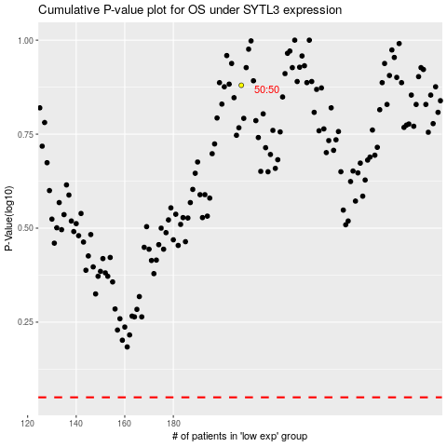

 |  |  |  |  |  | cases_OS | p_OS | rank | exp
 |  |  |  |  |  |  | cases_RFS | p_RFS | rank | exp

