SYTL4 _multivariate
Reported by Tex Li-Hsing Chi. tex@gate.sinica.edu.tw 2019-08-15

Table 2. The clinicopathological features of HNSCC cohort and SYTL4 expression. (Chi square test)
Cutoff at -0.339 (49.8%)
 |  | SYTL4 expression |  | SYTL4 expression |  | (Optimised)
 | Features | Low | (%) | High | (%) | Case no | P-value | Remark | Matthews
Gender | Female | 142 | 34.2 | 164 | 39.5 | 415 | 0.0238 | 1 | 0
2 | Male | 65 | 15.7 | 44 | 10.6
Age at diagnosis | <=65y | 130 | 31.3 | 144 | 34.7 | 415 | 0.2009 | 0 | 0
4 | >65y | 77 | 18.6 | 64 | 15.4
Clinical T Status | T1+T2 | 81 | 19.5 | 68 | 16.4 | 415 | 0.206 | 0 | 0
6 | T3+T4 | 126 | 30.4 | 140 | 33.7
Clinical N Status | N0 | 111 | 26.7 | 105 | 25.3 | 415 | 0.5875 | 0 | 0
8 | N1-3 | 96 | 23.1 | 103 | 24.8
Clinical M Status | M0 | 204 | 49.2 | 208 | 50.1 | 415 | 0.1232 | 0 | 0
10 | M1 | 3 | 0.7 | 0 | 0
Clinical Stage | Stage I+II | 59 | 14.2 | 43 | 10.4 | 415 | 0.0822 | 0 | 0
12 | Stage III+IV | 148 | 35.7 | 165 | 39.8
Surgical Margin status | Negative | 163 | 39.3 | 155 | 37.3 | 415 | 0.3537 | 0 | 0
14 | Positive | 44 | 10.6 | 53 | 12.8
Tobacco Exposure | Low | 84 | 20.2 | 77 | 18.6 | 415 | 0.4816 | 0 | 0
16 | High | 123 | 29.6 | 131 | 31.6

Table 3. Univariate/Multivariate Cox's proportional hazards regression analyses on OS time of SYTL4 gene expression in HNSCC

 |  | Univariate |  |  |  | Multivariate
 | Features | HR | CI95%(L) | CI95%(H) | P-value | HR | CI95%(L) | CI95%(H) | P-value
1 | Female | 1 |  |  |  | 1
Gender | Male | 1.157 | 0.843 | 1.587 | 0.367 | 1.207 | 0.864 | 1.686 | 0.27
11 | <=65y | 1 |  |  |  | 1
Age at diagnosis | >65y | 1.329 | 0.99 | 1.784 | 0.058 | 1.396 | 1.027 | 1.899 | 0.033
12 | T1+T2 | 1 |  |  |  | 1
Clinical T Status | T3+T4 | 1.409 | 1.028 | 1.931 | 0.033 | 2.213 | 1.17 | 4.186 | 0.015
13 | N0 | 1 |  |  |  | 1
Clinical N Status | N1-3 | 1.185 | 0.89 | 1.577 | 0.246 | 1.242 | 0.87 | 1.771 | 0.233
14 | M0 | 1 |  |  |  | 1
Clinical M Status | M1 | 4.097 | 1.009 | 16.644 | 0.049 | 9.841 | 2.121 | 45.657 | 0.003
15 | Stage I+II | 1 |  |  |  | 1
Clinical Stage | Stage III+IV | 1.245 | 0.882 | 1.759 | 0.213 | 0.494 | 0.229 | 1.066 | 0.072
16 | Negative | 1 |  |  |  | 1
Surgical Margin status | Positive | 1.591 | 1.155 | 2.191 | 0.004 | 1.671 | 1.209 | 2.309 | 0.002
17 | Low | 1 |  |  |  | 1
Tobacco Exposure | High | 1.364 | 1.008 | 1.844 | 0.044 | 1.445 | 1.048 | 1.992 | 0.025
18 | Low | 1 |  |  |  | 1
RNAseq(z-score) | High | 1.065 | 0.8 | 1.42 | 0.665 | 1.074 | 0.797 | 1.446 | 0.64

Table 4. Univariate/Multivariate Cox's proportional hazards regression analyses on RFS time of SYTL4 gene expression in HNSCC

 |  | Univariate |  |  |  | Multivariate
 | Features | HR | CI95%(L) | CI95%(H) | P-value | HR | CI95%(L) | CI95%(H) | P-value
1 | Female | 1 |  |  |  | 1
Gender | Male | 1.157 | 0.843 | 1.587 | 0.367 | 1.207 | 0.864 | 1.686 | 0.27
11 | <=65y | 1 |  |  |  | 1
Age at diagnosis | >65y | 1.329 | 0.99 | 1.784 | 0.058 | 1.396 | 1.027 | 1.899 | 0.033
12 | T1+T2 | 1 |  |  |  | 1
Clinical T Status | T3+T4 | 1.409 | 1.028 | 1.931 | 0.033 | 2.213 | 1.17 | 4.186 | 0.015
13 | N0 | 1 |  |  |  | 1
Clinical N Status | N1-3 | 1.185 | 0.89 | 1.577 | 0.246 | 1.242 | 0.87 | 1.771 | 0.233
14 | M0 | 1 |  |  |  | 1
Clinical M Status | M1 | 4.097 | 1.009 | 16.644 | 0.049 | 9.841 | 2.121 | 45.657 | 0.003
15 | Stage I+II | 1 |  |  |  | 1
Clinical Stage | Stage III+IV | 1.245 | 0.882 | 1.759 | 0.213 | 0.494 | 0.229 | 1.066 | 0.072
16 | Negative | 1 |  |  |  | 1
Surgical Margin status | Positive | 1.591 | 1.155 | 2.191 | 0.004 | 1.671 | 1.209 | 2.309 | 0.002
17 | Low | 1 |  |  |  | 1
Tobacco Exposure | High | 1.364 | 1.008 | 1.844 | 0.044 | 1.445 | 1.048 | 1.992 | 0.025
18 | Low | 1 |  |  |  | 1
RNAseq(z-score) | High | 1.065 | 0.8 | 1.42 | 0.665 | 1.074 | 0.797 | 1.446 | 0.64

Kaplan-Meier survival estimate: Cutoff at -0.339 (49.8%)

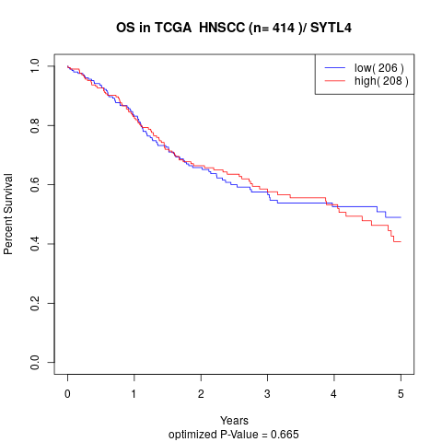

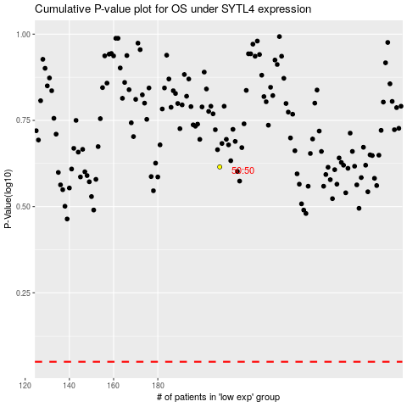

 |  |  |  |  |  | cases_OS | p_OS | rank | exp
 |  |  |  |  |  |  | cases_RFS | p_RFS | rank | exp

