SYTL5 _multivariate
Reported by Tex Li-Hsing Chi. tex@gate.sinica.edu.tw 2019-08-15

Table 2. The clinicopathological features of HNSCC cohort and SYTL5 expression. (Chi square test)
Cutoff at -0.394 (50.0%)
 |  | SYTL5 expression |  | SYTL5 expression |  | (Optimised)
 | Features | Low | (%) | High | (%) | Case no | P-value | Remark | Matthews
Gender | Female | 158 | 38.1 | 148 | 35.7 | 415 | 0.2774 | 0 | 0
2 | Male | 49 | 11.8 | 60 | 14.5
Age at diagnosis | <=65y | 140 | 33.7 | 134 | 32.3 | 415 | 0.5574 | 0 | 0
4 | >65y | 67 | 16.1 | 74 | 17.8
Clinical T Status | T1+T2 | 77 | 18.6 | 72 | 17.3 | 415 | 0.6556 | 0 | 0
6 | T3+T4 | 130 | 31.3 | 136 | 32.8
Clinical N Status | N0 | 103 | 24.8 | 113 | 27.2 | 415 | 0.4047 | 0 | 0
8 | N1-3 | 104 | 25.1 | 95 | 22.9
Clinical M Status | M0 | 205 | 49.4 | 207 | 49.9 | 415 | 0.6232 | 0 | 0
10 | M1 | 2 | 0.5 | 1 | 0.2
Clinical Stage | Stage I+II | 50 | 12 | 52 | 12.5 | 415 | 0.9315 | 0 | 0
12 | Stage III+IV | 157 | 37.8 | 156 | 37.6
Surgical Margin status | Negative | 155 | 37.3 | 163 | 39.3 | 415 | 0.4187 | 0 | 0
14 | Positive | 52 | 12.5 | 45 | 10.8
Tobacco Exposure | Low | 86 | 20.7 | 75 | 18.1 | 415 | 0.2687 | 0 | 0
16 | High | 121 | 29.2 | 133 | 32

Table 3. Univariate/Multivariate Cox's proportional hazards regression analyses on OS time of SYTL5 gene expression in HNSCC

 |  | Univariate |  |  |  | Multivariate
 | Features | HR | CI95%(L) | CI95%(H) | P-value | HR | CI95%(L) | CI95%(H) | P-value
1 | Female | 1 |  |  |  | 1
Gender | Male | 1.157 | 0.843 | 1.587 | 0.367 | 1.202 | 0.86 | 1.679 | 0.282
11 | <=65y | 1 |  |  |  | 1
Age at diagnosis | >65y | 1.329 | 0.99 | 1.784 | 0.058 | 1.399 | 1.028 | 1.903 | 0.032
12 | T1+T2 | 1 |  |  |  | 1
Clinical T Status | T3+T4 | 1.409 | 1.028 | 1.931 | 0.033 | 2.208 | 1.168 | 4.173 | 0.015
13 | N0 | 1 |  |  |  | 1
Clinical N Status | N1-3 | 1.185 | 0.89 | 1.577 | 0.246 | 1.233 | 0.864 | 1.76 | 0.249
14 | M0 | 1 |  |  |  | 1
Clinical M Status | M1 | 4.097 | 1.009 | 16.644 | 0.049 | 9.173 | 1.998 | 42.122 | 0.004
15 | Stage I+II | 1 |  |  |  | 1
Clinical Stage | Stage III+IV | 1.245 | 0.882 | 1.759 | 0.213 | 0.505 | 0.235 | 1.084 | 0.08
16 | Negative | 1 |  |  |  | 1
Surgical Margin status | Positive | 1.591 | 1.155 | 2.191 | 0.004 | 1.645 | 1.187 | 2.28 | 0.003
17 | Low | 1 |  |  |  | 1
Tobacco Exposure | High | 1.364 | 1.008 | 1.844 | 0.044 | 1.463 | 1.061 | 2.018 | 0.02
18 | Low | 1 |  |  |  | 1
RNAseq(z-score) | High | 0.878 | 0.658 | 1.17 | 0.373 | 0.906 | 0.676 | 1.213 | 0.506

Table 4. Univariate/Multivariate Cox's proportional hazards regression analyses on RFS time of SYTL5 gene expression in HNSCC

 |  | Univariate |  |  |  | Multivariate
 | Features | HR | CI95%(L) | CI95%(H) | P-value | HR | CI95%(L) | CI95%(H) | P-value
1 | Female | 1 |  |  |  | 1
Gender | Male | 1.157 | 0.843 | 1.587 | 0.367 | 1.202 | 0.86 | 1.679 | 0.282
11 | <=65y | 1 |  |  |  | 1
Age at diagnosis | >65y | 1.329 | 0.99 | 1.784 | 0.058 | 1.399 | 1.028 | 1.903 | 0.032
12 | T1+T2 | 1 |  |  |  | 1
Clinical T Status | T3+T4 | 1.409 | 1.028 | 1.931 | 0.033 | 2.208 | 1.168 | 4.173 | 0.015
13 | N0 | 1 |  |  |  | 1
Clinical N Status | N1-3 | 1.185 | 0.89 | 1.577 | 0.246 | 1.233 | 0.864 | 1.76 | 0.249
14 | M0 | 1 |  |  |  | 1
Clinical M Status | M1 | 4.097 | 1.009 | 16.644 | 0.049 | 9.173 | 1.998 | 42.122 | 0.004
15 | Stage I+II | 1 |  |  |  | 1
Clinical Stage | Stage III+IV | 1.245 | 0.882 | 1.759 | 0.213 | 0.505 | 0.235 | 1.084 | 0.08
16 | Negative | 1 |  |  |  | 1
Surgical Margin status | Positive | 1.591 | 1.155 | 2.191 | 0.004 | 1.645 | 1.187 | 2.28 | 0.003
17 | Low | 1 |  |  |  | 1
Tobacco Exposure | High | 1.364 | 1.008 | 1.844 | 0.044 | 1.463 | 1.061 | 2.018 | 0.02
18 | Low | 1 |  |  |  | 1
RNAseq(z-score) | High | 0.878 | 0.658 | 1.17 | 0.373 | 0.906 | 0.676 | 1.213 | 0.506

Kaplan-Meier survival estimate: Cutoff at -0.394 (50.0%)



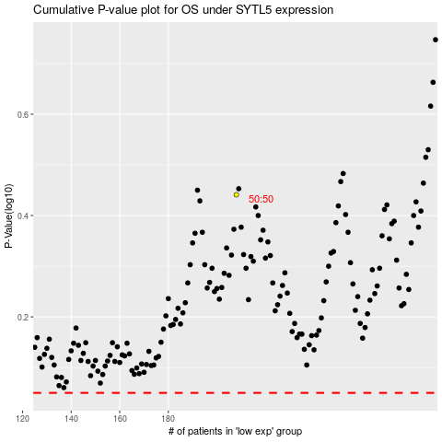

 |  |  |  |  |  | cases_OS | p_OS | rank | exp
 |  |  |  |  |  |  | cases_RFS | p_RFS | rank | exp

