TAB1 _multivariate
Reported by Tex Li-Hsing Chi. tex@gate.sinica.edu.tw 2019-08-15

Table 2. The clinicopathological features of HNSCC cohort and TAB1 expression. (Chi square test)
Cutoff at -0.332 (41.5%)
 |  | TAB1 expression |  | TAB1 expression |  | (Optimised)
 | Features | Low | (%) | High | (%) | Case no | P-value | Remark | Matthews
Gender | Female | 123 | 29.6 | 183 | 44.1 | 415 | 0.3582 | 0 | 0
2 | Male | 50 | 12 | 59 | 14.2
Age at diagnosis | <=65y | 114 | 27.5 | 160 | 38.6 | 415 | 1 | 0 | 0
4 | >65y | 59 | 14.2 | 82 | 19.8
Clinical T Status | T1+T2 | 50 | 12 | 99 | 23.9 | 415 | 0.0159 | 1 | 0
6 | T3+T4 | 123 | 29.6 | 143 | 34.5
Clinical N Status | N0 | 89 | 21.4 | 127 | 30.6 | 415 | 0.9138 | 0 | 0
8 | N1-3 | 84 | 20.2 | 115 | 27.7
Clinical M Status | M0 | 172 | 41.4 | 240 | 57.8 | 415 | 1 | 0 | 0
10 | M1 | 1 | 0.2 | 2 | 0.5
Clinical Stage | Stage I+II | 37 | 8.9 | 65 | 15.7 | 415 | 0.2457 | 0 | 0
12 | Stage III+IV | 136 | 32.8 | 177 | 42.7
Surgical Margin status | Negative | 133 | 32 | 185 | 44.6 | 415 | 1 | 0 | 0
14 | Positive | 40 | 9.6 | 57 | 13.7
Tobacco Exposure | Low | 70 | 16.9 | 91 | 21.9 | 415 | 0.6096 | 0 | 0
16 | High | 103 | 24.8 | 151 | 36.4

Table 3. Univariate/Multivariate Cox's proportional hazards regression analyses on OS time of TAB1 gene expression in HNSCC

 |  | Univariate |  |  |  | Multivariate
 | Features | HR | CI95%(L) | CI95%(H) | P-value | HR | CI95%(L) | CI95%(H) | P-value
1 | Female | 1 |  |  |  | 1
Gender | Male | 1.157 | 0.843 | 1.587 | 0.367 | 1.161 | 0.829 | 1.627 | 0.385
11 | <=65y | 1 |  |  |  | 1
Age at diagnosis | >65y | 1.329 | 0.99 | 1.784 | 0.058 | 1.402 | 1.031 | 1.905 | 0.031
12 | T1+T2 | 1 |  |  |  | 1
Clinical T Status | T3+T4 | 1.409 | 1.028 | 1.931 | 0.033 | 2.108 | 1.113 | 3.989 | 0.022
13 | N0 | 1 |  |  |  | 1
Clinical N Status | N1-3 | 1.185 | 0.89 | 1.577 | 0.246 | 1.252 | 0.878 | 1.786 | 0.214
14 | M0 | 1 |  |  |  | 1
Clinical M Status | M1 | 4.097 | 1.009 | 16.644 | 0.049 | 9.139 | 1.993 | 41.904 | 0.004
15 | Stage I+II | 1 |  |  |  | 1
Clinical Stage | Stage III+IV | 1.245 | 0.882 | 1.759 | 0.213 | 0.504 | 0.235 | 1.082 | 0.079
16 | Negative | 1 |  |  |  | 1
Surgical Margin status | Positive | 1.591 | 1.155 | 2.191 | 0.004 | 1.689 | 1.222 | 2.335 | 0.001
17 | Low | 1 |  |  |  | 1
Tobacco Exposure | High | 1.364 | 1.008 | 1.844 | 0.044 | 1.483 | 1.074 | 2.048 | 0.017
18 | Low | 1 |  |  |  | 1
RNAseq(z-score) | High | 0.745 | 0.559 | 0.994 | 0.046 | 0.749 | 0.558 | 1.005 | 0.054

Table 4. Univariate/Multivariate Cox's proportional hazards regression analyses on RFS time of TAB1 gene expression in HNSCC

 |  | Univariate |  |  |  | Multivariate
 | Features | HR | CI95%(L) | CI95%(H) | P-value | HR | CI95%(L) | CI95%(H) | P-value
1 | Female | 1 |  |  |  | 1
Gender | Male | 1.157 | 0.843 | 1.587 | 0.367 | 1.161 | 0.829 | 1.627 | 0.385
11 | <=65y | 1 |  |  |  | 1
Age at diagnosis | >65y | 1.329 | 0.99 | 1.784 | 0.058 | 1.402 | 1.031 | 1.905 | 0.031
12 | T1+T2 | 1 |  |  |  | 1
Clinical T Status | T3+T4 | 1.409 | 1.028 | 1.931 | 0.033 | 2.108 | 1.113 | 3.989 | 0.022
13 | N0 | 1 |  |  |  | 1
Clinical N Status | N1-3 | 1.185 | 0.89 | 1.577 | 0.246 | 1.252 | 0.878 | 1.786 | 0.214
14 | M0 | 1 |  |  |  | 1
Clinical M Status | M1 | 4.097 | 1.009 | 16.644 | 0.049 | 9.139 | 1.993 | 41.904 | 0.004
15 | Stage I+II | 1 |  |  |  | 1
Clinical Stage | Stage III+IV | 1.245 | 0.882 | 1.759 | 0.213 | 0.504 | 0.235 | 1.082 | 0.079
16 | Negative | 1 |  |  |  | 1
Surgical Margin status | Positive | 1.591 | 1.155 | 2.191 | 0.004 | 1.689 | 1.222 | 2.335 | 0.001
17 | Low | 1 |  |  |  | 1
Tobacco Exposure | High | 1.364 | 1.008 | 1.844 | 0.044 | 1.483 | 1.074 | 2.048 | 0.017
18 | Low | 1 |  |  |  | 1
RNAseq(z-score) | High | 0.745 | 0.559 | 0.994 | 0.046 | 0.749 | 0.558 | 1.005 | 0.054

Kaplan-Meier survival estimate: Cutoff at -0.332 (41.5%)



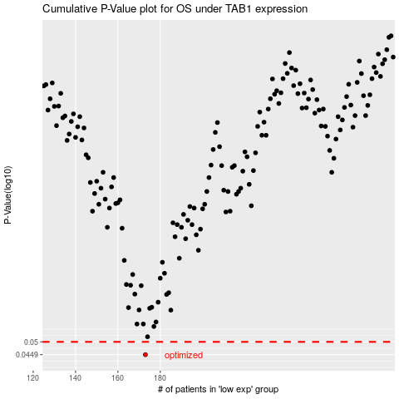

 |  |  |  |  |  | cases_OS | p_OS | rank | exp
 |  |  |  |  |  | 173 | 0.0449 | 96 | -0.33158579237
 |  |  |  |  |  |  | cases_RFS | p_RFS | rank | exp
 |  |  |  |  |  |  | 172 | 0.0449 | 385 | -0.33558380357

