TACC2 _multivariate
Reported by Tex Li-Hsing Chi. tex@gate.sinica.edu.tw 2019-08-15

Table 2. The clinicopathological features of HNSCC cohort and TACC2 expression. (Chi square test)
Cutoff at -0.258 (50.0%)
 |  | TACC2 expression |  | TACC2 expression |  | (Optimised)
 | Features | Low | (%) | High | (%) | Case no | P-value | Remark | Matthews
Gender | Female | 154 | 37.1 | 152 | 36.6 | 415 | 0.8463 | 0 | 0
2 | Male | 53 | 12.8 | 56 | 13.5
Age at diagnosis | <=65y | 130 | 31.3 | 144 | 34.7 | 415 | 0.2009 | 0 | 0
4 | >65y | 77 | 18.6 | 64 | 15.4
Clinical T Status | T1+T2 | 73 | 17.6 | 76 | 18.3 | 415 | 0.8666 | 0 | 0
6 | T3+T4 | 134 | 32.3 | 132 | 31.8
Clinical N Status | N0 | 98 | 23.6 | 118 | 28.4 | 415 | 0.0694 | 0 | 0
8 | N1-3 | 109 | 26.3 | 90 | 21.7
Clinical M Status | M0 | 206 | 49.6 | 206 | 49.6 | 415 | 1 | 0 | 0
10 | M1 | 1 | 0.2 | 2 | 0.5
Clinical Stage | Stage I+II | 49 | 11.8 | 53 | 12.8 | 415 | 0.7535 | 0 | 0
12 | Stage III+IV | 158 | 38.1 | 155 | 37.3
Surgical Margin status | Negative | 155 | 37.3 | 163 | 39.3 | 415 | 0.4187 | 0 | 0
14 | Positive | 52 | 12.5 | 45 | 10.8
Tobacco Exposure | Low | 83 | 20 | 78 | 18.8 | 415 | 0.6152 | 0 | 0
16 | High | 124 | 29.9 | 130 | 31.3

Table 3. Univariate/Multivariate Cox's proportional hazards regression analyses on OS time of TACC2 gene expression in HNSCC

 |  | Univariate |  |  |  | Multivariate
 | Features | HR | CI95%(L) | CI95%(H) | P-value | HR | CI95%(L) | CI95%(H) | P-value
1 | Female | 1 |  |  |  | 1
Gender | Male | 1.157 | 0.843 | 1.587 | 0.367 | 1.196 | 0.854 | 1.673 | 0.297
11 | <=65y | 1 |  |  |  | 1
Age at diagnosis | >65y | 1.329 | 0.99 | 1.784 | 0.058 | 1.386 | 1.019 | 1.886 | 0.038
12 | T1+T2 | 1 |  |  |  | 1
Clinical T Status | T3+T4 | 1.409 | 1.028 | 1.931 | 0.033 | 2.201 | 1.164 | 4.162 | 0.015
13 | N0 | 1 |  |  |  | 1
Clinical N Status | N1-3 | 1.185 | 0.89 | 1.577 | 0.246 | 1.235 | 0.865 | 1.764 | 0.245
14 | M0 | 1 |  |  |  | 1
Clinical M Status | M1 | 4.097 | 1.009 | 16.644 | 0.049 | 9.551 | 2.079 | 43.875 | 0.004
15 | Stage I+II | 1 |  |  |  | 1
Clinical Stage | Stage III+IV | 1.245 | 0.882 | 1.759 | 0.213 | 0.506 | 0.236 | 1.086 | 0.08
16 | Negative | 1 |  |  |  | 1
Surgical Margin status | Positive | 1.591 | 1.155 | 2.191 | 0.004 | 1.667 | 1.206 | 2.304 | 0.002
17 | Low | 1 |  |  |  | 1
Tobacco Exposure | High | 1.364 | 1.008 | 1.844 | 0.044 | 1.458 | 1.057 | 2.01 | 0.021
18 | Low | 1 |  |  |  | 1
RNAseq(z-score) | High | 0.919 | 0.69 | 1.224 | 0.565 | 0.948 | 0.708 | 1.268 | 0.718

Table 4. Univariate/Multivariate Cox's proportional hazards regression analyses on RFS time of TACC2 gene expression in HNSCC

 |  | Univariate |  |  |  | Multivariate
 | Features | HR | CI95%(L) | CI95%(H) | P-value | HR | CI95%(L) | CI95%(H) | P-value
1 | Female | 1 |  |  |  | 1
Gender | Male | 1.157 | 0.843 | 1.587 | 0.367 | 1.196 | 0.854 | 1.673 | 0.297
11 | <=65y | 1 |  |  |  | 1
Age at diagnosis | >65y | 1.329 | 0.99 | 1.784 | 0.058 | 1.386 | 1.019 | 1.886 | 0.038
12 | T1+T2 | 1 |  |  |  | 1
Clinical T Status | T3+T4 | 1.409 | 1.028 | 1.931 | 0.033 | 2.201 | 1.164 | 4.162 | 0.015
13 | N0 | 1 |  |  |  | 1
Clinical N Status | N1-3 | 1.185 | 0.89 | 1.577 | 0.246 | 1.235 | 0.865 | 1.764 | 0.245
14 | M0 | 1 |  |  |  | 1
Clinical M Status | M1 | 4.097 | 1.009 | 16.644 | 0.049 | 9.551 | 2.079 | 43.875 | 0.004
15 | Stage I+II | 1 |  |  |  | 1
Clinical Stage | Stage III+IV | 1.245 | 0.882 | 1.759 | 0.213 | 0.506 | 0.236 | 1.086 | 0.08
16 | Negative | 1 |  |  |  | 1
Surgical Margin status | Positive | 1.591 | 1.155 | 2.191 | 0.004 | 1.667 | 1.206 | 2.304 | 0.002
17 | Low | 1 |  |  |  | 1
Tobacco Exposure | High | 1.364 | 1.008 | 1.844 | 0.044 | 1.458 | 1.057 | 2.01 | 0.021
18 | Low | 1 |  |  |  | 1
RNAseq(z-score) | High | 0.919 | 0.69 | 1.224 | 0.565 | 0.948 | 0.708 | 1.268 | 0.718

Kaplan-Meier survival estimate: Cutoff at -0.258 (50.0%)



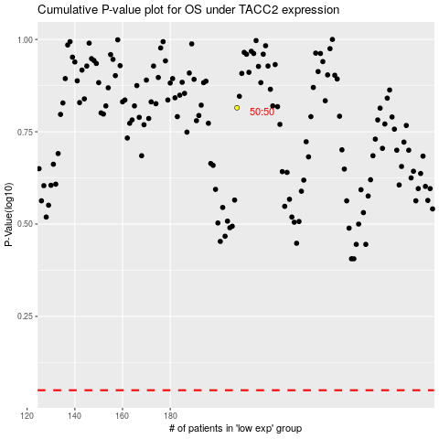

 |  |  |  |  |  | cases_OS | p_OS | rank | exp
 |  |  |  |  |  |  | cases_RFS | p_RFS | rank | exp

