TACC3 _multivariate
Reported by Tex Li-Hsing Chi. tex@gate.sinica.edu.tw 2019-08-15

Table 2. The clinicopathological features of HNSCC cohort and TACC3 expression. (Chi square test)
Cutoff at -0.149 (49.8%)
 |  | TACC3 expression |  | TACC3 expression |  | (Optimised)
 | Features | Low | (%) | High | (%) | Case no | P-value | Remark | Matthews
Gender | Female | 153 | 36.9 | 153 | 36.9 | 415 | 1 | 0 | 0
2 | Male | 54 | 13 | 55 | 13.3
Age at diagnosis | <=65y | 137 | 33 | 137 | 33 | 415 | 1 | 0 | 0
4 | >65y | 70 | 16.9 | 71 | 17.1
Clinical T Status | T1+T2 | 74 | 17.8 | 75 | 18.1 | 415 | 1 | 0 | 0
6 | T3+T4 | 133 | 32 | 133 | 32
Clinical N Status | N0 | 120 | 28.9 | 96 | 23.1 | 415 | 0.0208 | 1 | 0
8 | N1-3 | 87 | 21 | 112 | 27
Clinical M Status | M0 | 207 | 49.9 | 205 | 49.4 | 415 | 0.2482 | 0 | 0
10 | M1 | 0 | 0 | 3 | 0.7
Clinical Stage | Stage I+II | 57 | 13.7 | 45 | 10.8 | 415 | 0.1998 | 0 | 0
12 | Stage III+IV | 150 | 36.1 | 163 | 39.3
Surgical Margin status | Negative | 159 | 38.3 | 159 | 38.3 | 415 | 1 | 0 | 0
14 | Positive | 48 | 11.6 | 49 | 11.8
Tobacco Exposure | Low | 76 | 18.3 | 85 | 20.5 | 415 | 0.4207 | 0 | 0
16 | High | 131 | 31.6 | 123 | 29.6

Table 3. Univariate/Multivariate Cox's proportional hazards regression analyses on OS time of TACC3 gene expression in HNSCC

 |  | Univariate |  |  |  | Multivariate
 | Features | HR | CI95%(L) | CI95%(H) | P-value | HR | CI95%(L) | CI95%(H) | P-value
1 | Female | 1 |  |  |  | 1
Gender | Male | 1.157 | 0.843 | 1.587 | 0.367 | 1.203 | 0.861 | 1.682 | 0.279
11 | <=65y | 1 |  |  |  | 1
Age at diagnosis | >65y | 1.329 | 0.99 | 1.784 | 0.058 | 1.383 | 1.016 | 1.881 | 0.039
12 | T1+T2 | 1 |  |  |  | 1
Clinical T Status | T3+T4 | 1.409 | 1.028 | 1.931 | 0.033 | 2.225 | 1.176 | 4.212 | 0.014
13 | N0 | 1 |  |  |  | 1
Clinical N Status | N1-3 | 1.185 | 0.89 | 1.577 | 0.246 | 1.23 | 0.861 | 1.758 | 0.255
14 | M0 | 1 |  |  |  | 1
Clinical M Status | M1 | 4.097 | 1.009 | 16.644 | 0.049 | 9.166 | 1.993 | 42.145 | 0.004
15 | Stage I+II | 1 |  |  |  | 1
Clinical Stage | Stage III+IV | 1.245 | 0.882 | 1.759 | 0.213 | 0.502 | 0.234 | 1.078 | 0.077
16 | Negative | 1 |  |  |  | 1
Surgical Margin status | Positive | 1.591 | 1.155 | 2.191 | 0.004 | 1.665 | 1.205 | 2.301 | 0.002
17 | Low | 1 |  |  |  | 1
Tobacco Exposure | High | 1.364 | 1.008 | 1.844 | 0.044 | 1.458 | 1.058 | 2.01 | 0.021
18 | Low | 1 |  |  |  | 1
RNAseq(z-score) | High | 1.111 | 0.834 | 1.48 | 0.473 | 1.08 | 0.806 | 1.446 | 0.607

Table 4. Univariate/Multivariate Cox's proportional hazards regression analyses on RFS time of TACC3 gene expression in HNSCC

 |  | Univariate |  |  |  | Multivariate
 | Features | HR | CI95%(L) | CI95%(H) | P-value | HR | CI95%(L) | CI95%(H) | P-value
1 | Female | 1 |  |  |  | 1
Gender | Male | 1.157 | 0.843 | 1.587 | 0.367 | 1.203 | 0.861 | 1.682 | 0.279
11 | <=65y | 1 |  |  |  | 1
Age at diagnosis | >65y | 1.329 | 0.99 | 1.784 | 0.058 | 1.383 | 1.016 | 1.881 | 0.039
12 | T1+T2 | 1 |  |  |  | 1
Clinical T Status | T3+T4 | 1.409 | 1.028 | 1.931 | 0.033 | 2.225 | 1.176 | 4.212 | 0.014
13 | N0 | 1 |  |  |  | 1
Clinical N Status | N1-3 | 1.185 | 0.89 | 1.577 | 0.246 | 1.23 | 0.861 | 1.758 | 0.255
14 | M0 | 1 |  |  |  | 1
Clinical M Status | M1 | 4.097 | 1.009 | 16.644 | 0.049 | 9.166 | 1.993 | 42.145 | 0.004
15 | Stage I+II | 1 |  |  |  | 1
Clinical Stage | Stage III+IV | 1.245 | 0.882 | 1.759 | 0.213 | 0.502 | 0.234 | 1.078 | 0.077
16 | Negative | 1 |  |  |  | 1
Surgical Margin status | Positive | 1.591 | 1.155 | 2.191 | 0.004 | 1.665 | 1.205 | 2.301 | 0.002
17 | Low | 1 |  |  |  | 1
Tobacco Exposure | High | 1.364 | 1.008 | 1.844 | 0.044 | 1.458 | 1.058 | 2.01 | 0.021
18 | Low | 1 |  |  |  | 1
RNAseq(z-score) | High | 1.111 | 0.834 | 1.48 | 0.473 | 1.08 | 0.806 | 1.446 | 0.607

Kaplan-Meier survival estimate: Cutoff at -0.149 (49.8%)



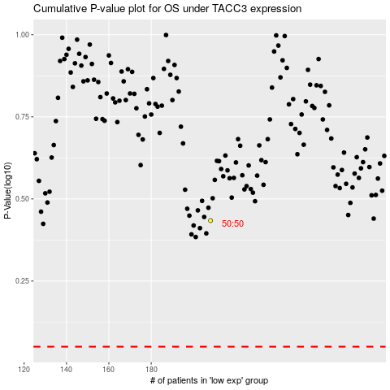

 |  |  |  |  |  | cases_OS | p_OS | rank | exp
 |  |  |  |  |  |  | cases_RFS | p_RFS | rank | exp

