TACSTD2 _multivariate
Reported by Tex Li-Hsing Chi. tex@gate.sinica.edu.tw 2019-08-15

Table 2. The clinicopathological features of HNSCC cohort and TACSTD2 expression. (Chi square test)
Cutoff at -0.25 (57.7%)
 |  | TACSTD2 expression |  | TACSTD2 expression |  | (Optimised)
 | Features | Low | (%) | High | (%) | Case no | P-value | Remark | Matthews
Gender | Female | 172 | 41.4 | 134 | 32.3 | 415 | 0.4003 | 0 | 0
2 | Male | 67 | 16.1 | 42 | 10.1
Age at diagnosis | <=65y | 152 | 36.6 | 122 | 29.4 | 415 | 0.2666 | 0 | 0
4 | >65y | 87 | 21 | 54 | 13
Clinical T Status | T1+T2 | 88 | 21.2 | 61 | 14.7 | 415 | 0.7263 | 0 | 0
6 | T3+T4 | 151 | 36.4 | 115 | 27.7
Clinical N Status | N0 | 123 | 29.6 | 93 | 22.4 | 415 | 0.8587 | 0 | 0
8 | N1-3 | 116 | 28 | 83 | 20
Clinical M Status | M0 | 238 | 57.3 | 174 | 41.9 | 415 | 0.5767 | 0 | 0
10 | M1 | 1 | 0.2 | 2 | 0.5
Clinical Stage | Stage I+II | 63 | 15.2 | 39 | 9.4 | 415 | 0.386 | 0 | 0
12 | Stage III+IV | 176 | 42.4 | 137 | 33
Surgical Margin status | Negative | 181 | 43.6 | 137 | 33 | 415 | 0.6404 | 0 | 0
14 | Positive | 58 | 14 | 39 | 9.4
Tobacco Exposure | Low | 92 | 22.2 | 69 | 16.6 | 415 | 0.919 | 0 | 0
16 | High | 147 | 35.4 | 107 | 25.8

Table 3. Univariate/Multivariate Cox's proportional hazards regression analyses on OS time of TACSTD2 gene expression in HNSCC

 |  | Univariate |  |  |  | Multivariate
 | Features | HR | CI95%(L) | CI95%(H) | P-value | HR | CI95%(L) | CI95%(H) | P-value
1 | Female | 1 |  |  |  | 1
Gender | Male | 1.157 | 0.843 | 1.587 | 0.367 | 1.182 | 0.844 | 1.654 | 0.33
11 | <=65y | 1 |  |  |  | 1
Age at diagnosis | >65y | 1.329 | 0.99 | 1.784 | 0.058 | 1.367 | 1.004 | 1.861 | 0.047
12 | T1+T2 | 1 |  |  |  | 1
Clinical T Status | T3+T4 | 1.409 | 1.028 | 1.931 | 0.033 | 2.152 | 1.138 | 4.072 | 0.018
13 | N0 | 1 |  |  |  | 1
Clinical N Status | N1-3 | 1.185 | 0.89 | 1.577 | 0.246 | 1.225 | 0.858 | 1.749 | 0.263
14 | M0 | 1 |  |  |  | 1
Clinical M Status | M1 | 4.097 | 1.009 | 16.644 | 0.049 | 9.508 | 2.074 | 43.584 | 0.004
15 | Stage I+II | 1 |  |  |  | 1
Clinical Stage | Stage III+IV | 1.245 | 0.882 | 1.759 | 0.213 | 0.531 | 0.247 | 1.142 | 0.105
16 | Negative | 1 |  |  |  | 1
Surgical Margin status | Positive | 1.591 | 1.155 | 2.191 | 0.004 | 1.632 | 1.18 | 2.257 | 0.003
17 | Low | 1 |  |  |  | 1
Tobacco Exposure | High | 1.364 | 1.008 | 1.844 | 0.044 | 1.461 | 1.06 | 2.014 | 0.021
18 | Low | 1 |  |  |  | 1
RNAseq(z-score) | High | 0.739 | 0.549 | 0.993 | 0.045 | 0.777 | 0.576 | 1.049 | 0.1

Table 4. Univariate/Multivariate Cox's proportional hazards regression analyses on RFS time of TACSTD2 gene expression in HNSCC

 |  | Univariate |  |  |  | Multivariate
 | Features | HR | CI95%(L) | CI95%(H) | P-value | HR | CI95%(L) | CI95%(H) | P-value
1 | Female | 1 |  |  |  | 1
Gender | Male | 1.157 | 0.843 | 1.587 | 0.367 | 1.182 | 0.844 | 1.654 | 0.33
11 | <=65y | 1 |  |  |  | 1
Age at diagnosis | >65y | 1.329 | 0.99 | 1.784 | 0.058 | 1.367 | 1.004 | 1.861 | 0.047
12 | T1+T2 | 1 |  |  |  | 1
Clinical T Status | T3+T4 | 1.409 | 1.028 | 1.931 | 0.033 | 2.152 | 1.138 | 4.072 | 0.018
13 | N0 | 1 |  |  |  | 1
Clinical N Status | N1-3 | 1.185 | 0.89 | 1.577 | 0.246 | 1.225 | 0.858 | 1.749 | 0.263
14 | M0 | 1 |  |  |  | 1
Clinical M Status | M1 | 4.097 | 1.009 | 16.644 | 0.049 | 9.508 | 2.074 | 43.584 | 0.004
15 | Stage I+II | 1 |  |  |  | 1
Clinical Stage | Stage III+IV | 1.245 | 0.882 | 1.759 | 0.213 | 0.531 | 0.247 | 1.142 | 0.105
16 | Negative | 1 |  |  |  | 1
Surgical Margin status | Positive | 1.591 | 1.155 | 2.191 | 0.004 | 1.632 | 1.18 | 2.257 | 0.003
17 | Low | 1 |  |  |  | 1
Tobacco Exposure | High | 1.364 | 1.008 | 1.844 | 0.044 | 1.461 | 1.06 | 2.014 | 0.021
18 | Low | 1 |  |  |  | 1
RNAseq(z-score) | High | 0.739 | 0.549 | 0.993 | 0.045 | 0.777 | 0.576 | 1.049 | 0.1

Kaplan-Meier survival estimate: Cutoff at -0.25 (57.7%)



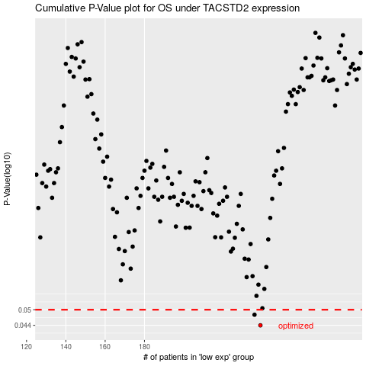

 |  |  |  |  |  | cases_OS | p_OS | rank | exp
 |  |  |  |  |  | 239 | 0.044 | 341 | -0.25018537019
 |  |  |  |  |  | 236 | 0.048 | 337 | -0.26412016556
 |  |  |  |  |  |  | cases_RFS | p_RFS | rank | exp
 |  |  |  |  |  |  | 238 | 0.044 | 216 | -0.25307600626
 |  |  |  |  |  |  | 235 | 0.048 | 239 | -0.26565566156

