TADA1 _multivariate
Reported by Tex Li-Hsing Chi. tex@gate.sinica.edu.tw 2019-08-15

Table 2. The clinicopathological features of HNSCC cohort and TADA1 expression. (Chi square test)
Cutoff at -0.018 (64.7%)
 |  | TADA1 expression |  | TADA1 expression |  | (Optimised)
 | Features | Low | (%) | High | (%) | Case no | P-value | Remark | Matthews
Gender | Female | 196 | 47.2 | 110 | 26.5 | 415 | 0.6662 | 0 | 0
2 | Male | 73 | 17.6 | 36 | 8.7
Age at diagnosis | <=65y | 169 | 40.7 | 105 | 25.3 | 415 | 0.0786 | 0 | 0
4 | >65y | 100 | 24.1 | 41 | 9.9
Clinical T Status | T1+T2 | 101 | 24.3 | 48 | 11.6 | 415 | 0.401 | 0 | 0
6 | T3+T4 | 168 | 40.5 | 98 | 23.6
Clinical N Status | N0 | 143 | 34.5 | 73 | 17.6 | 415 | 0.6084 | 0 | 0
8 | N1-3 | 126 | 30.4 | 73 | 17.6
Clinical M Status | M0 | 266 | 64.1 | 146 | 35.2 | 415 | 0.555 | 0 | 0
10 | M1 | 3 | 0.7 | 0 | 0
Clinical Stage | Stage I+II | 73 | 17.6 | 29 | 7 | 415 | 0.1274 | 0 | 0
12 | Stage III+IV | 196 | 47.2 | 117 | 28.2
Surgical Margin status | Negative | 213 | 51.3 | 105 | 25.3 | 415 | 0.1141 | 0 | 0
14 | Positive | 56 | 13.5 | 41 | 9.9
Tobacco Exposure | Low | 113 | 27.2 | 48 | 11.6 | 415 | 0.0736 | 0 | 0
16 | High | 156 | 37.6 | 98 | 23.6

Table 3. Univariate/Multivariate Cox's proportional hazards regression analyses on OS time of TADA1 gene expression in HNSCC

 |  | Univariate |  |  |  | Multivariate
 | Features | HR | CI95%(L) | CI95%(H) | P-value | HR | CI95%(L) | CI95%(H) | P-value
1 | Female | 1 |  |  |  | 1
Gender | Male | 1.157 | 0.843 | 1.587 | 0.367 | 1.194 | 0.853 | 1.671 | 0.3
11 | <=65y | 1 |  |  |  | 1
Age at diagnosis | >65y | 1.329 | 0.99 | 1.784 | 0.058 | 1.347 | 0.99 | 1.833 | 0.058
12 | T1+T2 | 1 |  |  |  | 1
Clinical T Status | T3+T4 | 1.409 | 1.028 | 1.931 | 0.033 | 2.159 | 1.142 | 4.081 | 0.018
13 | N0 | 1 |  |  |  | 1
Clinical N Status | N1-3 | 1.185 | 0.89 | 1.577 | 0.246 | 1.249 | 0.876 | 1.781 | 0.219
14 | M0 | 1 |  |  |  | 1
Clinical M Status | M1 | 4.097 | 1.009 | 16.644 | 0.049 | 8.134 | 1.767 | 37.44 | 0.007
15 | Stage I+II | 1 |  |  |  | 1
Clinical Stage | Stage III+IV | 1.245 | 0.882 | 1.759 | 0.213 | 0.53 | 0.247 | 1.139 | 0.104
16 | Negative | 1 |  |  |  | 1
Surgical Margin status | Positive | 1.591 | 1.155 | 2.191 | 0.004 | 1.725 | 1.249 | 2.384 | 0.001
17 | Low | 1 |  |  |  | 1
Tobacco Exposure | High | 1.364 | 1.008 | 1.844 | 0.044 | 1.484 | 1.076 | 2.048 | 0.016
18 | Low | 1 |  |  |  | 1
RNAseq(z-score) | High | 0.734 | 0.54 | 0.998 | 0.049 | 0.711 | 0.52 | 0.972 | 0.033

Table 4. Univariate/Multivariate Cox's proportional hazards regression analyses on RFS time of TADA1 gene expression in HNSCC

 |  | Univariate |  |  |  | Multivariate
 | Features | HR | CI95%(L) | CI95%(H) | P-value | HR | CI95%(L) | CI95%(H) | P-value
1 | Female | 1 |  |  |  | 1
Gender | Male | 1.157 | 0.843 | 1.587 | 0.367 | 1.194 | 0.853 | 1.671 | 0.3
11 | <=65y | 1 |  |  |  | 1
Age at diagnosis | >65y | 1.329 | 0.99 | 1.784 | 0.058 | 1.347 | 0.99 | 1.833 | 0.058
12 | T1+T2 | 1 |  |  |  | 1
Clinical T Status | T3+T4 | 1.409 | 1.028 | 1.931 | 0.033 | 2.159 | 1.142 | 4.081 | 0.018
13 | N0 | 1 |  |  |  | 1
Clinical N Status | N1-3 | 1.185 | 0.89 | 1.577 | 0.246 | 1.249 | 0.876 | 1.781 | 0.219
14 | M0 | 1 |  |  |  | 1
Clinical M Status | M1 | 4.097 | 1.009 | 16.644 | 0.049 | 8.134 | 1.767 | 37.44 | 0.007
15 | Stage I+II | 1 |  |  |  | 1
Clinical Stage | Stage III+IV | 1.245 | 0.882 | 1.759 | 0.213 | 0.53 | 0.247 | 1.139 | 0.104
16 | Negative | 1 |  |  |  | 1
Surgical Margin status | Positive | 1.591 | 1.155 | 2.191 | 0.004 | 1.725 | 1.249 | 2.384 | 0.001
17 | Low | 1 |  |  |  | 1
Tobacco Exposure | High | 1.364 | 1.008 | 1.844 | 0.044 | 1.484 | 1.076 | 2.048 | 0.016
18 | Low | 1 |  |  |  | 1
RNAseq(z-score) | High | 0.734 | 0.54 | 0.998 | 0.049 | 0.711 | 0.52 | 0.972 | 0.033

Kaplan-Meier survival estimate: Cutoff at -0.018 (64.7%)



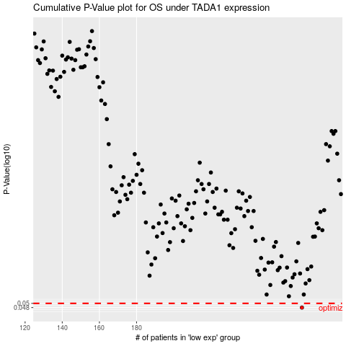

 |  |  |  |  |  | cases_OS | p_OS | rank | exp
 |  |  |  |  |  | 269 | 0.048 | 294 | -0.017934139401
 |  |  |  |  |  |  | cases_RFS | p_RFS | rank | exp
 |  |  |  |  |  |  | 268 | 0.048 | 108 | -0.022141833146

