TADA2B _multivariate
Reported by Tex Li-Hsing Chi. tex@gate.sinica.edu.tw 2019-08-15

Table 2. The clinicopathological features of HNSCC cohort and TADA2B expression. (Chi square test)
Cutoff at -0.16 (50.0%)
 |  | TADA2B expression |  | TADA2B expression |  | (Optimised)
 | Features | Low | (%) | High | (%) | Case no | P-value | Remark | Matthews
Gender | Female | 162 | 39 | 144 | 34.7 | 415 | 0.0479 | 1 | 0
2 | Male | 45 | 10.8 | 64 | 15.4
Age at diagnosis | <=65y | 142 | 34.2 | 132 | 31.8 | 415 | 0.3167 | 0 | 0
4 | >65y | 65 | 15.7 | 76 | 18.3
Clinical T Status | T1+T2 | 68 | 16.4 | 81 | 19.5 | 415 | 0.2336 | 0 | 0
6 | T3+T4 | 139 | 33.5 | 127 | 30.6
Clinical N Status | N0 | 97 | 23.4 | 119 | 28.7 | 415 | 0.0442 | 1 | 0
8 | N1-3 | 110 | 26.5 | 89 | 21.4
Clinical M Status | M0 | 206 | 49.6 | 206 | 49.6 | 415 | 1 | 0 | 0
10 | M1 | 1 | 0.2 | 2 | 0.5
Clinical Stage | Stage I+II | 41 | 9.9 | 61 | 14.7 | 415 | 0.0325 | 1 | 0
12 | Stage III+IV | 166 | 40 | 147 | 35.4
Surgical Margin status | Negative | 155 | 37.3 | 163 | 39.3 | 415 | 0.4187 | 0 | 0
14 | Positive | 52 | 12.5 | 45 | 10.8
Tobacco Exposure | Low | 60 | 14.5 | 101 | 24.3 | 415 | 1e-04 | 1 | 0
16 | High | 147 | 35.4 | 107 | 25.8

Table 3. Univariate/Multivariate Cox's proportional hazards regression analyses on OS time of TADA2B gene expression in HNSCC

 |  | Univariate |  |  |  | Multivariate
 | Features | HR | CI95%(L) | CI95%(H) | P-value | HR | CI95%(L) | CI95%(H) | P-value
1 | Female | 1 |  |  |  | 1
Gender | Male | 1.157 | 0.843 | 1.587 | 0.367 | 1.201 | 0.859 | 1.679 | 0.285
11 | <=65y | 1 |  |  |  | 1
Age at diagnosis | >65y | 1.329 | 0.99 | 1.784 | 0.058 | 1.391 | 1.023 | 1.891 | 0.035
12 | T1+T2 | 1 |  |  |  | 1
Clinical T Status | T3+T4 | 1.409 | 1.028 | 1.931 | 0.033 | 2.216 | 1.172 | 4.19 | 0.014
13 | N0 | 1 |  |  |  | 1
Clinical N Status | N1-3 | 1.185 | 0.89 | 1.577 | 0.246 | 1.227 | 0.859 | 1.753 | 0.262
14 | M0 | 1 |  |  |  | 1
Clinical M Status | M1 | 4.097 | 1.009 | 16.644 | 0.049 | 9.88 | 2.145 | 45.496 | 0.003
15 | Stage I+II | 1 |  |  |  | 1
Clinical Stage | Stage III+IV | 1.245 | 0.882 | 1.759 | 0.213 | 0.497 | 0.231 | 1.068 | 0.073
16 | Negative | 1 |  |  |  | 1
Surgical Margin status | Positive | 1.591 | 1.155 | 2.191 | 0.004 | 1.673 | 1.211 | 2.312 | 0.002
17 | Low | 1 |  |  |  | 1
Tobacco Exposure | High | 1.364 | 1.008 | 1.844 | 0.044 | 1.425 | 1.03 | 1.971 | 0.033
18 | Low | 1 |  |  |  | 1
RNAseq(z-score) | High | 0.853 | 0.64 | 1.137 | 0.277 | 0.885 | 0.659 | 1.188 | 0.416

Table 4. Univariate/Multivariate Cox's proportional hazards regression analyses on RFS time of TADA2B gene expression in HNSCC

 |  | Univariate |  |  |  | Multivariate
 | Features | HR | CI95%(L) | CI95%(H) | P-value | HR | CI95%(L) | CI95%(H) | P-value
1 | Female | 1 |  |  |  | 1
Gender | Male | 1.157 | 0.843 | 1.587 | 0.367 | 1.201 | 0.859 | 1.679 | 0.285
11 | <=65y | 1 |  |  |  | 1
Age at diagnosis | >65y | 1.329 | 0.99 | 1.784 | 0.058 | 1.391 | 1.023 | 1.891 | 0.035
12 | T1+T2 | 1 |  |  |  | 1
Clinical T Status | T3+T4 | 1.409 | 1.028 | 1.931 | 0.033 | 2.216 | 1.172 | 4.19 | 0.014
13 | N0 | 1 |  |  |  | 1
Clinical N Status | N1-3 | 1.185 | 0.89 | 1.577 | 0.246 | 1.227 | 0.859 | 1.753 | 0.262
14 | M0 | 1 |  |  |  | 1
Clinical M Status | M1 | 4.097 | 1.009 | 16.644 | 0.049 | 9.88 | 2.145 | 45.496 | 0.003
15 | Stage I+II | 1 |  |  |  | 1
Clinical Stage | Stage III+IV | 1.245 | 0.882 | 1.759 | 0.213 | 0.497 | 0.231 | 1.068 | 0.073
16 | Negative | 1 |  |  |  | 1
Surgical Margin status | Positive | 1.591 | 1.155 | 2.191 | 0.004 | 1.673 | 1.211 | 2.312 | 0.002
17 | Low | 1 |  |  |  | 1
Tobacco Exposure | High | 1.364 | 1.008 | 1.844 | 0.044 | 1.425 | 1.03 | 1.971 | 0.033
18 | Low | 1 |  |  |  | 1
RNAseq(z-score) | High | 0.853 | 0.64 | 1.137 | 0.277 | 0.885 | 0.659 | 1.188 | 0.416

Kaplan-Meier survival estimate: Cutoff at -0.16 (50.0%)



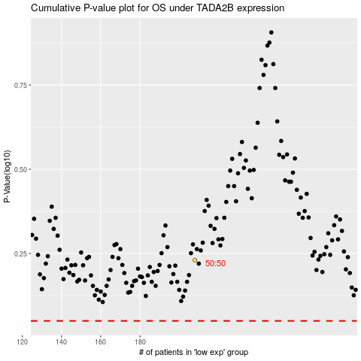

 |  |  |  |  |  | cases_OS | p_OS | rank | exp
 |  |  |  |  |  |  | cases_RFS | p_RFS | rank | exp

