TAF10 _multivariate
Reported by Tex Li-Hsing Chi. tex@gate.sinica.edu.tw 2019-08-15

Table 2. The clinicopathological features of HNSCC cohort and TAF10 expression. (Chi square test)
Cutoff at -0.003 (63.0%)
 |  | TAF10 expression |  | TAF10 expression |  | (Optimised)
 | Features | Low | (%) | High | (%) | Case no | P-value | Remark | Matthews
Gender | Female | 193 | 46.5 | 113 | 27.2 | 415 | 1 | 0 | 0
2 | Male | 69 | 16.6 | 40 | 9.6
Age at diagnosis | <=65y | 177 | 42.7 | 97 | 23.4 | 415 | 0.4499 | 0 | 0
4 | >65y | 85 | 20.5 | 56 | 13.5
Clinical T Status | T1+T2 | 98 | 23.6 | 51 | 12.3 | 415 | 0.4666 | 0 | 0
6 | T3+T4 | 164 | 39.5 | 102 | 24.6
Clinical N Status | N0 | 137 | 33 | 79 | 19 | 415 | 0.9783 | 0 | 0
8 | N1-3 | 125 | 30.1 | 74 | 17.8
Clinical M Status | M0 | 260 | 62.7 | 152 | 36.6 | 415 | 1 | 0 | 0
10 | M1 | 2 | 0.5 | 1 | 0.2
Clinical Stage | Stage I+II | 65 | 15.7 | 37 | 8.9 | 415 | 0.9802 | 0 | 0
12 | Stage III+IV | 197 | 47.5 | 116 | 28
Surgical Margin status | Negative | 209 | 50.4 | 109 | 26.3 | 415 | 0.0546 | 0 | 0
14 | Positive | 53 | 12.8 | 44 | 10.6
Tobacco Exposure | Low | 98 | 23.6 | 63 | 15.2 | 415 | 0.466 | 0 | 0
16 | High | 164 | 39.5 | 90 | 21.7

Table 3. Univariate/Multivariate Cox's proportional hazards regression analyses on OS time of TAF10 gene expression in HNSCC

 |  | Univariate |  |  |  | Multivariate
 | Features | HR | CI95%(L) | CI95%(H) | P-value | HR | CI95%(L) | CI95%(H) | P-value
1 | Female | 1 |  |  |  | 1
Gender | Male | 1.157 | 0.843 | 1.587 | 0.367 | 1.186 | 0.848 | 1.658 | 0.318
11 | <=65y | 1 |  |  |  | 1
Age at diagnosis | >65y | 1.329 | 0.99 | 1.784 | 0.058 | 1.396 | 1.028 | 1.896 | 0.033
12 | T1+T2 | 1 |  |  |  | 1
Clinical T Status | T3+T4 | 1.409 | 1.028 | 1.931 | 0.033 | 2.103 | 1.11 | 3.983 | 0.023
13 | N0 | 1 |  |  |  | 1
Clinical N Status | N1-3 | 1.185 | 0.89 | 1.577 | 0.246 | 1.237 | 0.867 | 1.766 | 0.24
14 | M0 | 1 |  |  |  | 1
Clinical M Status | M1 | 4.097 | 1.009 | 16.644 | 0.049 | 8.856 | 1.928 | 40.671 | 0.005
15 | Stage I+II | 1 |  |  |  | 1
Clinical Stage | Stage III+IV | 1.245 | 0.882 | 1.759 | 0.213 | 0.526 | 0.245 | 1.13 | 0.1
16 | Negative | 1 |  |  |  | 1
Surgical Margin status | Positive | 1.591 | 1.155 | 2.191 | 0.004 | 1.578 | 1.135 | 2.193 | 0.007
17 | Low | 1 |  |  |  | 1
Tobacco Exposure | High | 1.364 | 1.008 | 1.844 | 0.044 | 1.46 | 1.06 | 2.012 | 0.021
18 | Low | 1 |  |  |  | 1
RNAseq(z-score) | High | 1.446 | 1.081 | 1.933 | 0.013 | 1.311 | 0.973 | 1.766 | 0.075

Table 4. Univariate/Multivariate Cox's proportional hazards regression analyses on RFS time of TAF10 gene expression in HNSCC

 |  | Univariate |  |  |  | Multivariate
 | Features | HR | CI95%(L) | CI95%(H) | P-value | HR | CI95%(L) | CI95%(H) | P-value
1 | Female | 1 |  |  |  | 1
Gender | Male | 1.157 | 0.843 | 1.587 | 0.367 | 1.186 | 0.848 | 1.658 | 0.318
11 | <=65y | 1 |  |  |  | 1
Age at diagnosis | >65y | 1.329 | 0.99 | 1.784 | 0.058 | 1.396 | 1.028 | 1.896 | 0.033
12 | T1+T2 | 1 |  |  |  | 1
Clinical T Status | T3+T4 | 1.409 | 1.028 | 1.931 | 0.033 | 2.103 | 1.11 | 3.983 | 0.023
13 | N0 | 1 |  |  |  | 1
Clinical N Status | N1-3 | 1.185 | 0.89 | 1.577 | 0.246 | 1.237 | 0.867 | 1.766 | 0.24
14 | M0 | 1 |  |  |  | 1
Clinical M Status | M1 | 4.097 | 1.009 | 16.644 | 0.049 | 8.856 | 1.928 | 40.671 | 0.005
15 | Stage I+II | 1 |  |  |  | 1
Clinical Stage | Stage III+IV | 1.245 | 0.882 | 1.759 | 0.213 | 0.526 | 0.245 | 1.13 | 0.1
16 | Negative | 1 |  |  |  | 1
Surgical Margin status | Positive | 1.591 | 1.155 | 2.191 | 0.004 | 1.578 | 1.135 | 2.193 | 0.007
17 | Low | 1 |  |  |  | 1
Tobacco Exposure | High | 1.364 | 1.008 | 1.844 | 0.044 | 1.46 | 1.06 | 2.012 | 0.021
18 | Low | 1 |  |  |  | 1
RNAseq(z-score) | High | 1.446 | 1.081 | 1.933 | 0.013 | 1.311 | 0.973 | 1.766 | 0.075

Kaplan-Meier survival estimate: Cutoff at -0.003 (63.0%)

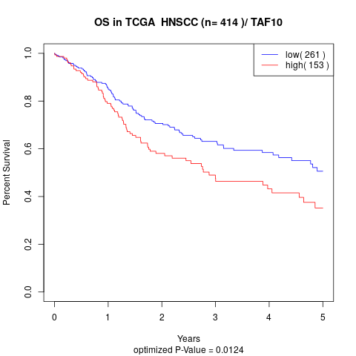

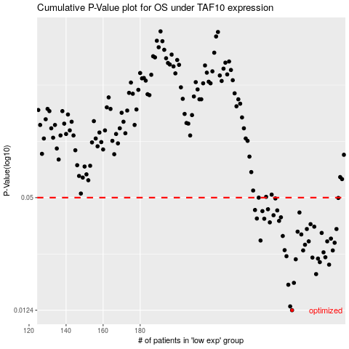

 |  |  |  |  |  | cases_OS | p_OS | rank | exp
 |  |  |  |  |  | 262 | 0.0124 | 69 | -0.0034686313778
 |  |  |  |  |  | 261 | 0.013 | 259 | -0.018526966518
 |  |  |  |  |  | 260 | 0.017 | 84 | -0.02186404726
 |  |  |  |  |  | 263 | 0.0174 | 284 | 0.00026383084261
 |  |  |  |  |  | 275 | 0.0194 | 118 | 0.060498952403
 |  |  |  |  |  | 282 | 0.0218 | 58 | 0.084255171215
 |  |  |  |  |  | 277 | 0.0225 | 214 | 0.068246037757
 |  |  |  |  |  | 264 | 0.0233 | 148 | 0.010841430321
 |  |  |  |  |  | 276 | 0.0235 | 391 | 0.060532028074
 |  |  |  |  |  | 273 | 0.0238 | 115 | 0.057637398034
 |  |  |  |  |  | 280 | 0.0239 | 209 | 0.077887850184
 |  |  |  |  |  | 259 | 0.0242 | 111 | -0.026348599346
 |  |  |  |  |  | 279 | 0.0254 | 304 | 0.074063793799
 |  |  |  |  |  | 268 | 0.026 | 243 | 0.031347073992
 |  |  |  |  |  | 284 | 0.026 | 256 | 0.094282187992
 |  |  |  |  |  | 258 | 0.0261 | 246 | -0.026832267422
 |  |  |  |  |  | 269 | 0.0279 | 371 | 0.032415418155
 |  |  |  |  |  | 285 | 0.0286 | 251 | 0.10318335982
 |  |  |  |  |  | 281 | 0.0291 | 149 | 0.082235011023
 |  |  |  |  |  | 271 | 0.0291 | 249 | 0.040405736902
 |  |  |  |  |  | 245 | 0.0294 | 274 | -0.11289109164
 |  |  |  |  |  | 283 | 0.0301 | 386 | 0.091243297142
 |  |  |  |  |  | 257 | 0.0311 | 311 | -0.030946371997
 |  |  |  |  |  | 267 | 0.0317 | 178 | 0.026293111514
 |  |  |  |  |  | 278 | 0.0323 | 89 | 0.072437997372
 |  |  |  |  |  | 265 | 0.0328 | 77 | 0.022203940907
 |  |  |  |  |  | 270 | 0.0339 | 383 | 0.038486330291
 |  |  |  |  |  | 286 | 0.0339 | 398 | 0.10558516237
 |  |  |  |  |  | 274 | 0.0349 | 182 | 0.059707171733
 |  |  |  |  |  | 272 | 0.036 | 362 | 0.045086707586
 |  |  |  |  |  | 250 | 0.0368 | 394 | -0.085346690823
 |  |  |  |  |  | 255 | 0.0375 | 218 | -0.050483407374
 |  |  |  |  |  | 247 | 0.0385 | 23 | -0.11062031964
 |  |  |  |  |  | 243 | 0.0386 | 208 | -0.12315370896
 |  |  |  |  |  | 256 | 0.0392 | 327 | -0.035967258803
 |  |  |  |  |  | 252 | 0.0402 | 265 | -0.078576101038
 |  |  |  |  |  | 266 | 0.0416 | 399 | 0.026106106761
 |  |  |  |  |  | 246 | 0.0423 | 348 | -0.11078798784
 |  |  |  |  |  | 254 | 0.0427 | 408 | -0.066330470045
 |  |  |  |  |  | 242 | 0.0429 | 238 | -0.12648595557
 |  |  |  |  |  | 249 | 0.0433 | 303 | -0.089813687361
 |  |  |  |  |  | 253 | 0.0495 | 376 | -0.077741576425
 |  |  |  |  |  | 287 | 0.0498 | 373 | 0.11353070175
 |  |  |  |  |  | 244 | 0.05 | 177 | -0.11492702638
 |  |  |  |  |  |  | cases_RFS | p_RFS | rank | exp
 |  |  |  |  |  |  | 261 | 0.0124 | 259 | -0.018526966518
 |  |  |  |  |  |  | 260 | 0.013 | 84 | -0.02186404726
 |  |  |  |  |  |  | 259 | 0.017 | 111 | -0.026348599346
 |  |  |  |  |  |  | 262 | 0.0174 | 69 | -0.0034686313778
 |  |  |  |  |  |  | 274 | 0.0194 | 182 | 0.059707171733
 |  |  |  |  |  |  | 281 | 0.0218 | 149 | 0.082235011023
 |  |  |  |  |  |  | 276 | 0.0225 | 391 | 0.060532028074
 |  |  |  |  |  |  | 263 | 0.0233 | 284 | 0.00026383084261
 |  |  |  |  |  |  | 275 | 0.0235 | 118 | 0.060498952403
 |  |  |  |  |  |  | 272 | 0.0238 | 362 | 0.045086707586
 |  |  |  |  |  |  | 279 | 0.0239 | 304 | 0.074063793799
 |  |  |  |  |  |  | 258 | 0.0242 | 246 | -0.026832267422
 |  |  |  |  |  |  | 278 | 0.0254 | 89 | 0.072437997372
 |  |  |  |  |  |  | 267 | 0.026 | 178 | 0.026293111514
 |  |  |  |  |  |  | 283 | 0.026 | 386 | 0.091243297142
 |  |  |  |  |  |  | 257 | 0.0261 | 311 | -0.030946371997
 |  |  |  |  |  |  | 268 | 0.0279 | 243 | 0.031347073992
 |  |  |  |  |  |  | 284 | 0.0286 | 256 | 0.094282187992
 |  |  |  |  |  |  | 280 | 0.0291 | 209 | 0.077887850184
 |  |  |  |  |  |  | 270 | 0.0291 | 383 | 0.038486330291
 |  |  |  |  |  |  | 244 | 0.0294 | 177 | -0.11492702638
 |  |  |  |  |  |  | 282 | 0.0301 | 58 | 0.084255171215
 |  |  |  |  |  |  | 256 | 0.0311 | 327 | -0.035967258803
 |  |  |  |  |  |  | 266 | 0.0317 | 399 | 0.026106106761
 |  |  |  |  |  |  | 277 | 0.0323 | 214 | 0.068246037757
 |  |  |  |  |  |  | 264 | 0.0328 | 148 | 0.010841430321
 |  |  |  |  |  |  | 285 | 0.0339 | 251 | 0.10318335982
 |  |  |  |  |  |  | 269 | 0.0339 | 371 | 0.032415418155
 |  |  |  |  |  |  | 273 | 0.0349 | 115 | 0.057637398034
 |  |  |  |  |  |  | 271 | 0.036 | 249 | 0.040405736902
 |  |  |  |  |  |  | 249 | 0.0368 | 303 | -0.089813687361
 |  |  |  |  |  |  | 254 | 0.0375 | 408 | -0.066330470045
 |  |  |  |  |  |  | 246 | 0.0385 | 348 | -0.11078798784
 |  |  |  |  |  |  | 242 | 0.0386 | 238 | -0.12648595557
 |  |  |  |  |  |  | 255 | 0.0392 | 218 | -0.050483407374
 |  |  |  |  |  |  | 251 | 0.0402 | 106 | -0.081429259276
 |  |  |  |  |  |  | 265 | 0.0416 | 77 | 0.022203940907
 |  |  |  |  |  |  | 245 | 0.0423 | 274 | -0.11289109164
 |  |  |  |  |  |  | 253 | 0.0427 | 376 | -0.077741576425
 |  |  |  |  |  |  | 241 | 0.0429 | 49 | -0.12781127225
 |  |  |  |  |  |  | 248 | 0.0433 | 305 | -0.090757361688
 |  |  |  |  |  |  | 252 | 0.0495 | 265 | -0.078576101038
 |  |  |  |  |  |  | 286 | 0.0498 | 398 | 0.10558516237
 |  |  |  |  |  |  | 243 | 0.05 | 208 | -0.12315370896

