TAF11 _multivariate
Reported by Tex Li-Hsing Chi. tex@gate.sinica.edu.tw 2019-08-15

Table 2. The clinicopathological features of HNSCC cohort and TAF11 expression. (Chi square test)
Cutoff at -0.126 (50.0%)
 |  | TAF11 expression |  | TAF11 expression |  | (Optimised)
 | Features | Low | (%) | High | (%) | Case no | P-value | Remark | Matthews
Gender | Female | 146 | 35.2 | 160 | 38.6 | 415 | 0.1714 | 0 | 0
2 | Male | 61 | 14.7 | 48 | 11.6
Age at diagnosis | <=65y | 135 | 32.5 | 139 | 33.5 | 415 | 0.8084 | 0 | 0
4 | >65y | 72 | 17.3 | 69 | 16.6
Clinical T Status | T1+T2 | 76 | 18.3 | 73 | 17.6 | 415 | 0.8092 | 0 | 0
6 | T3+T4 | 131 | 31.6 | 135 | 32.5
Clinical N Status | N0 | 106 | 25.5 | 110 | 26.5 | 415 | 0.8075 | 0 | 0
8 | N1-3 | 101 | 24.3 | 98 | 23.6
Clinical M Status | M0 | 206 | 49.6 | 206 | 49.6 | 415 | 1 | 0 | 0
10 | M1 | 1 | 0.2 | 2 | 0.5
Clinical Stage | Stage I+II | 54 | 13 | 48 | 11.6 | 415 | 0.5498 | 0 | 0
12 | Stage III+IV | 153 | 36.9 | 160 | 38.6
Surgical Margin status | Negative | 173 | 41.7 | 145 | 34.9 | 415 | 0.0011 | 1 | 0
14 | Positive | 34 | 8.2 | 63 | 15.2
Tobacco Exposure | Low | 88 | 21.2 | 73 | 17.6 | 415 | 0.1314 | 0 | 0
16 | High | 119 | 28.7 | 135 | 32.5

Table 3. Univariate/Multivariate Cox's proportional hazards regression analyses on OS time of TAF11 gene expression in HNSCC

 |  | Univariate |  |  |  | Multivariate
 | Features | HR | CI95%(L) | CI95%(H) | P-value | HR | CI95%(L) | CI95%(H) | P-value
1 | Female | 1 |  |  |  | 1
Gender | Male | 1.157 | 0.843 | 1.587 | 0.367 | 1.199 | 0.86 | 1.673 | 0.284
11 | <=65y | 1 |  |  |  | 1
Age at diagnosis | >65y | 1.329 | 0.99 | 1.784 | 0.058 | 1.418 | 1.043 | 1.928 | 0.026
12 | T1+T2 | 1 |  |  |  | 1
Clinical T Status | T3+T4 | 1.409 | 1.028 | 1.931 | 0.033 | 2.161 | 1.143 | 4.085 | 0.018
13 | N0 | 1 |  |  |  | 1
Clinical N Status | N1-3 | 1.185 | 0.89 | 1.577 | 0.246 | 1.184 | 0.829 | 1.692 | 0.352
14 | M0 | 1 |  |  |  | 1
Clinical M Status | M1 | 4.097 | 1.009 | 16.644 | 0.049 | 10.483 | 2.281 | 48.175 | 0.003
15 | Stage I+II | 1 |  |  |  | 1
Clinical Stage | Stage III+IV | 1.245 | 0.882 | 1.759 | 0.213 | 0.537 | 0.25 | 1.154 | 0.111
16 | Negative | 1 |  |  |  | 1
Surgical Margin status | Positive | 1.591 | 1.155 | 2.191 | 0.004 | 1.825 | 1.311 | 2.54 | 0
17 | Low | 1 |  |  |  | 1
Tobacco Exposure | High | 1.364 | 1.008 | 1.844 | 0.044 | 1.478 | 1.073 | 2.036 | 0.017
18 | Low | 1 |  |  |  | 1
RNAseq(z-score) | High | 0.784 | 0.587 | 1.046 | 0.098 | 0.685 | 0.508 | 0.923 | 0.013

Table 4. Univariate/Multivariate Cox's proportional hazards regression analyses on RFS time of TAF11 gene expression in HNSCC

 |  | Univariate |  |  |  | Multivariate
 | Features | HR | CI95%(L) | CI95%(H) | P-value | HR | CI95%(L) | CI95%(H) | P-value
1 | Female | 1 |  |  |  | 1
Gender | Male | 1.157 | 0.843 | 1.587 | 0.367 | 1.199 | 0.86 | 1.673 | 0.284
11 | <=65y | 1 |  |  |  | 1
Age at diagnosis | >65y | 1.329 | 0.99 | 1.784 | 0.058 | 1.418 | 1.043 | 1.928 | 0.026
12 | T1+T2 | 1 |  |  |  | 1
Clinical T Status | T3+T4 | 1.409 | 1.028 | 1.931 | 0.033 | 2.161 | 1.143 | 4.085 | 0.018
13 | N0 | 1 |  |  |  | 1
Clinical N Status | N1-3 | 1.185 | 0.89 | 1.577 | 0.246 | 1.184 | 0.829 | 1.692 | 0.352
14 | M0 | 1 |  |  |  | 1
Clinical M Status | M1 | 4.097 | 1.009 | 16.644 | 0.049 | 10.483 | 2.281 | 48.175 | 0.003
15 | Stage I+II | 1 |  |  |  | 1
Clinical Stage | Stage III+IV | 1.245 | 0.882 | 1.759 | 0.213 | 0.537 | 0.25 | 1.154 | 0.111
16 | Negative | 1 |  |  |  | 1
Surgical Margin status | Positive | 1.591 | 1.155 | 2.191 | 0.004 | 1.825 | 1.311 | 2.54 | 0
17 | Low | 1 |  |  |  | 1
Tobacco Exposure | High | 1.364 | 1.008 | 1.844 | 0.044 | 1.478 | 1.073 | 2.036 | 0.017
18 | Low | 1 |  |  |  | 1
RNAseq(z-score) | High | 0.784 | 0.587 | 1.046 | 0.098 | 0.685 | 0.508 | 0.923 | 0.013

Kaplan-Meier survival estimate: Cutoff at -0.126 (50.0%)



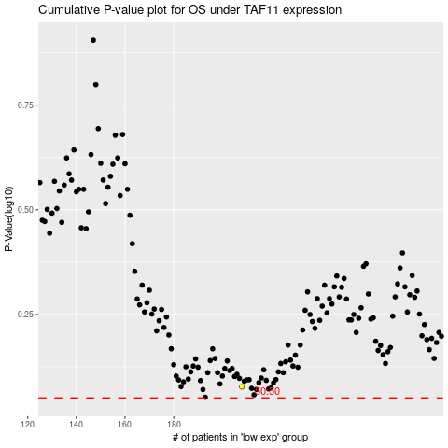

 |  |  |  |  |  | cases_OS | p_OS | rank | exp
 |  |  |  |  |  |  | cases_RFS | p_RFS | rank | exp

