TAF15 _multivariate
Reported by Tex Li-Hsing Chi. tex@gate.sinica.edu.tw 2019-08-15

Table 2. The clinicopathological features of HNSCC cohort and TAF15 expression. (Chi square test)
Cutoff at -0.208 (50.0%)
 |  | TAF15 expression |  | TAF15 expression |  | (Optimised)
 | Features | Low | (%) | High | (%) | Case no | P-value | Remark | Matthews
Gender | Female | 150 | 36.1 | 156 | 37.6 | 415 | 0.6344 | 0 | 0
2 | Male | 57 | 13.7 | 52 | 12.5
Age at diagnosis | <=65y | 138 | 33.3 | 136 | 32.8 | 415 | 0.8634 | 0 | 0
4 | >65y | 69 | 16.6 | 72 | 17.3
Clinical T Status | T1+T2 | 68 | 16.4 | 81 | 19.5 | 415 | 0.2336 | 0 | 0
6 | T3+T4 | 139 | 33.5 | 127 | 30.6
Clinical N Status | N0 | 108 | 26 | 108 | 26 | 415 | 1 | 0 | 0
8 | N1-3 | 99 | 23.9 | 100 | 24.1
Clinical M Status | M0 | 206 | 49.6 | 206 | 49.6 | 415 | 1 | 0 | 0
10 | M1 | 1 | 0.2 | 2 | 0.5
Clinical Stage | Stage I+II | 50 | 12 | 52 | 12.5 | 415 | 0.9315 | 0 | 0
12 | Stage III+IV | 157 | 37.8 | 156 | 37.6
Surgical Margin status | Negative | 171 | 41.2 | 147 | 35.4 | 415 | 0.0052 | 1 | 0
14 | Positive | 36 | 8.7 | 61 | 14.7
Tobacco Exposure | Low | 74 | 17.8 | 87 | 21 | 415 | 0.227 | 0 | 0
16 | High | 133 | 32 | 121 | 29.2

Table 3. Univariate/Multivariate Cox's proportional hazards regression analyses on OS time of TAF15 gene expression in HNSCC

 |  | Univariate |  |  |  | Multivariate
 | Features | HR | CI95%(L) | CI95%(H) | P-value | HR | CI95%(L) | CI95%(H) | P-value
1 | Female | 1 |  |  |  | 1
Gender | Male | 1.157 | 0.843 | 1.587 | 0.367 | 1.204 | 0.862 | 1.682 | 0.277
11 | <=65y | 1 |  |  |  | 1
Age at diagnosis | >65y | 1.329 | 0.99 | 1.784 | 0.058 | 1.39 | 1.023 | 1.889 | 0.035
12 | T1+T2 | 1 |  |  |  | 1
Clinical T Status | T3+T4 | 1.409 | 1.028 | 1.931 | 0.033 | 2.17 | 1.144 | 4.115 | 0.018
13 | N0 | 1 |  |  |  | 1
Clinical N Status | N1-3 | 1.185 | 0.89 | 1.577 | 0.246 | 1.239 | 0.868 | 1.767 | 0.238
14 | M0 | 1 |  |  |  | 1
Clinical M Status | M1 | 4.097 | 1.009 | 16.644 | 0.049 | 9.366 | 2.043 | 42.937 | 0.004
15 | Stage I+II | 1 |  |  |  | 1
Clinical Stage | Stage III+IV | 1.245 | 0.882 | 1.759 | 0.213 | 0.512 | 0.238 | 1.103 | 0.087
16 | Negative | 1 |  |  |  | 1
Surgical Margin status | Positive | 1.591 | 1.155 | 2.191 | 0.004 | 1.691 | 1.219 | 2.344 | 0.002
17 | Low | 1 |  |  |  | 1
Tobacco Exposure | High | 1.364 | 1.008 | 1.844 | 0.044 | 1.454 | 1.055 | 2.004 | 0.022
18 | Low | 1 |  |  |  | 1
RNAseq(z-score) | High | 0.959 | 0.718 | 1.279 | 0.774 | 0.931 | 0.694 | 1.249 | 0.634

Table 4. Univariate/Multivariate Cox's proportional hazards regression analyses on RFS time of TAF15 gene expression in HNSCC

 |  | Univariate |  |  |  | Multivariate
 | Features | HR | CI95%(L) | CI95%(H) | P-value | HR | CI95%(L) | CI95%(H) | P-value
1 | Female | 1 |  |  |  | 1
Gender | Male | 1.157 | 0.843 | 1.587 | 0.367 | 1.204 | 0.862 | 1.682 | 0.277
11 | <=65y | 1 |  |  |  | 1
Age at diagnosis | >65y | 1.329 | 0.99 | 1.784 | 0.058 | 1.39 | 1.023 | 1.889 | 0.035
12 | T1+T2 | 1 |  |  |  | 1
Clinical T Status | T3+T4 | 1.409 | 1.028 | 1.931 | 0.033 | 2.17 | 1.144 | 4.115 | 0.018
13 | N0 | 1 |  |  |  | 1
Clinical N Status | N1-3 | 1.185 | 0.89 | 1.577 | 0.246 | 1.239 | 0.868 | 1.767 | 0.238
14 | M0 | 1 |  |  |  | 1
Clinical M Status | M1 | 4.097 | 1.009 | 16.644 | 0.049 | 9.366 | 2.043 | 42.937 | 0.004
15 | Stage I+II | 1 |  |  |  | 1
Clinical Stage | Stage III+IV | 1.245 | 0.882 | 1.759 | 0.213 | 0.512 | 0.238 | 1.103 | 0.087
16 | Negative | 1 |  |  |  | 1
Surgical Margin status | Positive | 1.591 | 1.155 | 2.191 | 0.004 | 1.691 | 1.219 | 2.344 | 0.002
17 | Low | 1 |  |  |  | 1
Tobacco Exposure | High | 1.364 | 1.008 | 1.844 | 0.044 | 1.454 | 1.055 | 2.004 | 0.022
18 | Low | 1 |  |  |  | 1
RNAseq(z-score) | High | 0.959 | 0.718 | 1.279 | 0.774 | 0.931 | 0.694 | 1.249 | 0.634

Kaplan-Meier survival estimate: Cutoff at -0.208 (50.0%)



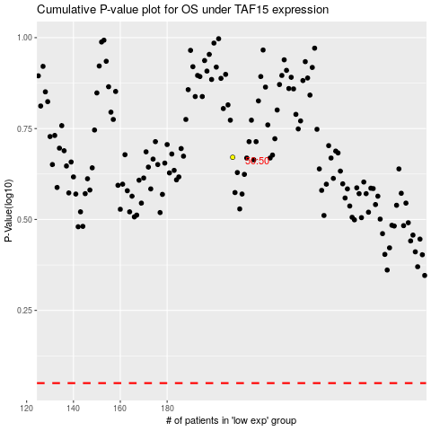

 |  |  |  |  |  | cases_OS | p_OS | rank | exp
 |  |  |  |  |  |  | cases_RFS | p_RFS | rank | exp

