TAF1C _multivariate
Reported by Tex Li-Hsing Chi. tex@gate.sinica.edu.tw 2019-08-15

Table 2. The clinicopathological features of HNSCC cohort and TAF1C expression. (Chi square test)
Cutoff at -0.152 (49.8%)
 |  | TAF1C expression |  | TAF1C expression |  | (Optimised)
 | Features | Low | (%) | High | (%) | Case no | P-value | Remark | Matthews
Gender | Female | 146 | 35.2 | 160 | 38.6 | 415 | 0.1714 | 0 | 0
2 | Male | 61 | 14.7 | 48 | 11.6
Age at diagnosis | <=65y | 129 | 31.1 | 145 | 34.9 | 415 | 0.1372 | 0 | 0
4 | >65y | 78 | 18.8 | 63 | 15.2
Clinical T Status | T1+T2 | 78 | 18.8 | 71 | 17.1 | 415 | 0.5152 | 0 | 0
6 | T3+T4 | 129 | 31.1 | 137 | 33
Clinical N Status | N0 | 107 | 25.8 | 109 | 26.3 | 415 | 0.9624 | 0 | 0
8 | N1-3 | 100 | 24.1 | 99 | 23.9
Clinical M Status | M0 | 207 | 49.9 | 205 | 49.4 | 415 | 0.2482 | 0 | 0
10 | M1 | 0 | 0 | 3 | 0.7
Clinical Stage | Stage I+II | 52 | 12.5 | 50 | 12 | 415 | 0.8871 | 0 | 0
12 | Stage III+IV | 155 | 37.3 | 158 | 38.1
Surgical Margin status | Negative | 165 | 39.8 | 153 | 36.9 | 415 | 0.1639 | 0 | 0
14 | Positive | 42 | 10.1 | 55 | 13.3
Tobacco Exposure | Low | 83 | 20 | 78 | 18.8 | 415 | 0.6152 | 0 | 0
16 | High | 124 | 29.9 | 130 | 31.3

Table 3. Univariate/Multivariate Cox's proportional hazards regression analyses on OS time of TAF1C gene expression in HNSCC

 |  | Univariate |  |  |  | Multivariate
 | Features | HR | CI95%(L) | CI95%(H) | P-value | HR | CI95%(L) | CI95%(H) | P-value
1 | Female | 1 |  |  |  | 1
Gender | Male | 1.157 | 0.843 | 1.587 | 0.367 | 1.197 | 0.858 | 1.672 | 0.29
11 | <=65y | 1 |  |  |  | 1
Age at diagnosis | >65y | 1.329 | 0.99 | 1.784 | 0.058 | 1.381 | 1.015 | 1.879 | 0.04
12 | T1+T2 | 1 |  |  |  | 1
Clinical T Status | T3+T4 | 1.409 | 1.028 | 1.931 | 0.033 | 2.28 | 1.203 | 4.319 | 0.011
13 | N0 | 1 |  |  |  | 1
Clinical N Status | N1-3 | 1.185 | 0.89 | 1.577 | 0.246 | 1.246 | 0.873 | 1.778 | 0.225
14 | M0 | 1 |  |  |  | 1
Clinical M Status | M1 | 4.097 | 1.009 | 16.644 | 0.049 | 10.693 | 2.299 | 49.732 | 0.003
15 | Stage I+II | 1 |  |  |  | 1
Clinical Stage | Stage III+IV | 1.245 | 0.882 | 1.759 | 0.213 | 0.485 | 0.225 | 1.043 | 0.064
16 | Negative | 1 |  |  |  | 1
Surgical Margin status | Positive | 1.591 | 1.155 | 2.191 | 0.004 | 1.717 | 1.239 | 2.379 | 0.001
17 | Low | 1 |  |  |  | 1
Tobacco Exposure | High | 1.364 | 1.008 | 1.844 | 0.044 | 1.481 | 1.073 | 2.045 | 0.017
18 | Low | 1 |  |  |  | 1
RNAseq(z-score) | High | 0.926 | 0.695 | 1.234 | 0.6 | 0.831 | 0.619 | 1.115 | 0.217

Table 4. Univariate/Multivariate Cox's proportional hazards regression analyses on RFS time of TAF1C gene expression in HNSCC

 |  | Univariate |  |  |  | Multivariate
 | Features | HR | CI95%(L) | CI95%(H) | P-value | HR | CI95%(L) | CI95%(H) | P-value
1 | Female | 1 |  |  |  | 1
Gender | Male | 1.157 | 0.843 | 1.587 | 0.367 | 1.197 | 0.858 | 1.672 | 0.29
11 | <=65y | 1 |  |  |  | 1
Age at diagnosis | >65y | 1.329 | 0.99 | 1.784 | 0.058 | 1.381 | 1.015 | 1.879 | 0.04
12 | T1+T2 | 1 |  |  |  | 1
Clinical T Status | T3+T4 | 1.409 | 1.028 | 1.931 | 0.033 | 2.28 | 1.203 | 4.319 | 0.011
13 | N0 | 1 |  |  |  | 1
Clinical N Status | N1-3 | 1.185 | 0.89 | 1.577 | 0.246 | 1.246 | 0.873 | 1.778 | 0.225
14 | M0 | 1 |  |  |  | 1
Clinical M Status | M1 | 4.097 | 1.009 | 16.644 | 0.049 | 10.693 | 2.299 | 49.732 | 0.003
15 | Stage I+II | 1 |  |  |  | 1
Clinical Stage | Stage III+IV | 1.245 | 0.882 | 1.759 | 0.213 | 0.485 | 0.225 | 1.043 | 0.064
16 | Negative | 1 |  |  |  | 1
Surgical Margin status | Positive | 1.591 | 1.155 | 2.191 | 0.004 | 1.717 | 1.239 | 2.379 | 0.001
17 | Low | 1 |  |  |  | 1
Tobacco Exposure | High | 1.364 | 1.008 | 1.844 | 0.044 | 1.481 | 1.073 | 2.045 | 0.017
18 | Low | 1 |  |  |  | 1
RNAseq(z-score) | High | 0.926 | 0.695 | 1.234 | 0.6 | 0.831 | 0.619 | 1.115 | 0.217

Kaplan-Meier survival estimate: Cutoff at -0.152 (49.8%)



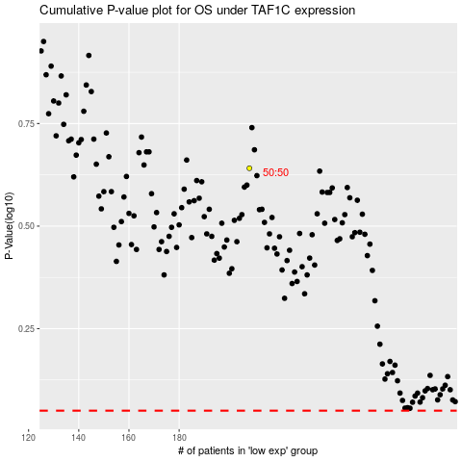

 |  |  |  |  |  | cases_OS | p_OS | rank | exp
 |  |  |  |  |  |  | cases_RFS | p_RFS | rank | exp

