TAF1D _multivariate
Reported by Tex Li-Hsing Chi. tex@gate.sinica.edu.tw 2019-08-15

Table 2. The clinicopathological features of HNSCC cohort and TAF1D expression. (Chi square test)
Cutoff at -0.16 (50.0%)
 |  | TAF1D expression |  | TAF1D expression |  | (Optimised)
 | Features | Low | (%) | High | (%) | Case no | P-value | Remark | Matthews
Gender | Female | 155 | 37.3 | 151 | 36.4 | 415 | 0.6768 | 0 | 0
2 | Male | 52 | 12.5 | 57 | 13.7
Age at diagnosis | <=65y | 138 | 33.3 | 136 | 32.8 | 415 | 0.8634 | 0 | 0
4 | >65y | 69 | 16.6 | 72 | 17.3
Clinical T Status | T1+T2 | 84 | 20.2 | 65 | 15.7 | 415 | 0.0603 | 0 | 0
6 | T3+T4 | 123 | 29.6 | 143 | 34.5
Clinical N Status | N0 | 101 | 24.3 | 115 | 27.7 | 415 | 0.2201 | 0 | 0
8 | N1-3 | 106 | 25.5 | 93 | 22.4
Clinical M Status | M0 | 206 | 49.6 | 206 | 49.6 | 415 | 1 | 0 | 0
10 | M1 | 1 | 0.2 | 2 | 0.5
Clinical Stage | Stage I+II | 55 | 13.3 | 47 | 11.3 | 415 | 0.4087 | 0 | 0
12 | Stage III+IV | 152 | 36.6 | 161 | 38.8
Surgical Margin status | Negative | 159 | 38.3 | 159 | 38.3 | 415 | 1 | 0 | 0
14 | Positive | 48 | 11.6 | 49 | 11.8
Tobacco Exposure | Low | 74 | 17.8 | 87 | 21 | 415 | 0.227 | 0 | 0
16 | High | 133 | 32 | 121 | 29.2

Table 3. Univariate/Multivariate Cox's proportional hazards regression analyses on OS time of TAF1D gene expression in HNSCC

 |  | Univariate |  |  |  | Multivariate
 | Features | HR | CI95%(L) | CI95%(H) | P-value | HR | CI95%(L) | CI95%(H) | P-value
1 | Female | 1 |  |  |  | 1
Gender | Male | 1.157 | 0.843 | 1.587 | 0.367 | 1.194 | 0.855 | 1.67 | 0.298
11 | <=65y | 1 |  |  |  | 1
Age at diagnosis | >65y | 1.329 | 0.99 | 1.784 | 0.058 | 1.391 | 1.024 | 1.891 | 0.035
12 | T1+T2 | 1 |  |  |  | 1
Clinical T Status | T3+T4 | 1.409 | 1.028 | 1.931 | 0.033 | 2.177 | 1.151 | 4.116 | 0.017
13 | N0 | 1 |  |  |  | 1
Clinical N Status | N1-3 | 1.185 | 0.89 | 1.577 | 0.246 | 1.267 | 0.887 | 1.81 | 0.194
14 | M0 | 1 |  |  |  | 1
Clinical M Status | M1 | 4.097 | 1.009 | 16.644 | 0.049 | 9.036 | 1.969 | 41.473 | 0.005
15 | Stage I+II | 1 |  |  |  | 1
Clinical Stage | Stage III+IV | 1.245 | 0.882 | 1.759 | 0.213 | 0.499 | 0.232 | 1.072 | 0.075
16 | Negative | 1 |  |  |  | 1
Surgical Margin status | Positive | 1.591 | 1.155 | 2.191 | 0.004 | 1.65 | 1.194 | 2.281 | 0.002
17 | Low | 1 |  |  |  | 1
Tobacco Exposure | High | 1.364 | 1.008 | 1.844 | 0.044 | 1.478 | 1.071 | 2.04 | 0.017
18 | Low | 1 |  |  |  | 1
RNAseq(z-score) | High | 1.234 | 0.925 | 1.647 | 0.153 | 1.218 | 0.91 | 1.631 | 0.186

Table 4. Univariate/Multivariate Cox's proportional hazards regression analyses on RFS time of TAF1D gene expression in HNSCC

 |  | Univariate |  |  |  | Multivariate
 | Features | HR | CI95%(L) | CI95%(H) | P-value | HR | CI95%(L) | CI95%(H) | P-value
1 | Female | 1 |  |  |  | 1
Gender | Male | 1.157 | 0.843 | 1.587 | 0.367 | 1.194 | 0.855 | 1.67 | 0.298
11 | <=65y | 1 |  |  |  | 1
Age at diagnosis | >65y | 1.329 | 0.99 | 1.784 | 0.058 | 1.391 | 1.024 | 1.891 | 0.035
12 | T1+T2 | 1 |  |  |  | 1
Clinical T Status | T3+T4 | 1.409 | 1.028 | 1.931 | 0.033 | 2.177 | 1.151 | 4.116 | 0.017
13 | N0 | 1 |  |  |  | 1
Clinical N Status | N1-3 | 1.185 | 0.89 | 1.577 | 0.246 | 1.267 | 0.887 | 1.81 | 0.194
14 | M0 | 1 |  |  |  | 1
Clinical M Status | M1 | 4.097 | 1.009 | 16.644 | 0.049 | 9.036 | 1.969 | 41.473 | 0.005
15 | Stage I+II | 1 |  |  |  | 1
Clinical Stage | Stage III+IV | 1.245 | 0.882 | 1.759 | 0.213 | 0.499 | 0.232 | 1.072 | 0.075
16 | Negative | 1 |  |  |  | 1
Surgical Margin status | Positive | 1.591 | 1.155 | 2.191 | 0.004 | 1.65 | 1.194 | 2.281 | 0.002
17 | Low | 1 |  |  |  | 1
Tobacco Exposure | High | 1.364 | 1.008 | 1.844 | 0.044 | 1.478 | 1.071 | 2.04 | 0.017
18 | Low | 1 |  |  |  | 1
RNAseq(z-score) | High | 1.234 | 0.925 | 1.647 | 0.153 | 1.218 | 0.91 | 1.631 | 0.186

Kaplan-Meier survival estimate: Cutoff at -0.16 (50.0%)



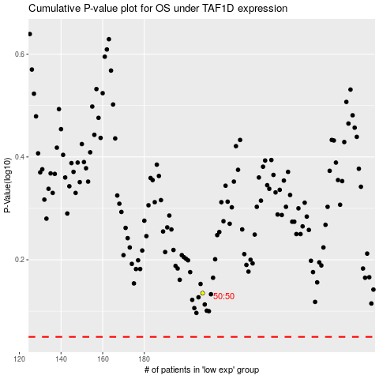

 |  |  |  |  |  | cases_OS | p_OS | rank | exp
 |  |  |  |  |  |  | cases_RFS | p_RFS | rank | exp

