TAF4B _multivariate
Reported by Tex Li-Hsing Chi. tex@gate.sinica.edu.tw 2019-08-15

Table 2. The clinicopathological features of HNSCC cohort and TAF4B expression. (Chi square test)
Cutoff at -0.133 (49.8%)
 |  | TAF4B expression |  | TAF4B expression |  | (Optimised)
 | Features | Low | (%) | High | (%) | Case no | P-value | Remark | Matthews
Gender | Female | 142 | 34.2 | 164 | 39.5 | 415 | 0.0238 | 1 | 0
2 | Male | 65 | 15.7 | 44 | 10.6
Age at diagnosis | <=65y | 135 | 32.5 | 139 | 33.5 | 415 | 0.8084 | 0 | 0
4 | >65y | 72 | 17.3 | 69 | 16.6
Clinical T Status | T1+T2 | 83 | 20 | 66 | 15.9 | 415 | 0.0941 | 0 | 0
6 | T3+T4 | 124 | 29.9 | 142 | 34.2
Clinical N Status | N0 | 105 | 25.3 | 111 | 26.7 | 415 | 0.6598 | 0 | 0
8 | N1-3 | 102 | 24.6 | 97 | 23.4
Clinical M Status | M0 | 206 | 49.6 | 206 | 49.6 | 415 | 1 | 0 | 0
10 | M1 | 1 | 0.2 | 2 | 0.5
Clinical Stage | Stage I+II | 57 | 13.7 | 45 | 10.8 | 415 | 0.1998 | 0 | 0
12 | Stage III+IV | 150 | 36.1 | 163 | 39.3
Surgical Margin status | Negative | 157 | 37.8 | 161 | 38.8 | 415 | 0.729 | 0 | 0
14 | Positive | 50 | 12 | 47 | 11.3
Tobacco Exposure | Low | 82 | 19.8 | 79 | 19 | 415 | 0.763 | 0 | 0
16 | High | 125 | 30.1 | 129 | 31.1

Table 3. Univariate/Multivariate Cox's proportional hazards regression analyses on OS time of TAF4B gene expression in HNSCC

 |  | Univariate |  |  |  | Multivariate
 | Features | HR | CI95%(L) | CI95%(H) | P-value | HR | CI95%(L) | CI95%(H) | P-value
1 | Female | 1 |  |  |  | 1
Gender | Male | 1.157 | 0.843 | 1.587 | 0.367 | 1.193 | 0.85 | 1.676 | 0.307
11 | <=65y | 1 |  |  |  | 1
Age at diagnosis | >65y | 1.329 | 0.99 | 1.784 | 0.058 | 1.392 | 1.024 | 1.893 | 0.035
12 | T1+T2 | 1 |  |  |  | 1
Clinical T Status | T3+T4 | 1.409 | 1.028 | 1.931 | 0.033 | 2.199 | 1.163 | 4.159 | 0.015
13 | N0 | 1 |  |  |  | 1
Clinical N Status | N1-3 | 1.185 | 0.89 | 1.577 | 0.246 | 1.238 | 0.867 | 1.767 | 0.24
14 | M0 | 1 |  |  |  | 1
Clinical M Status | M1 | 4.097 | 1.009 | 16.644 | 0.049 | 9.412 | 2.053 | 43.137 | 0.004
15 | Stage I+II | 1 |  |  |  | 1
Clinical Stage | Stage III+IV | 1.245 | 0.882 | 1.759 | 0.213 | 0.508 | 0.236 | 1.092 | 0.083
16 | Negative | 1 |  |  |  | 1
Surgical Margin status | Positive | 1.591 | 1.155 | 2.191 | 0.004 | 1.668 | 1.206 | 2.306 | 0.002
17 | Low | 1 |  |  |  | 1
Tobacco Exposure | High | 1.364 | 1.008 | 1.844 | 0.044 | 1.448 | 1.05 | 1.998 | 0.024
18 | Low | 1 |  |  |  | 1
RNAseq(z-score) | High | 0.925 | 0.695 | 1.233 | 0.597 | 0.965 | 0.718 | 1.297 | 0.814

Table 4. Univariate/Multivariate Cox's proportional hazards regression analyses on RFS time of TAF4B gene expression in HNSCC

 |  | Univariate |  |  |  | Multivariate
 | Features | HR | CI95%(L) | CI95%(H) | P-value | HR | CI95%(L) | CI95%(H) | P-value
1 | Female | 1 |  |  |  | 1
Gender | Male | 1.157 | 0.843 | 1.587 | 0.367 | 1.193 | 0.85 | 1.676 | 0.307
11 | <=65y | 1 |  |  |  | 1
Age at diagnosis | >65y | 1.329 | 0.99 | 1.784 | 0.058 | 1.392 | 1.024 | 1.893 | 0.035
12 | T1+T2 | 1 |  |  |  | 1
Clinical T Status | T3+T4 | 1.409 | 1.028 | 1.931 | 0.033 | 2.199 | 1.163 | 4.159 | 0.015
13 | N0 | 1 |  |  |  | 1
Clinical N Status | N1-3 | 1.185 | 0.89 | 1.577 | 0.246 | 1.238 | 0.867 | 1.767 | 0.24
14 | M0 | 1 |  |  |  | 1
Clinical M Status | M1 | 4.097 | 1.009 | 16.644 | 0.049 | 9.412 | 2.053 | 43.137 | 0.004
15 | Stage I+II | 1 |  |  |  | 1
Clinical Stage | Stage III+IV | 1.245 | 0.882 | 1.759 | 0.213 | 0.508 | 0.236 | 1.092 | 0.083
16 | Negative | 1 |  |  |  | 1
Surgical Margin status | Positive | 1.591 | 1.155 | 2.191 | 0.004 | 1.668 | 1.206 | 2.306 | 0.002
17 | Low | 1 |  |  |  | 1
Tobacco Exposure | High | 1.364 | 1.008 | 1.844 | 0.044 | 1.448 | 1.05 | 1.998 | 0.024
18 | Low | 1 |  |  |  | 1
RNAseq(z-score) | High | 0.925 | 0.695 | 1.233 | 0.597 | 0.965 | 0.718 | 1.297 | 0.814

Kaplan-Meier survival estimate: Cutoff at -0.133 (49.8%)



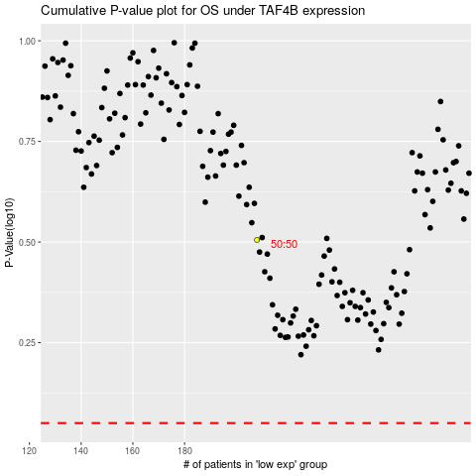

 |  |  |  |  |  | cases_OS | p_OS | rank | exp
 |  |  |  |  |  |  | cases_RFS | p_RFS | rank | exp

