TAF5 _multivariate
Reported by Tex Li-Hsing Chi. tex@gate.sinica.edu.tw 2019-08-15

Table 2. The clinicopathological features of HNSCC cohort and TAF5 expression. (Chi square test)
Cutoff at -0.109 (49.8%)
 |  | TAF5 expression |  | TAF5 expression |  | (Optimised)
 | Features | Low | (%) | High | (%) | Case no | P-value | Remark | Matthews
Gender | Female | 135 | 32.5 | 171 | 41.2 | 415 | 1e-04 | 1 | 0
2 | Male | 72 | 17.3 | 37 | 8.9
Age at diagnosis | <=65y | 132 | 31.8 | 142 | 34.2 | 415 | 0.3874 | 0 | 0
4 | >65y | 75 | 18.1 | 66 | 15.9
Clinical T Status | T1+T2 | 76 | 18.3 | 73 | 17.6 | 415 | 0.8092 | 0 | 0
6 | T3+T4 | 131 | 31.6 | 135 | 32.5
Clinical N Status | N0 | 110 | 26.5 | 106 | 25.5 | 415 | 0.7294 | 0 | 0
8 | N1-3 | 97 | 23.4 | 102 | 24.6
Clinical M Status | M0 | 205 | 49.4 | 207 | 49.9 | 415 | 0.6232 | 0 | 0
10 | M1 | 2 | 0.5 | 1 | 0.2
Clinical Stage | Stage I+II | 53 | 12.8 | 49 | 11.8 | 415 | 0.7113 | 0 | 0
12 | Stage III+IV | 154 | 37.1 | 159 | 38.3
Surgical Margin status | Negative | 162 | 39 | 156 | 37.6 | 415 | 0.4867 | 0 | 0
14 | Positive | 45 | 10.8 | 52 | 12.5
Tobacco Exposure | Low | 96 | 23.1 | 65 | 15.7 | 415 | 0.0018 | 1 | 0
16 | High | 111 | 26.7 | 143 | 34.5

Table 3. Univariate/Multivariate Cox's proportional hazards regression analyses on OS time of TAF5 gene expression in HNSCC

 |  | Univariate |  |  |  | Multivariate
 | Features | HR | CI95%(L) | CI95%(H) | P-value | HR | CI95%(L) | CI95%(H) | P-value
1 | Female | 1 |  |  |  | 1
Gender | Male | 1.157 | 0.843 | 1.587 | 0.367 | 1.231 | 0.875 | 1.733 | 0.233
11 | <=65y | 1 |  |  |  | 1
Age at diagnosis | >65y | 1.329 | 0.99 | 1.784 | 0.058 | 1.392 | 1.024 | 1.893 | 0.035
12 | T1+T2 | 1 |  |  |  | 1
Clinical T Status | T3+T4 | 1.409 | 1.028 | 1.931 | 0.033 | 2.212 | 1.17 | 4.184 | 0.015
13 | N0 | 1 |  |  |  | 1
Clinical N Status | N1-3 | 1.185 | 0.89 | 1.577 | 0.246 | 1.238 | 0.867 | 1.766 | 0.24
14 | M0 | 1 |  |  |  | 1
Clinical M Status | M1 | 4.097 | 1.009 | 16.644 | 0.049 | 9.814 | 2.129 | 45.245 | 0.003
15 | Stage I+II | 1 |  |  |  | 1
Clinical Stage | Stage III+IV | 1.245 | 0.882 | 1.759 | 0.213 | 0.502 | 0.234 | 1.078 | 0.077
16 | Negative | 1 |  |  |  | 1
Surgical Margin status | Positive | 1.591 | 1.155 | 2.191 | 0.004 | 1.668 | 1.207 | 2.305 | 0.002
17 | Low | 1 |  |  |  | 1
Tobacco Exposure | High | 1.364 | 1.008 | 1.844 | 0.044 | 1.448 | 1.05 | 1.995 | 0.024
18 | Low | 1 |  |  |  | 1
RNAseq(z-score) | High | 1.067 | 0.801 | 1.422 | 0.657 | 1.103 | 0.819 | 1.485 | 0.519

Table 4. Univariate/Multivariate Cox's proportional hazards regression analyses on RFS time of TAF5 gene expression in HNSCC

 |  | Univariate |  |  |  | Multivariate
 | Features | HR | CI95%(L) | CI95%(H) | P-value | HR | CI95%(L) | CI95%(H) | P-value
1 | Female | 1 |  |  |  | 1
Gender | Male | 1.157 | 0.843 | 1.587 | 0.367 | 1.231 | 0.875 | 1.733 | 0.233
11 | <=65y | 1 |  |  |  | 1
Age at diagnosis | >65y | 1.329 | 0.99 | 1.784 | 0.058 | 1.392 | 1.024 | 1.893 | 0.035
12 | T1+T2 | 1 |  |  |  | 1
Clinical T Status | T3+T4 | 1.409 | 1.028 | 1.931 | 0.033 | 2.212 | 1.17 | 4.184 | 0.015
13 | N0 | 1 |  |  |  | 1
Clinical N Status | N1-3 | 1.185 | 0.89 | 1.577 | 0.246 | 1.238 | 0.867 | 1.766 | 0.24
14 | M0 | 1 |  |  |  | 1
Clinical M Status | M1 | 4.097 | 1.009 | 16.644 | 0.049 | 9.814 | 2.129 | 45.245 | 0.003
15 | Stage I+II | 1 |  |  |  | 1
Clinical Stage | Stage III+IV | 1.245 | 0.882 | 1.759 | 0.213 | 0.502 | 0.234 | 1.078 | 0.077
16 | Negative | 1 |  |  |  | 1
Surgical Margin status | Positive | 1.591 | 1.155 | 2.191 | 0.004 | 1.668 | 1.207 | 2.305 | 0.002
17 | Low | 1 |  |  |  | 1
Tobacco Exposure | High | 1.364 | 1.008 | 1.844 | 0.044 | 1.448 | 1.05 | 1.995 | 0.024
18 | Low | 1 |  |  |  | 1
RNAseq(z-score) | High | 1.067 | 0.801 | 1.422 | 0.657 | 1.103 | 0.819 | 1.485 | 0.519

Kaplan-Meier survival estimate: Cutoff at -0.109 (49.8%)



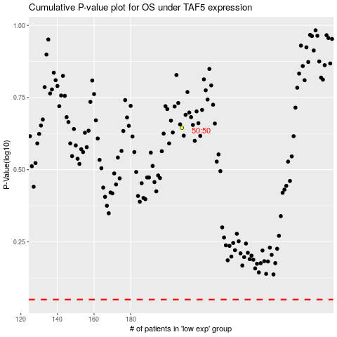

 |  |  |  |  |  | cases_OS | p_OS | rank | exp
 |  |  |  |  |  |  | cases_RFS | p_RFS | rank | exp

