TAF7L _multivariate
Reported by Tex Li-Hsing Chi. tex@gate.sinica.edu.tw 2019-08-15

Table 2. The clinicopathological features of HNSCC cohort and TAF7L expression. (Chi square test)
Cutoff at -0.232 (50.0%)
 |  | TAF7L expression |  | TAF7L expression |  | (Optimised)
 | Features | Low | (%) | High | (%) | Case no | P-value | Remark | Matthews
Gender | Female | 148 | 35.7 | 158 | 38.1 | 415 | 0.3567 | 0 | 0
2 | Male | 59 | 14.2 | 50 | 12
Age at diagnosis | <=65y | 135 | 32.5 | 139 | 33.5 | 415 | 0.8084 | 0 | 0
4 | >65y | 72 | 17.3 | 69 | 16.6
Clinical T Status | T1+T2 | 75 | 18.1 | 74 | 17.8 | 415 | 0.9707 | 0 | 0
6 | T3+T4 | 132 | 31.8 | 134 | 32.3
Clinical N Status | N0 | 107 | 25.8 | 109 | 26.3 | 415 | 0.9624 | 0 | 0
8 | N1-3 | 100 | 24.1 | 99 | 23.9
Clinical M Status | M0 | 205 | 49.4 | 207 | 49.9 | 415 | 0.6232 | 0 | 0
10 | M1 | 2 | 0.5 | 1 | 0.2
Clinical Stage | Stage I+II | 55 | 13.3 | 47 | 11.3 | 415 | 0.4087 | 0 | 0
12 | Stage III+IV | 152 | 36.6 | 161 | 38.8
Surgical Margin status | Negative | 164 | 39.5 | 154 | 37.1 | 415 | 0.2462 | 0 | 0
14 | Positive | 43 | 10.4 | 54 | 13
Tobacco Exposure | Low | 82 | 19.8 | 79 | 19 | 415 | 0.763 | 0 | 0
16 | High | 125 | 30.1 | 129 | 31.1

Table 3. Univariate/Multivariate Cox's proportional hazards regression analyses on OS time of TAF7L gene expression in HNSCC

 |  | Univariate |  |  |  | Multivariate
 | Features | HR | CI95%(L) | CI95%(H) | P-value | HR | CI95%(L) | CI95%(H) | P-value
1 | Female | 1 |  |  |  | 1
Gender | Male | 1.157 | 0.843 | 1.587 | 0.367 | 1.191 | 0.852 | 1.665 | 0.307
11 | <=65y | 1 |  |  |  | 1
Age at diagnosis | >65y | 1.329 | 0.99 | 1.784 | 0.058 | 1.399 | 1.028 | 1.904 | 0.033
12 | T1+T2 | 1 |  |  |  | 1
Clinical T Status | T3+T4 | 1.409 | 1.028 | 1.931 | 0.033 | 2.18 | 1.153 | 4.124 | 0.017
13 | N0 | 1 |  |  |  | 1
Clinical N Status | N1-3 | 1.185 | 0.89 | 1.577 | 0.246 | 1.237 | 0.867 | 1.765 | 0.242
14 | M0 | 1 |  |  |  | 1
Clinical M Status | M1 | 4.097 | 1.009 | 16.644 | 0.049 | 9.239 | 2.014 | 42.38 | 0.004
15 | Stage I+II | 1 |  |  |  | 1
Clinical Stage | Stage III+IV | 1.245 | 0.882 | 1.759 | 0.213 | 0.513 | 0.239 | 1.102 | 0.087
16 | Negative | 1 |  |  |  | 1
Surgical Margin status | Positive | 1.591 | 1.155 | 2.191 | 0.004 | 1.686 | 1.219 | 2.331 | 0.002
17 | Low | 1 |  |  |  | 1
Tobacco Exposure | High | 1.364 | 1.008 | 1.844 | 0.044 | 1.464 | 1.061 | 2.02 | 0.02
18 | Low | 1 |  |  |  | 1
RNAseq(z-score) | High | 0.93 | 0.697 | 1.24 | 0.621 | 0.903 | 0.675 | 1.209 | 0.494

Table 4. Univariate/Multivariate Cox's proportional hazards regression analyses on RFS time of TAF7L gene expression in HNSCC

 |  | Univariate |  |  |  | Multivariate
 | Features | HR | CI95%(L) | CI95%(H) | P-value | HR | CI95%(L) | CI95%(H) | P-value
1 | Female | 1 |  |  |  | 1
Gender | Male | 1.157 | 0.843 | 1.587 | 0.367 | 1.191 | 0.852 | 1.665 | 0.307
11 | <=65y | 1 |  |  |  | 1
Age at diagnosis | >65y | 1.329 | 0.99 | 1.784 | 0.058 | 1.399 | 1.028 | 1.904 | 0.033
12 | T1+T2 | 1 |  |  |  | 1
Clinical T Status | T3+T4 | 1.409 | 1.028 | 1.931 | 0.033 | 2.18 | 1.153 | 4.124 | 0.017
13 | N0 | 1 |  |  |  | 1
Clinical N Status | N1-3 | 1.185 | 0.89 | 1.577 | 0.246 | 1.237 | 0.867 | 1.765 | 0.242
14 | M0 | 1 |  |  |  | 1
Clinical M Status | M1 | 4.097 | 1.009 | 16.644 | 0.049 | 9.239 | 2.014 | 42.38 | 0.004
15 | Stage I+II | 1 |  |  |  | 1
Clinical Stage | Stage III+IV | 1.245 | 0.882 | 1.759 | 0.213 | 0.513 | 0.239 | 1.102 | 0.087
16 | Negative | 1 |  |  |  | 1
Surgical Margin status | Positive | 1.591 | 1.155 | 2.191 | 0.004 | 1.686 | 1.219 | 2.331 | 0.002
17 | Low | 1 |  |  |  | 1
Tobacco Exposure | High | 1.364 | 1.008 | 1.844 | 0.044 | 1.464 | 1.061 | 2.02 | 0.02
18 | Low | 1 |  |  |  | 1
RNAseq(z-score) | High | 0.93 | 0.697 | 1.24 | 0.621 | 0.903 | 0.675 | 1.209 | 0.494

Kaplan-Meier survival estimate: Cutoff at -0.232 (50.0%)



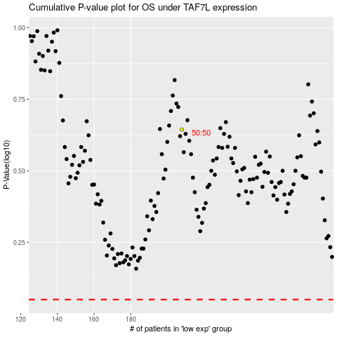

 |  |  |  |  |  | cases_OS | p_OS | rank | exp
 |  |  |  |  |  |  | cases_RFS | p_RFS | rank | exp

