TAF9 _multivariate
Reported by Tex Li-Hsing Chi. tex@gate.sinica.edu.tw 2019-08-15

Table 2. The clinicopathological features of HNSCC cohort and TAF9 expression. (Chi square test)
Cutoff at -0.157 (50.0%)
 |  | TAF9 expression |  | TAF9 expression |  | (Optimised)
 | Features | Low | (%) | High | (%) | Case no | P-value | Remark | Matthews
Gender | Female | 162 | 39 | 144 | 34.7 | 415 | 0.0479 | 1 | 0
2 | Male | 45 | 10.8 | 64 | 15.4
Age at diagnosis | <=65y | 143 | 34.5 | 131 | 31.6 | 415 | 0.2269 | 0 | 0
4 | >65y | 64 | 15.4 | 77 | 18.6
Clinical T Status | T1+T2 | 68 | 16.4 | 81 | 19.5 | 415 | 0.2336 | 0 | 0
6 | T3+T4 | 139 | 33.5 | 127 | 30.6
Clinical N Status | N0 | 107 | 25.8 | 109 | 26.3 | 415 | 0.9624 | 0 | 0
8 | N1-3 | 100 | 24.1 | 99 | 23.9
Clinical M Status | M0 | 207 | 49.9 | 205 | 49.4 | 415 | 0.2482 | 0 | 0
10 | M1 | 0 | 0 | 3 | 0.7
Clinical Stage | Stage I+II | 48 | 11.6 | 54 | 13 | 415 | 0.5878 | 0 | 0
12 | Stage III+IV | 159 | 38.3 | 154 | 37.1
Surgical Margin status | Negative | 164 | 39.5 | 154 | 37.1 | 415 | 0.2462 | 0 | 0
14 | Positive | 43 | 10.4 | 54 | 13
Tobacco Exposure | Low | 75 | 18.1 | 86 | 20.7 | 415 | 0.3141 | 0 | 0
16 | High | 132 | 31.8 | 122 | 29.4

Table 3. Univariate/Multivariate Cox's proportional hazards regression analyses on OS time of TAF9 gene expression in HNSCC

 |  | Univariate |  |  |  | Multivariate
 | Features | HR | CI95%(L) | CI95%(H) | P-value | HR | CI95%(L) | CI95%(H) | P-value
1 | Female | 1 |  |  |  | 1
Gender | Male | 1.157 | 0.843 | 1.587 | 0.367 | 1.188 | 0.85 | 1.661 | 0.313
11 | <=65y | 1 |  |  |  | 1
Age at diagnosis | >65y | 1.329 | 0.99 | 1.784 | 0.058 | 1.376 | 1.012 | 1.873 | 0.042
12 | T1+T2 | 1 |  |  |  | 1
Clinical T Status | T3+T4 | 1.409 | 1.028 | 1.931 | 0.033 | 2.234 | 1.181 | 4.225 | 0.013
13 | N0 | 1 |  |  |  | 1
Clinical N Status | N1-3 | 1.185 | 0.89 | 1.577 | 0.246 | 1.236 | 0.866 | 1.763 | 0.243
14 | M0 | 1 |  |  |  | 1
Clinical M Status | M1 | 4.097 | 1.009 | 16.644 | 0.049 | 8.831 | 1.916 | 40.693 | 0.005
15 | Stage I+II | 1 |  |  |  | 1
Clinical Stage | Stage III+IV | 1.245 | 0.882 | 1.759 | 0.213 | 0.504 | 0.235 | 1.082 | 0.079
16 | Negative | 1 |  |  |  | 1
Surgical Margin status | Positive | 1.591 | 1.155 | 2.191 | 0.004 | 1.64 | 1.184 | 2.271 | 0.003
17 | Low | 1 |  |  |  | 1
Tobacco Exposure | High | 1.364 | 1.008 | 1.844 | 0.044 | 1.461 | 1.06 | 2.013 | 0.021
18 | Low | 1 |  |  |  | 1
RNAseq(z-score) | High | 1.199 | 0.9 | 1.598 | 0.215 | 1.153 | 0.859 | 1.548 | 0.344

Table 4. Univariate/Multivariate Cox's proportional hazards regression analyses on RFS time of TAF9 gene expression in HNSCC

 |  | Univariate |  |  |  | Multivariate
 | Features | HR | CI95%(L) | CI95%(H) | P-value | HR | CI95%(L) | CI95%(H) | P-value
1 | Female | 1 |  |  |  | 1
Gender | Male | 1.157 | 0.843 | 1.587 | 0.367 | 1.188 | 0.85 | 1.661 | 0.313
11 | <=65y | 1 |  |  |  | 1
Age at diagnosis | >65y | 1.329 | 0.99 | 1.784 | 0.058 | 1.376 | 1.012 | 1.873 | 0.042
12 | T1+T2 | 1 |  |  |  | 1
Clinical T Status | T3+T4 | 1.409 | 1.028 | 1.931 | 0.033 | 2.234 | 1.181 | 4.225 | 0.013
13 | N0 | 1 |  |  |  | 1
Clinical N Status | N1-3 | 1.185 | 0.89 | 1.577 | 0.246 | 1.236 | 0.866 | 1.763 | 0.243
14 | M0 | 1 |  |  |  | 1
Clinical M Status | M1 | 4.097 | 1.009 | 16.644 | 0.049 | 8.831 | 1.916 | 40.693 | 0.005
15 | Stage I+II | 1 |  |  |  | 1
Clinical Stage | Stage III+IV | 1.245 | 0.882 | 1.759 | 0.213 | 0.504 | 0.235 | 1.082 | 0.079
16 | Negative | 1 |  |  |  | 1
Surgical Margin status | Positive | 1.591 | 1.155 | 2.191 | 0.004 | 1.64 | 1.184 | 2.271 | 0.003
17 | Low | 1 |  |  |  | 1
Tobacco Exposure | High | 1.364 | 1.008 | 1.844 | 0.044 | 1.461 | 1.06 | 2.013 | 0.021
18 | Low | 1 |  |  |  | 1
RNAseq(z-score) | High | 1.199 | 0.9 | 1.598 | 0.215 | 1.153 | 0.859 | 1.548 | 0.344

Kaplan-Meier survival estimate: Cutoff at -0.157 (50.0%)



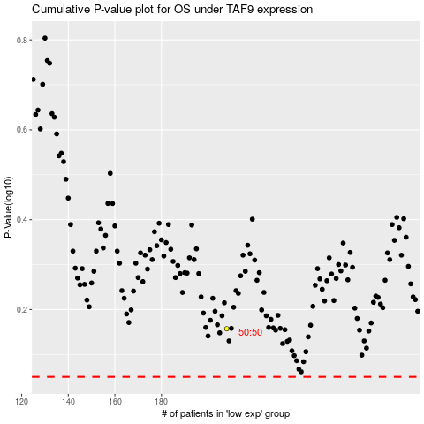

 |  |  |  |  |  | cases_OS | p_OS | rank | exp
 |  |  |  |  |  |  | cases_RFS | p_RFS | rank | exp

