TAF9B _multivariate
Reported by Tex Li-Hsing Chi. tex@gate.sinica.edu.tw 2019-08-15

Table 2. The clinicopathological features of HNSCC cohort and TAF9B expression. (Chi square test)
Cutoff at -0.247 (49.8%)
 |  | TAF9B expression |  | TAF9B expression |  | (Optimised)
 | Features | Low | (%) | High | (%) | Case no | P-value | Remark | Matthews
Gender | Female | 146 | 35.2 | 160 | 38.6 | 415 | 0.1714 | 0 | 0
2 | Male | 61 | 14.7 | 48 | 11.6
Age at diagnosis | <=65y | 130 | 31.3 | 144 | 34.7 | 415 | 0.2009 | 0 | 0
4 | >65y | 77 | 18.6 | 64 | 15.4
Clinical T Status | T1+T2 | 64 | 15.4 | 85 | 20.5 | 415 | 0.0445 | 1 | 0
6 | T3+T4 | 143 | 34.5 | 123 | 29.6
Clinical N Status | N0 | 112 | 27 | 104 | 25.1 | 415 | 0.4599 | 0 | 0
8 | N1-3 | 95 | 22.9 | 104 | 25.1
Clinical M Status | M0 | 204 | 49.2 | 208 | 50.1 | 415 | 0.1232 | 0 | 0
10 | M1 | 3 | 0.7 | 0 | 0
Clinical Stage | Stage I+II | 47 | 11.3 | 55 | 13.3 | 415 | 0.4413 | 0 | 0
12 | Stage III+IV | 160 | 38.6 | 153 | 36.9
Surgical Margin status | Negative | 162 | 39 | 156 | 37.6 | 415 | 0.4867 | 0 | 0
14 | Positive | 45 | 10.8 | 52 | 12.5
Tobacco Exposure | Low | 91 | 21.9 | 70 | 16.9 | 415 | 0.0346 | 1 | 0
16 | High | 116 | 28 | 138 | 33.3

Table 3. Univariate/Multivariate Cox's proportional hazards regression analyses on OS time of TAF9B gene expression in HNSCC

 |  | Univariate |  |  |  | Multivariate
 | Features | HR | CI95%(L) | CI95%(H) | P-value | HR | CI95%(L) | CI95%(H) | P-value
1 | Female | 1 |  |  |  | 1
Gender | Male | 1.157 | 0.843 | 1.587 | 0.367 | 1.197 | 0.856 | 1.675 | 0.293
11 | <=65y | 1 |  |  |  | 1
Age at diagnosis | >65y | 1.329 | 0.99 | 1.784 | 0.058 | 1.388 | 1.021 | 1.888 | 0.036
12 | T1+T2 | 1 |  |  |  | 1
Clinical T Status | T3+T4 | 1.409 | 1.028 | 1.931 | 0.033 | 2.135 | 1.126 | 4.045 | 0.02
13 | N0 | 1 |  |  |  | 1
Clinical N Status | N1-3 | 1.185 | 0.89 | 1.577 | 0.246 | 1.25 | 0.876 | 1.784 | 0.218
14 | M0 | 1 |  |  |  | 1
Clinical M Status | M1 | 4.097 | 1.009 | 16.644 | 0.049 | 8.489 | 1.83 | 39.382 | 0.006
15 | Stage I+II | 1 |  |  |  | 1
Clinical Stage | Stage III+IV | 1.245 | 0.882 | 1.759 | 0.213 | 0.512 | 0.238 | 1.099 | 0.086
16 | Negative | 1 |  |  |  | 1
Surgical Margin status | Positive | 1.591 | 1.155 | 2.191 | 0.004 | 1.69 | 1.222 | 2.336 | 0.002
17 | Low | 1 |  |  |  | 1
Tobacco Exposure | High | 1.364 | 1.008 | 1.844 | 0.044 | 1.484 | 1.073 | 2.053 | 0.017
18 | Low | 1 |  |  |  | 1
RNAseq(z-score) | High | 0.863 | 0.648 | 1.15 | 0.315 | 0.858 | 0.639 | 1.152 | 0.308

Table 4. Univariate/Multivariate Cox's proportional hazards regression analyses on RFS time of TAF9B gene expression in HNSCC

 |  | Univariate |  |  |  | Multivariate
 | Features | HR | CI95%(L) | CI95%(H) | P-value | HR | CI95%(L) | CI95%(H) | P-value
1 | Female | 1 |  |  |  | 1
Gender | Male | 1.157 | 0.843 | 1.587 | 0.367 | 1.197 | 0.856 | 1.675 | 0.293
11 | <=65y | 1 |  |  |  | 1
Age at diagnosis | >65y | 1.329 | 0.99 | 1.784 | 0.058 | 1.388 | 1.021 | 1.888 | 0.036
12 | T1+T2 | 1 |  |  |  | 1
Clinical T Status | T3+T4 | 1.409 | 1.028 | 1.931 | 0.033 | 2.135 | 1.126 | 4.045 | 0.02
13 | N0 | 1 |  |  |  | 1
Clinical N Status | N1-3 | 1.185 | 0.89 | 1.577 | 0.246 | 1.25 | 0.876 | 1.784 | 0.218
14 | M0 | 1 |  |  |  | 1
Clinical M Status | M1 | 4.097 | 1.009 | 16.644 | 0.049 | 8.489 | 1.83 | 39.382 | 0.006
15 | Stage I+II | 1 |  |  |  | 1
Clinical Stage | Stage III+IV | 1.245 | 0.882 | 1.759 | 0.213 | 0.512 | 0.238 | 1.099 | 0.086
16 | Negative | 1 |  |  |  | 1
Surgical Margin status | Positive | 1.591 | 1.155 | 2.191 | 0.004 | 1.69 | 1.222 | 2.336 | 0.002
17 | Low | 1 |  |  |  | 1
Tobacco Exposure | High | 1.364 | 1.008 | 1.844 | 0.044 | 1.484 | 1.073 | 2.053 | 0.017
18 | Low | 1 |  |  |  | 1
RNAseq(z-score) | High | 0.863 | 0.648 | 1.15 | 0.315 | 0.858 | 0.639 | 1.152 | 0.308

Kaplan-Meier survival estimate: Cutoff at -0.247 (49.8%)



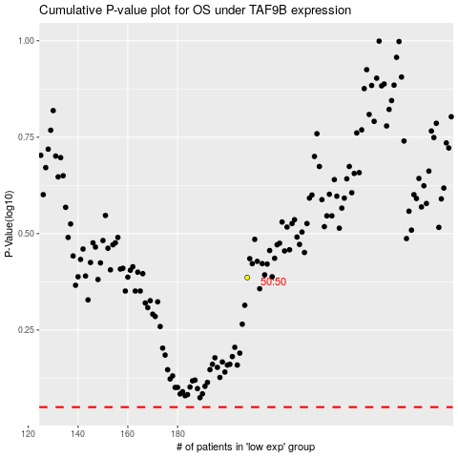

 |  |  |  |  |  | cases_OS | p_OS | rank | exp
 |  |  |  |  |  |  | cases_RFS | p_RFS | rank | exp

