TAGAP _multivariate
Reported by Tex Li-Hsing Chi. tex@gate.sinica.edu.tw 2019-08-15

Table 2. The clinicopathological features of HNSCC cohort and TAGAP expression. (Chi square test)
Cutoff at 0.021 (69.1%)
 |  | TAGAP expression |  | TAGAP expression |  | (Optimised)
 | Features | Low | (%) | High | (%) | Case no | P-value | Remark | Matthews
Gender | Female | 221 | 53.3 | 85 | 20.5 | 415 | 0.032 | 1 | 0
2 | Male | 66 | 15.9 | 43 | 10.4
Age at diagnosis | <=65y | 198 | 47.7 | 76 | 18.3 | 415 | 0.0722 | 0 | 0
4 | >65y | 89 | 21.4 | 52 | 12.5
Clinical T Status | T1+T2 | 97 | 23.4 | 52 | 12.5 | 415 | 0.2194 | 0 | 0
6 | T3+T4 | 190 | 45.8 | 76 | 18.3
Clinical N Status | N0 | 149 | 35.9 | 67 | 16.1 | 415 | 1 | 0 | 0
8 | N1-3 | 138 | 33.3 | 61 | 14.7
Clinical M Status | M0 | 284 | 68.4 | 128 | 30.8 | 415 | 0.5558 | 0 | 0
10 | M1 | 3 | 0.7 | 0 | 0
Clinical Stage | Stage I+II | 67 | 16.1 | 35 | 8.4 | 415 | 0.453 | 0 | 0
12 | Stage III+IV | 220 | 53 | 93 | 22.4
Surgical Margin status | Negative | 214 | 51.6 | 104 | 25.1 | 415 | 0.167 | 0 | 0
14 | Positive | 73 | 17.6 | 24 | 5.8
Tobacco Exposure | Low | 103 | 24.8 | 58 | 14 | 415 | 0.0809 | 0 | 0
16 | High | 184 | 44.3 | 70 | 16.9

Table 3. Univariate/Multivariate Cox's proportional hazards regression analyses on OS time of TAGAP gene expression in HNSCC

 |  | Univariate |  |  |  | Multivariate
 | Features | HR | CI95%(L) | CI95%(H) | P-value | HR | CI95%(L) | CI95%(H) | P-value
1 | Female | 1 |  |  |  | 1
Gender | Male | 1.157 | 0.843 | 1.587 | 0.367 | 1.213 | 0.868 | 1.696 | 0.258
11 | <=65y | 1 |  |  |  | 1
Age at diagnosis | >65y | 1.329 | 0.99 | 1.784 | 0.058 | 1.413 | 1.04 | 1.919 | 0.027
12 | T1+T2 | 1 |  |  |  | 1
Clinical T Status | T3+T4 | 1.409 | 1.028 | 1.931 | 0.033 | 2.123 | 1.121 | 4.018 | 0.021
13 | N0 | 1 |  |  |  | 1
Clinical N Status | N1-3 | 1.185 | 0.89 | 1.577 | 0.246 | 1.234 | 0.865 | 1.761 | 0.245
14 | M0 | 1 |  |  |  | 1
Clinical M Status | M1 | 4.097 | 1.009 | 16.644 | 0.049 | 8.454 | 1.838 | 38.892 | 0.006
15 | Stage I+II | 1 |  |  |  | 1
Clinical Stage | Stage III+IV | 1.245 | 0.882 | 1.759 | 0.213 | 0.512 | 0.239 | 1.098 | 0.085
16 | Negative | 1 |  |  |  | 1
Surgical Margin status | Positive | 1.591 | 1.155 | 2.191 | 0.004 | 1.68 | 1.215 | 2.323 | 0.002
17 | Low | 1 |  |  |  | 1
Tobacco Exposure | High | 1.364 | 1.008 | 1.844 | 0.044 | 1.412 | 1.023 | 1.949 | 0.036
18 | Low | 1 |  |  |  | 1
RNAseq(z-score) | High | 0.724 | 0.527 | 0.996 | 0.047 | 0.748 | 0.541 | 1.035 | 0.08

Table 4. Univariate/Multivariate Cox's proportional hazards regression analyses on RFS time of TAGAP gene expression in HNSCC

 |  | Univariate |  |  |  | Multivariate
 | Features | HR | CI95%(L) | CI95%(H) | P-value | HR | CI95%(L) | CI95%(H) | P-value
1 | Female | 1 |  |  |  | 1
Gender | Male | 1.157 | 0.843 | 1.587 | 0.367 | 1.213 | 0.868 | 1.696 | 0.258
11 | <=65y | 1 |  |  |  | 1
Age at diagnosis | >65y | 1.329 | 0.99 | 1.784 | 0.058 | 1.413 | 1.04 | 1.919 | 0.027
12 | T1+T2 | 1 |  |  |  | 1
Clinical T Status | T3+T4 | 1.409 | 1.028 | 1.931 | 0.033 | 2.123 | 1.121 | 4.018 | 0.021
13 | N0 | 1 |  |  |  | 1
Clinical N Status | N1-3 | 1.185 | 0.89 | 1.577 | 0.246 | 1.234 | 0.865 | 1.761 | 0.245
14 | M0 | 1 |  |  |  | 1
Clinical M Status | M1 | 4.097 | 1.009 | 16.644 | 0.049 | 8.454 | 1.838 | 38.892 | 0.006
15 | Stage I+II | 1 |  |  |  | 1
Clinical Stage | Stage III+IV | 1.245 | 0.882 | 1.759 | 0.213 | 0.512 | 0.239 | 1.098 | 0.085
16 | Negative | 1 |  |  |  | 1
Surgical Margin status | Positive | 1.591 | 1.155 | 2.191 | 0.004 | 1.68 | 1.215 | 2.323 | 0.002
17 | Low | 1 |  |  |  | 1
Tobacco Exposure | High | 1.364 | 1.008 | 1.844 | 0.044 | 1.412 | 1.023 | 1.949 | 0.036
18 | Low | 1 |  |  |  | 1
RNAseq(z-score) | High | 0.724 | 0.527 | 0.996 | 0.047 | 0.748 | 0.541 | 1.035 | 0.08

Kaplan-Meier survival estimate: Cutoff at 0.021 (69.1%)



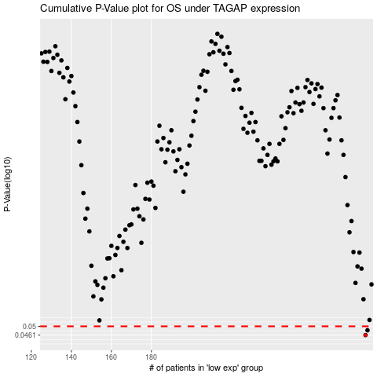

 |  |  |  |  |  | cases_OS | p_OS | rank | exp
 |  |  |  |  |  | 287 | 0.0461 | 197 | 0.020767498635
 |  |  |  |  |  | 288 | 0.0482 | 147 | 0.022356581854
 |  |  |  |  |  |  | cases_RFS | p_RFS | rank | exp
 |  |  |  |  |  |  | 286 | 0.0461 | 201 | 0.019938927339
 |  |  |  |  |  |  | 287 | 0.0482 | 197 | 0.020767498635

