TAGLN2 _multivariate
Reported by Tex Li-Hsing Chi. tex@gate.sinica.edu.tw 2019-08-15

Table 2. The clinicopathological features of HNSCC cohort and TAGLN2 expression. (Chi square test)
Cutoff at -0.082 (50.0%)
 |  | TAGLN2 expression |  | TAGLN2 expression |  | (Optimised)
 | Features | Low | (%) | High | (%) | Case no | P-value | Remark | Matthews
Gender | Female | 157 | 37.8 | 149 | 35.9 | 415 | 0.3881 | 0 | 0
2 | Male | 50 | 12 | 59 | 14.2
Age at diagnosis | <=65y | 142 | 34.2 | 132 | 31.8 | 415 | 0.3167 | 0 | 0
4 | >65y | 65 | 15.7 | 76 | 18.3
Clinical T Status | T1+T2 | 72 | 17.3 | 77 | 18.6 | 415 | 0.7095 | 0 | 0
6 | T3+T4 | 135 | 32.5 | 131 | 31.6
Clinical N Status | N0 | 107 | 25.8 | 109 | 26.3 | 415 | 0.9624 | 0 | 0
8 | N1-3 | 100 | 24.1 | 99 | 23.9
Clinical M Status | M0 | 207 | 49.9 | 205 | 49.4 | 415 | 0.2482 | 0 | 0
10 | M1 | 0 | 0 | 3 | 0.7
Clinical Stage | Stage I+II | 49 | 11.8 | 53 | 12.8 | 415 | 0.7535 | 0 | 0
12 | Stage III+IV | 158 | 38.1 | 155 | 37.3
Surgical Margin status | Negative | 160 | 38.6 | 158 | 38.1 | 415 | 0.8167 | 0 | 0
14 | Positive | 47 | 11.3 | 50 | 12
Tobacco Exposure | Low | 72 | 17.3 | 89 | 21.4 | 415 | 0.1071 | 0 | 0
16 | High | 135 | 32.5 | 119 | 28.7

Table 3. Univariate/Multivariate Cox's proportional hazards regression analyses on OS time of TAGLN2 gene expression in HNSCC

 |  | Univariate |  |  |  | Multivariate
 | Features | HR | CI95%(L) | CI95%(H) | P-value | HR | CI95%(L) | CI95%(H) | P-value
1 | Female | 1 |  |  |  | 1
Gender | Male | 1.157 | 0.843 | 1.587 | 0.367 | 1.229 | 0.877 | 1.721 | 0.231
11 | <=65y | 1 |  |  |  | 1
Age at diagnosis | >65y | 1.329 | 0.99 | 1.784 | 0.058 | 1.395 | 1.026 | 1.899 | 0.034
12 | T1+T2 | 1 |  |  |  | 1
Clinical T Status | T3+T4 | 1.409 | 1.028 | 1.931 | 0.033 | 2.203 | 1.164 | 4.168 | 0.015
13 | N0 | 1 |  |  |  | 1
Clinical N Status | N1-3 | 1.185 | 0.89 | 1.577 | 0.246 | 1.257 | 0.88 | 1.795 | 0.208
14 | M0 | 1 |  |  |  | 1
Clinical M Status | M1 | 4.097 | 1.009 | 16.644 | 0.049 | 10.641 | 2.3 | 49.224 | 0.002
15 | Stage I+II | 1 |  |  |  | 1
Clinical Stage | Stage III+IV | 1.245 | 0.882 | 1.759 | 0.213 | 0.494 | 0.23 | 1.061 | 0.071
16 | Negative | 1 |  |  |  | 1
Surgical Margin status | Positive | 1.591 | 1.155 | 2.191 | 0.004 | 1.695 | 1.225 | 2.344 | 0.001
17 | Low | 1 |  |  |  | 1
Tobacco Exposure | High | 1.364 | 1.008 | 1.844 | 0.044 | 1.437 | 1.042 | 1.981 | 0.027
18 | Low | 1 |  |  |  | 1
RNAseq(z-score) | High | 0.825 | 0.618 | 1.101 | 0.192 | 0.796 | 0.593 | 1.068 | 0.128

Table 4. Univariate/Multivariate Cox's proportional hazards regression analyses on RFS time of TAGLN2 gene expression in HNSCC

 |  | Univariate |  |  |  | Multivariate
 | Features | HR | CI95%(L) | CI95%(H) | P-value | HR | CI95%(L) | CI95%(H) | P-value
1 | Female | 1 |  |  |  | 1
Gender | Male | 1.157 | 0.843 | 1.587 | 0.367 | 1.229 | 0.877 | 1.721 | 0.231
11 | <=65y | 1 |  |  |  | 1
Age at diagnosis | >65y | 1.329 | 0.99 | 1.784 | 0.058 | 1.395 | 1.026 | 1.899 | 0.034
12 | T1+T2 | 1 |  |  |  | 1
Clinical T Status | T3+T4 | 1.409 | 1.028 | 1.931 | 0.033 | 2.203 | 1.164 | 4.168 | 0.015
13 | N0 | 1 |  |  |  | 1
Clinical N Status | N1-3 | 1.185 | 0.89 | 1.577 | 0.246 | 1.257 | 0.88 | 1.795 | 0.208
14 | M0 | 1 |  |  |  | 1
Clinical M Status | M1 | 4.097 | 1.009 | 16.644 | 0.049 | 10.641 | 2.3 | 49.224 | 0.002
15 | Stage I+II | 1 |  |  |  | 1
Clinical Stage | Stage III+IV | 1.245 | 0.882 | 1.759 | 0.213 | 0.494 | 0.23 | 1.061 | 0.071
16 | Negative | 1 |  |  |  | 1
Surgical Margin status | Positive | 1.591 | 1.155 | 2.191 | 0.004 | 1.695 | 1.225 | 2.344 | 0.001
17 | Low | 1 |  |  |  | 1
Tobacco Exposure | High | 1.364 | 1.008 | 1.844 | 0.044 | 1.437 | 1.042 | 1.981 | 0.027
18 | Low | 1 |  |  |  | 1
RNAseq(z-score) | High | 0.825 | 0.618 | 1.101 | 0.192 | 0.796 | 0.593 | 1.068 | 0.128

Kaplan-Meier survival estimate: Cutoff at -0.082 (50.0%)



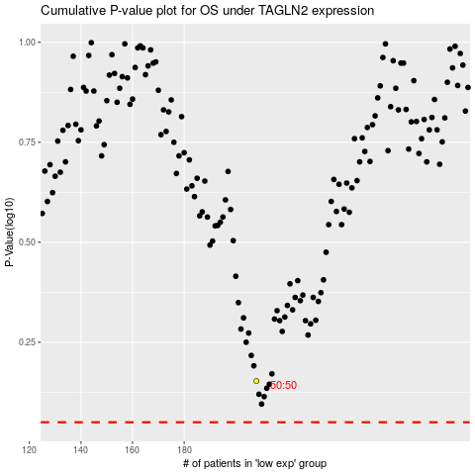

 |  |  |  |  |  | cases_OS | p_OS | rank | exp
 |  |  |  |  |  |  | cases_RFS | p_RFS | rank | exp

