TAGLN3 _multivariate
Reported by Tex Li-Hsing Chi. tex@gate.sinica.edu.tw 2019-08-15

Table 2. The clinicopathological features of HNSCC cohort and TAGLN3 expression. (Chi square test)
Cutoff at -0.235 (50.0%)
 |  | TAGLN3 expression |  | TAGLN3 expression |  | (Optimised)
 | Features | Low | (%) | High | (%) | Case no | P-value | Remark | Matthews
Gender | Female | 143 | 34.5 | 163 | 39.3 | 415 | 0.0416 | 1 | 0
2 | Male | 64 | 15.4 | 45 | 10.8
Age at diagnosis | <=65y | 127 | 30.6 | 147 | 35.4 | 415 | 0.0573 | 0 | 0
4 | >65y | 80 | 19.3 | 61 | 14.7
Clinical T Status | T1+T2 | 81 | 19.5 | 68 | 16.4 | 415 | 0.206 | 0 | 0
6 | T3+T4 | 126 | 30.4 | 140 | 33.7
Clinical N Status | N0 | 108 | 26 | 108 | 26 | 415 | 1 | 0 | 0
8 | N1-3 | 99 | 23.9 | 100 | 24.1
Clinical M Status | M0 | 204 | 49.2 | 208 | 50.1 | 415 | 0.1232 | 0 | 0
10 | M1 | 3 | 0.7 | 0 | 0
Clinical Stage | Stage I+II | 54 | 13 | 48 | 11.6 | 415 | 0.5498 | 0 | 0
12 | Stage III+IV | 153 | 36.9 | 160 | 38.6
Surgical Margin status | Negative | 157 | 37.8 | 161 | 38.8 | 415 | 0.729 | 0 | 0
14 | Positive | 50 | 12 | 47 | 11.3
Tobacco Exposure | Low | 83 | 20 | 78 | 18.8 | 415 | 0.6152 | 0 | 0
16 | High | 124 | 29.9 | 130 | 31.3

Table 3. Univariate/Multivariate Cox's proportional hazards regression analyses on OS time of TAGLN3 gene expression in HNSCC

 |  | Univariate |  |  |  | Multivariate
 | Features | HR | CI95%(L) | CI95%(H) | P-value | HR | CI95%(L) | CI95%(H) | P-value
1 | Female | 1 |  |  |  | 1
Gender | Male | 1.157 | 0.843 | 1.587 | 0.367 | 1.21 | 0.865 | 1.692 | 0.266
11 | <=65y | 1 |  |  |  | 1
Age at diagnosis | >65y | 1.329 | 0.99 | 1.784 | 0.058 | 1.407 | 1.032 | 1.918 | 0.031
12 | T1+T2 | 1 |  |  |  | 1
Clinical T Status | T3+T4 | 1.409 | 1.028 | 1.931 | 0.033 | 2.207 | 1.167 | 4.174 | 0.015
13 | N0 | 1 |  |  |  | 1
Clinical N Status | N1-3 | 1.185 | 0.89 | 1.577 | 0.246 | 1.248 | 0.874 | 1.783 | 0.222
14 | M0 | 1 |  |  |  | 1
Clinical M Status | M1 | 4.097 | 1.009 | 16.644 | 0.049 | 9.798 | 2.118 | 45.317 | 0.003
15 | Stage I+II | 1 |  |  |  | 1
Clinical Stage | Stage III+IV | 1.245 | 0.882 | 1.759 | 0.213 | 0.501 | 0.233 | 1.077 | 0.077
16 | Negative | 1 |  |  |  | 1
Surgical Margin status | Positive | 1.591 | 1.155 | 2.191 | 0.004 | 1.683 | 1.216 | 2.328 | 0.002
17 | Low | 1 |  |  |  | 1
Tobacco Exposure | High | 1.364 | 1.008 | 1.844 | 0.044 | 1.446 | 1.049 | 1.993 | 0.024
18 | Low | 1 |  |  |  | 1
RNAseq(z-score) | High | 0.975 | 0.732 | 1.299 | 0.864 | 1.077 | 0.801 | 1.449 | 0.622

Table 4. Univariate/Multivariate Cox's proportional hazards regression analyses on RFS time of TAGLN3 gene expression in HNSCC

 |  | Univariate |  |  |  | Multivariate
 | Features | HR | CI95%(L) | CI95%(H) | P-value | HR | CI95%(L) | CI95%(H) | P-value
1 | Female | 1 |  |  |  | 1
Gender | Male | 1.157 | 0.843 | 1.587 | 0.367 | 1.21 | 0.865 | 1.692 | 0.266
11 | <=65y | 1 |  |  |  | 1
Age at diagnosis | >65y | 1.329 | 0.99 | 1.784 | 0.058 | 1.407 | 1.032 | 1.918 | 0.031
12 | T1+T2 | 1 |  |  |  | 1
Clinical T Status | T3+T4 | 1.409 | 1.028 | 1.931 | 0.033 | 2.207 | 1.167 | 4.174 | 0.015
13 | N0 | 1 |  |  |  | 1
Clinical N Status | N1-3 | 1.185 | 0.89 | 1.577 | 0.246 | 1.248 | 0.874 | 1.783 | 0.222
14 | M0 | 1 |  |  |  | 1
Clinical M Status | M1 | 4.097 | 1.009 | 16.644 | 0.049 | 9.798 | 2.118 | 45.317 | 0.003
15 | Stage I+II | 1 |  |  |  | 1
Clinical Stage | Stage III+IV | 1.245 | 0.882 | 1.759 | 0.213 | 0.501 | 0.233 | 1.077 | 0.077
16 | Negative | 1 |  |  |  | 1
Surgical Margin status | Positive | 1.591 | 1.155 | 2.191 | 0.004 | 1.683 | 1.216 | 2.328 | 0.002
17 | Low | 1 |  |  |  | 1
Tobacco Exposure | High | 1.364 | 1.008 | 1.844 | 0.044 | 1.446 | 1.049 | 1.993 | 0.024
18 | Low | 1 |  |  |  | 1
RNAseq(z-score) | High | 0.975 | 0.732 | 1.299 | 0.864 | 1.077 | 0.801 | 1.449 | 0.622

Kaplan-Meier survival estimate: Cutoff at -0.235 (50.0%)

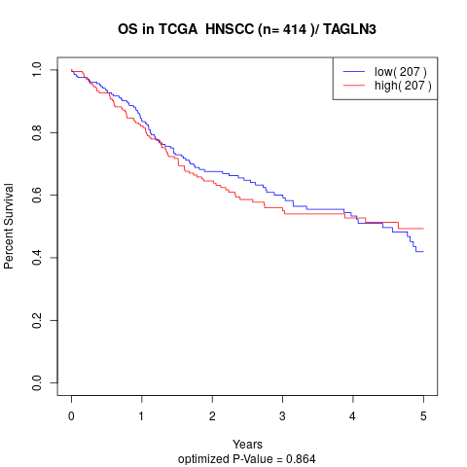

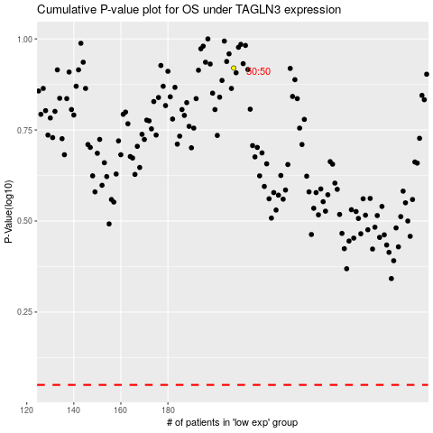

 |  |  |  |  |  | cases_OS | p_OS | rank | exp
 |  |  |  |  |  |  | cases_RFS | p_RFS | rank | exp

