TANC1 _multivariate
Reported by Tex Li-Hsing Chi. tex@gate.sinica.edu.tw 2019-08-15

Table 2. The clinicopathological features of HNSCC cohort and TANC1 expression. (Chi square test)
Cutoff at -0.109 (49.8%)
 |  | TANC1 expression |  | TANC1 expression |  | (Optimised)
 | Features | Low | (%) | High | (%) | Case no | P-value | Remark | Matthews
Gender | Female | 147 | 35.4 | 159 | 38.3 | 415 | 0.2523 | 0 | 0
2 | Male | 60 | 14.5 | 49 | 11.8
Age at diagnosis | <=65y | 129 | 31.1 | 145 | 34.9 | 415 | 0.1372 | 0 | 0
4 | >65y | 78 | 18.8 | 63 | 15.2
Clinical T Status | T1+T2 | 81 | 19.5 | 68 | 16.4 | 415 | 0.206 | 0 | 0
6 | T3+T4 | 126 | 30.4 | 140 | 33.7
Clinical N Status | N0 | 115 | 27.7 | 101 | 24.3 | 415 | 0.184 | 1 | 0
8 | N1-3 | 92 | 22.2 | 107 | 25.8
Clinical M Status | M0 | 204 | 49.2 | 208 | 50.1 | 415 | 0.1232 | 0 | 0
10 | M1 | 3 | 0.7 | 0 | 0
Clinical Stage | Stage I+II | 56 | 13.5 | 46 | 11.1 | 415 | 0.2918 | 0 | 0
12 | Stage III+IV | 151 | 36.4 | 162 | 39
Surgical Margin status | Negative | 155 | 37.3 | 163 | 39.3 | 415 | 0.4187 | 0 | 0
14 | Positive | 52 | 12.5 | 45 | 10.8
Tobacco Exposure | Low | 93 | 22.4 | 68 | 16.4 | 415 | 0.0118 | 1 | 0
16 | High | 114 | 27.5 | 140 | 33.7

Table 3. Univariate/Multivariate Cox's proportional hazards regression analyses on OS time of TANC1 gene expression in HNSCC

 |  | Univariate |  |  |  | Multivariate
 | Features | HR | CI95%(L) | CI95%(H) | P-value | HR | CI95%(L) | CI95%(H) | P-value
1 | Female | 1 |  |  |  | 1
Gender | Male | 1.157 | 0.843 | 1.587 | 0.367 | 1.196 | 0.855 | 1.672 | 0.295
11 | <=65y | 1 |  |  |  | 1
Age at diagnosis | >65y | 1.329 | 0.99 | 1.784 | 0.058 | 1.376 | 1.011 | 1.873 | 0.043
12 | T1+T2 | 1 |  |  |  | 1
Clinical T Status | T3+T4 | 1.409 | 1.028 | 1.931 | 0.033 | 2.214 | 1.171 | 4.186 | 0.014
13 | N0 | 1 |  |  |  | 1
Clinical N Status | N1-3 | 1.185 | 0.89 | 1.577 | 0.246 | 1.248 | 0.874 | 1.78 | 0.223
14 | M0 | 1 |  |  |  | 1
Clinical M Status | M1 | 4.097 | 1.009 | 16.644 | 0.049 | 8.921 | 1.931 | 41.215 | 0.005
15 | Stage I+II | 1 |  |  |  | 1
Clinical Stage | Stage III+IV | 1.245 | 0.882 | 1.759 | 0.213 | 0.507 | 0.236 | 1.088 | 0.081
16 | Negative | 1 |  |  |  | 1
Surgical Margin status | Positive | 1.591 | 1.155 | 2.191 | 0.004 | 1.655 | 1.196 | 2.289 | 0.002
17 | Low | 1 |  |  |  | 1
Tobacco Exposure | High | 1.364 | 1.008 | 1.844 | 0.044 | 1.465 | 1.062 | 2.021 | 0.02
18 | Low | 1 |  |  |  | 1
RNAseq(z-score) | High | 0.892 | 0.668 | 1.191 | 0.438 | 0.904 | 0.67 | 1.22 | 0.511

Table 4. Univariate/Multivariate Cox's proportional hazards regression analyses on RFS time of TANC1 gene expression in HNSCC

 |  | Univariate |  |  |  | Multivariate
 | Features | HR | CI95%(L) | CI95%(H) | P-value | HR | CI95%(L) | CI95%(H) | P-value
1 | Female | 1 |  |  |  | 1
Gender | Male | 1.157 | 0.843 | 1.587 | 0.367 | 1.196 | 0.855 | 1.672 | 0.295
11 | <=65y | 1 |  |  |  | 1
Age at diagnosis | >65y | 1.329 | 0.99 | 1.784 | 0.058 | 1.376 | 1.011 | 1.873 | 0.043
12 | T1+T2 | 1 |  |  |  | 1
Clinical T Status | T3+T4 | 1.409 | 1.028 | 1.931 | 0.033 | 2.214 | 1.171 | 4.186 | 0.014
13 | N0 | 1 |  |  |  | 1
Clinical N Status | N1-3 | 1.185 | 0.89 | 1.577 | 0.246 | 1.248 | 0.874 | 1.78 | 0.223
14 | M0 | 1 |  |  |  | 1
Clinical M Status | M1 | 4.097 | 1.009 | 16.644 | 0.049 | 8.921 | 1.931 | 41.215 | 0.005
15 | Stage I+II | 1 |  |  |  | 1
Clinical Stage | Stage III+IV | 1.245 | 0.882 | 1.759 | 0.213 | 0.507 | 0.236 | 1.088 | 0.081
16 | Negative | 1 |  |  |  | 1
Surgical Margin status | Positive | 1.591 | 1.155 | 2.191 | 0.004 | 1.655 | 1.196 | 2.289 | 0.002
17 | Low | 1 |  |  |  | 1
Tobacco Exposure | High | 1.364 | 1.008 | 1.844 | 0.044 | 1.465 | 1.062 | 2.021 | 0.02
18 | Low | 1 |  |  |  | 1
RNAseq(z-score) | High | 0.892 | 0.668 | 1.191 | 0.438 | 0.904 | 0.67 | 1.22 | 0.511

Kaplan-Meier survival estimate: Cutoff at -0.109 (49.8%)



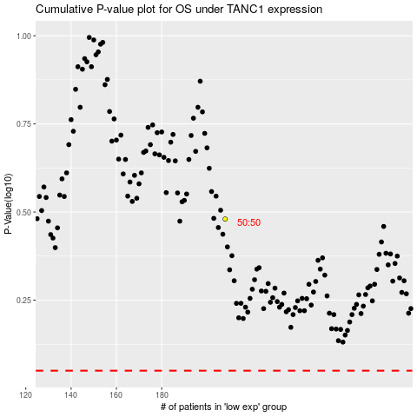

 |  |  |  |  |  | cases_OS | p_OS | rank | exp
 |  |  |  |  |  |  | cases_RFS | p_RFS | rank | exp

