TANC2 _multivariate
Reported by Tex Li-Hsing Chi. tex@gate.sinica.edu.tw 2019-08-15

Table 2. The clinicopathological features of HNSCC cohort and TANC2 expression. (Chi square test)
Cutoff at -0.28 (38.9%)
 |  | TANC2 expression |  | TANC2 expression |  | (Optimised)
 | Features | Low | (%) | High | (%) | Case no | P-value | Remark | Matthews
Gender | Female | 125 | 30.1 | 181 | 43.6 | 415 | 0.2483 | 0 | 0
2 | Male | 37 | 8.9 | 72 | 17.3
Age at diagnosis | <=65y | 126 | 30.4 | 148 | 35.7 | 415 | 1e-04 | 1 | 0
4 | >65y | 36 | 8.7 | 105 | 25.3
Clinical T Status | T1+T2 | 58 | 14 | 91 | 21.9 | 415 | 1 | 0 | 0
6 | T3+T4 | 104 | 25.1 | 162 | 39
Clinical N Status | N0 | 78 | 18.8 | 138 | 33.3 | 415 | 0.2412 | 0 | 0
8 | N1-3 | 84 | 20.2 | 115 | 27.7
Clinical M Status | M0 | 161 | 38.8 | 251 | 60.5 | 415 | 1 | 0 | 0
10 | M1 | 1 | 0.2 | 2 | 0.5
Clinical Stage | Stage I+II | 34 | 8.2 | 68 | 16.4 | 415 | 0.214 | 0 | 0
12 | Stage III+IV | 128 | 30.8 | 185 | 44.6
Surgical Margin status | Negative | 122 | 29.4 | 196 | 47.2 | 415 | 0.6355 | 0 | 0
14 | Positive | 40 | 9.6 | 57 | 13.7
Tobacco Exposure | Low | 59 | 14.2 | 102 | 24.6 | 415 | 0.4702 | 0 | 0
16 | High | 103 | 24.8 | 151 | 36.4

Table 3. Univariate/Multivariate Cox's proportional hazards regression analyses on OS time of TANC2 gene expression in HNSCC

 |  | Univariate |  |  |  | Multivariate
 | Features | HR | CI95%(L) | CI95%(H) | P-value | HR | CI95%(L) | CI95%(H) | P-value
1 | Female | 1 |  |  |  | 1
Gender | Male | 1.157 | 0.843 | 1.587 | 0.367 | 1.227 | 0.878 | 1.715 | 0.23
11 | <=65y | 1 |  |  |  | 1
Age at diagnosis | >65y | 1.329 | 0.99 | 1.784 | 0.058 | 1.28 | 0.933 | 1.755 | 0.125
12 | T1+T2 | 1 |  |  |  | 1
Clinical T Status | T3+T4 | 1.409 | 1.028 | 1.931 | 0.033 | 2.231 | 1.179 | 4.221 | 0.014
13 | N0 | 1 |  |  |  | 1
Clinical N Status | N1-3 | 1.185 | 0.89 | 1.577 | 0.246 | 1.286 | 0.901 | 1.836 | 0.166
14 | M0 | 1 |  |  |  | 1
Clinical M Status | M1 | 4.097 | 1.009 | 16.644 | 0.049 | 9.341 | 2.036 | 42.85 | 0.004
15 | Stage I+II | 1 |  |  |  | 1
Clinical Stage | Stage III+IV | 1.245 | 0.882 | 1.759 | 0.213 | 0.513 | 0.239 | 1.101 | 0.087
16 | Negative | 1 |  |  |  | 1
Surgical Margin status | Positive | 1.591 | 1.155 | 2.191 | 0.004 | 1.749 | 1.261 | 2.425 | 0.001
17 | Low | 1 |  |  |  | 1
Tobacco Exposure | High | 1.364 | 1.008 | 1.844 | 0.044 | 1.459 | 1.057 | 2.013 | 0.022
18 | Low | 1 |  |  |  | 1
RNAseq(z-score) | High | 1.382 | 1.021 | 1.871 | 0.036 | 1.451 | 1.054 | 1.996 | 0.022

Table 4. Univariate/Multivariate Cox's proportional hazards regression analyses on RFS time of TANC2 gene expression in HNSCC

 |  | Univariate |  |  |  | Multivariate
 | Features | HR | CI95%(L) | CI95%(H) | P-value | HR | CI95%(L) | CI95%(H) | P-value
1 | Female | 1 |  |  |  | 1
Gender | Male | 1.157 | 0.843 | 1.587 | 0.367 | 1.227 | 0.878 | 1.715 | 0.23
11 | <=65y | 1 |  |  |  | 1
Age at diagnosis | >65y | 1.329 | 0.99 | 1.784 | 0.058 | 1.28 | 0.933 | 1.755 | 0.125
12 | T1+T2 | 1 |  |  |  | 1
Clinical T Status | T3+T4 | 1.409 | 1.028 | 1.931 | 0.033 | 2.231 | 1.179 | 4.221 | 0.014
13 | N0 | 1 |  |  |  | 1
Clinical N Status | N1-3 | 1.185 | 0.89 | 1.577 | 0.246 | 1.286 | 0.901 | 1.836 | 0.166
14 | M0 | 1 |  |  |  | 1
Clinical M Status | M1 | 4.097 | 1.009 | 16.644 | 0.049 | 9.341 | 2.036 | 42.85 | 0.004
15 | Stage I+II | 1 |  |  |  | 1
Clinical Stage | Stage III+IV | 1.245 | 0.882 | 1.759 | 0.213 | 0.513 | 0.239 | 1.101 | 0.087
16 | Negative | 1 |  |  |  | 1
Surgical Margin status | Positive | 1.591 | 1.155 | 2.191 | 0.004 | 1.749 | 1.261 | 2.425 | 0.001
17 | Low | 1 |  |  |  | 1
Tobacco Exposure | High | 1.364 | 1.008 | 1.844 | 0.044 | 1.459 | 1.057 | 2.013 | 0.022
18 | Low | 1 |  |  |  | 1
RNAseq(z-score) | High | 1.382 | 1.021 | 1.871 | 0.036 | 1.451 | 1.054 | 1.996 | 0.022

Kaplan-Meier survival estimate: Cutoff at -0.28 (38.9%)



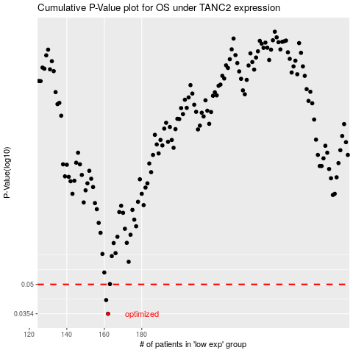

 |  |  |  |  |  | cases_OS | p_OS | rank | exp
 |  |  |  |  |  | 162 | 0.0354 | 370 | -0.28020522316
 |  |  |  |  |  | 161 | 0.0416 | 268 | -0.29987033218
 |  |  |  |  |  |  | cases_RFS | p_RFS | rank | exp
 |  |  |  |  |  |  | 161 | 0.0354 | 268 | -0.29987033218
 |  |  |  |  |  |  | 160 | 0.0416 | 362 | -0.30276280933

