TANK _multivariate
Reported by Tex Li-Hsing Chi. tex@gate.sinica.edu.tw 2019-08-15

Table 2. The clinicopathological features of HNSCC cohort and TANK expression. (Chi square test)
Cutoff at -0.091 (50.0%)
 |  | TANK expression |  | TANK expression |  | (Optimised)
 | Features | Low | (%) | High | (%) | Case no | P-value | Remark | Matthews
Gender | Female | 159 | 38.3 | 147 | 35.4 | 415 | 0.1905 | 0 | 0
2 | Male | 48 | 11.6 | 61 | 14.7
Age at diagnosis | <=65y | 147 | 35.4 | 127 | 30.6 | 415 | 0.0416 | 1 | 0
4 | >65y | 60 | 14.5 | 81 | 19.5
Clinical T Status | T1+T2 | 66 | 15.9 | 83 | 20 | 415 | 0.1095 | 0 | 0
6 | T3+T4 | 141 | 34 | 125 | 30.1
Clinical N Status | N0 | 103 | 24.8 | 113 | 27.2 | 415 | 0.4047 | 0 | 0
8 | N1-3 | 104 | 25.1 | 95 | 22.9
Clinical M Status | M0 | 204 | 49.2 | 208 | 50.1 | 415 | 0.1232 | 0 | 0
10 | M1 | 3 | 0.7 | 0 | 0
Clinical Stage | Stage I+II | 43 | 10.4 | 59 | 14.2 | 415 | 0.0925 | 0 | 0
12 | Stage III+IV | 164 | 39.5 | 149 | 35.9
Surgical Margin status | Negative | 154 | 37.1 | 164 | 39.5 | 415 | 0.2984 | 0 | 0
14 | Positive | 53 | 12.8 | 44 | 10.6
Tobacco Exposure | Low | 76 | 18.3 | 85 | 20.5 | 415 | 0.4207 | 0 | 0
16 | High | 131 | 31.6 | 123 | 29.6

Table 3. Univariate/Multivariate Cox's proportional hazards regression analyses on OS time of TANK gene expression in HNSCC

 |  | Univariate |  |  |  | Multivariate
 | Features | HR | CI95%(L) | CI95%(H) | P-value | HR | CI95%(L) | CI95%(H) | P-value
1 | Female | 1 |  |  |  | 1
Gender | Male | 1.157 | 0.843 | 1.587 | 0.367 | 1.207 | 0.863 | 1.688 | 0.273
11 | <=65y | 1 |  |  |  | 1
Age at diagnosis | >65y | 1.329 | 0.99 | 1.784 | 0.058 | 1.393 | 1.025 | 1.894 | 0.034
12 | T1+T2 | 1 |  |  |  | 1
Clinical T Status | T3+T4 | 1.409 | 1.028 | 1.931 | 0.033 | 2.184 | 1.153 | 4.137 | 0.017
13 | N0 | 1 |  |  |  | 1
Clinical N Status | N1-3 | 1.185 | 0.89 | 1.577 | 0.246 | 1.236 | 0.865 | 1.765 | 0.244
14 | M0 | 1 |  |  |  | 1
Clinical M Status | M1 | 4.097 | 1.009 | 16.644 | 0.049 | 9.14 | 1.977 | 42.259 | 0.005
15 | Stage I+II | 1 |  |  |  | 1
Clinical Stage | Stage III+IV | 1.245 | 0.882 | 1.759 | 0.213 | 0.505 | 0.235 | 1.084 | 0.08
16 | Negative | 1 |  |  |  | 1
Surgical Margin status | Positive | 1.591 | 1.155 | 2.191 | 0.004 | 1.671 | 1.209 | 2.309 | 0.002
17 | Low | 1 |  |  |  | 1
Tobacco Exposure | High | 1.364 | 1.008 | 1.844 | 0.044 | 1.447 | 1.049 | 1.996 | 0.024
18 | Low | 1 |  |  |  | 1
RNAseq(z-score) | High | 0.882 | 0.663 | 1.175 | 0.392 | 0.95 | 0.706 | 1.277 | 0.732

Table 4. Univariate/Multivariate Cox's proportional hazards regression analyses on RFS time of TANK gene expression in HNSCC

 |  | Univariate |  |  |  | Multivariate
 | Features | HR | CI95%(L) | CI95%(H) | P-value | HR | CI95%(L) | CI95%(H) | P-value
1 | Female | 1 |  |  |  | 1
Gender | Male | 1.157 | 0.843 | 1.587 | 0.367 | 1.207 | 0.863 | 1.688 | 0.273
11 | <=65y | 1 |  |  |  | 1
Age at diagnosis | >65y | 1.329 | 0.99 | 1.784 | 0.058 | 1.393 | 1.025 | 1.894 | 0.034
12 | T1+T2 | 1 |  |  |  | 1
Clinical T Status | T3+T4 | 1.409 | 1.028 | 1.931 | 0.033 | 2.184 | 1.153 | 4.137 | 0.017
13 | N0 | 1 |  |  |  | 1
Clinical N Status | N1-3 | 1.185 | 0.89 | 1.577 | 0.246 | 1.236 | 0.865 | 1.765 | 0.244
14 | M0 | 1 |  |  |  | 1
Clinical M Status | M1 | 4.097 | 1.009 | 16.644 | 0.049 | 9.14 | 1.977 | 42.259 | 0.005
15 | Stage I+II | 1 |  |  |  | 1
Clinical Stage | Stage III+IV | 1.245 | 0.882 | 1.759 | 0.213 | 0.505 | 0.235 | 1.084 | 0.08
16 | Negative | 1 |  |  |  | 1
Surgical Margin status | Positive | 1.591 | 1.155 | 2.191 | 0.004 | 1.671 | 1.209 | 2.309 | 0.002
17 | Low | 1 |  |  |  | 1
Tobacco Exposure | High | 1.364 | 1.008 | 1.844 | 0.044 | 1.447 | 1.049 | 1.996 | 0.024
18 | Low | 1 |  |  |  | 1
RNAseq(z-score) | High | 0.882 | 0.663 | 1.175 | 0.392 | 0.95 | 0.706 | 1.277 | 0.732

Kaplan-Meier survival estimate: Cutoff at -0.091 (50.0%)



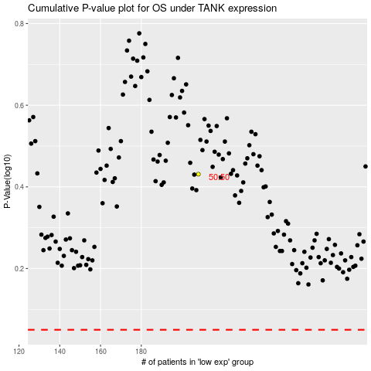

 |  |  |  |  |  | cases_OS | p_OS | rank | exp
 |  |  |  |  |  |  | cases_RFS | p_RFS | rank | exp

