TAOK3 _multivariate
Reported by Tex Li-Hsing Chi. tex@gate.sinica.edu.tw 2019-08-15

Table 2. The clinicopathological features of HNSCC cohort and TAOK3 expression. (Chi square test)
Cutoff at -0.018 (50.0%)
 |  | TAOK3 expression |  | TAOK3 expression |  | (Optimised)
 | Features | Low | (%) | High | (%) | Case no | P-value | Remark | Matthews
Gender | Female | 160 | 38.6 | 146 | 35.2 | 415 | 0.1254 | 0 | 0
2 | Male | 47 | 11.3 | 62 | 14.9
Age at diagnosis | <=65y | 140 | 33.7 | 134 | 32.3 | 415 | 0.5574 | 0 | 0
4 | >65y | 67 | 16.1 | 74 | 17.8
Clinical T Status | T1+T2 | 71 | 17.1 | 78 | 18.8 | 415 | 0.5638 | 0 | 0
6 | T3+T4 | 136 | 32.8 | 130 | 31.3
Clinical N Status | N0 | 107 | 25.8 | 109 | 26.3 | 415 | 0.9624 | 0 | 0
8 | N1-3 | 100 | 24.1 | 99 | 23.9
Clinical M Status | M0 | 205 | 49.4 | 207 | 49.9 | 415 | 0.6232 | 0 | 0
10 | M1 | 2 | 0.5 | 1 | 0.2
Clinical Stage | Stage I+II | 43 | 10.4 | 59 | 14.2 | 415 | 0.0925 | 0 | 0
12 | Stage III+IV | 164 | 39.5 | 149 | 35.9
Surgical Margin status | Negative | 157 | 37.8 | 161 | 38.8 | 415 | 0.729 | 0 | 0
14 | Positive | 50 | 12 | 47 | 11.3
Tobacco Exposure | Low | 61 | 14.7 | 100 | 24.1 | 415 | 1e-04 | 1 | 0
16 | High | 146 | 35.2 | 108 | 26

Table 3. Univariate/Multivariate Cox's proportional hazards regression analyses on OS time of TAOK3 gene expression in HNSCC

 |  | Univariate |  |  |  | Multivariate
 | Features | HR | CI95%(L) | CI95%(H) | P-value | HR | CI95%(L) | CI95%(H) | P-value
1 | Female | 1 |  |  |  | 1
Gender | Male | 1.157 | 0.843 | 1.587 | 0.367 | 1.223 | 0.876 | 1.708 | 0.237
11 | <=65y | 1 |  |  |  | 1
Age at diagnosis | >65y | 1.329 | 0.99 | 1.784 | 0.058 | 1.397 | 1.027 | 1.901 | 0.033
12 | T1+T2 | 1 |  |  |  | 1
Clinical T Status | T3+T4 | 1.409 | 1.028 | 1.931 | 0.033 | 2.149 | 1.136 | 4.065 | 0.019
13 | N0 | 1 |  |  |  | 1
Clinical N Status | N1-3 | 1.185 | 0.89 | 1.577 | 0.246 | 1.233 | 0.864 | 1.759 | 0.248
14 | M0 | 1 |  |  |  | 1
Clinical M Status | M1 | 4.097 | 1.009 | 16.644 | 0.049 | 9.564 | 2.086 | 43.856 | 0.004
15 | Stage I+II | 1 |  |  |  | 1
Clinical Stage | Stage III+IV | 1.245 | 0.882 | 1.759 | 0.213 | 0.531 | 0.247 | 1.142 | 0.105
16 | Negative | 1 |  |  |  | 1
Surgical Margin status | Positive | 1.591 | 1.155 | 2.191 | 0.004 | 1.681 | 1.216 | 2.323 | 0.002
17 | Low | 1 |  |  |  | 1
Tobacco Exposure | High | 1.364 | 1.008 | 1.844 | 0.044 | 1.572 | 1.129 | 2.189 | 0.007
18 | Low | 1 |  |  |  | 1
RNAseq(z-score) | High | 1.267 | 0.95 | 1.69 | 0.107 | 1.377 | 1.023 | 1.854 | 0.035

Table 4. Univariate/Multivariate Cox's proportional hazards regression analyses on RFS time of TAOK3 gene expression in HNSCC

 |  | Univariate |  |  |  | Multivariate
 | Features | HR | CI95%(L) | CI95%(H) | P-value | HR | CI95%(L) | CI95%(H) | P-value
1 | Female | 1 |  |  |  | 1
Gender | Male | 1.157 | 0.843 | 1.587 | 0.367 | 1.223 | 0.876 | 1.708 | 0.237
11 | <=65y | 1 |  |  |  | 1
Age at diagnosis | >65y | 1.329 | 0.99 | 1.784 | 0.058 | 1.397 | 1.027 | 1.901 | 0.033
12 | T1+T2 | 1 |  |  |  | 1
Clinical T Status | T3+T4 | 1.409 | 1.028 | 1.931 | 0.033 | 2.149 | 1.136 | 4.065 | 0.019
13 | N0 | 1 |  |  |  | 1
Clinical N Status | N1-3 | 1.185 | 0.89 | 1.577 | 0.246 | 1.233 | 0.864 | 1.759 | 0.248
14 | M0 | 1 |  |  |  | 1
Clinical M Status | M1 | 4.097 | 1.009 | 16.644 | 0.049 | 9.564 | 2.086 | 43.856 | 0.004
15 | Stage I+II | 1 |  |  |  | 1
Clinical Stage | Stage III+IV | 1.245 | 0.882 | 1.759 | 0.213 | 0.531 | 0.247 | 1.142 | 0.105
16 | Negative | 1 |  |  |  | 1
Surgical Margin status | Positive | 1.591 | 1.155 | 2.191 | 0.004 | 1.681 | 1.216 | 2.323 | 0.002
17 | Low | 1 |  |  |  | 1
Tobacco Exposure | High | 1.364 | 1.008 | 1.844 | 0.044 | 1.572 | 1.129 | 2.189 | 0.007
18 | Low | 1 |  |  |  | 1
RNAseq(z-score) | High | 1.267 | 0.95 | 1.69 | 0.107 | 1.377 | 1.023 | 1.854 | 0.035

Kaplan-Meier survival estimate: Cutoff at -0.018 (50.0%)



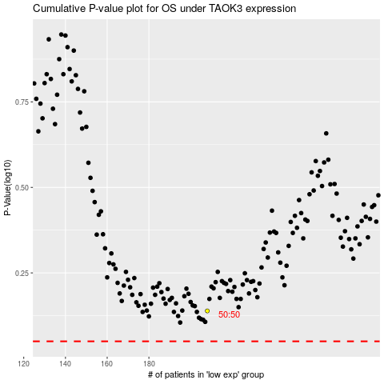

 |  |  |  |  |  | cases_OS | p_OS | rank | exp
 |  |  |  |  |  |  | cases_RFS | p_RFS | rank | exp

