TAP1 _multivariate
Reported by Tex Li-Hsing Chi. tex@gate.sinica.edu.tw 2019-08-15

Table 2. The clinicopathological features of HNSCC cohort and TAP1 expression. (Chi square test)
Cutoff at -0.243 (50.0%)
 |  | TAP1 expression |  | TAP1 expression |  | (Optimised)
 | Features | Low | (%) | High | (%) | Case no | P-value | Remark | Matthews
Gender | Female | 164 | 39.5 | 142 | 34.2 | 415 | 0.0153 | 1 | 0
2 | Male | 43 | 10.4 | 66 | 15.9
Age at diagnosis | <=65y | 145 | 34.9 | 129 | 31.1 | 415 | 0.1046 | 0 | 0
4 | >65y | 62 | 14.9 | 79 | 19
Clinical T Status | T1+T2 | 67 | 16.1 | 82 | 19.8 | 415 | 0.1628 | 0 | 0
6 | T3+T4 | 140 | 33.7 | 126 | 30.4
Clinical N Status | N0 | 110 | 26.5 | 106 | 25.5 | 415 | 0.7294 | 0 | 0
8 | N1-3 | 97 | 23.4 | 102 | 24.6
Clinical M Status | M0 | 207 | 49.9 | 205 | 49.4 | 415 | 0.2482 | 0 | 0
10 | M1 | 0 | 0 | 3 | 0.7
Clinical Stage | Stage I+II | 45 | 10.8 | 57 | 13.7 | 415 | 0.2202 | 0 | 0
12 | Stage III+IV | 162 | 39 | 151 | 36.4
Surgical Margin status | Negative | 159 | 38.3 | 159 | 38.3 | 415 | 1 | 0 | 0
14 | Positive | 48 | 11.6 | 49 | 11.8
Tobacco Exposure | Low | 70 | 16.9 | 91 | 21.9 | 415 | 0.0439 | 1 | 0
16 | High | 137 | 33 | 117 | 28.2

Table 3. Univariate/Multivariate Cox's proportional hazards regression analyses on OS time of TAP1 gene expression in HNSCC

 |  | Univariate |  |  |  | Multivariate
 | Features | HR | CI95%(L) | CI95%(H) | P-value | HR | CI95%(L) | CI95%(H) | P-value
1 | Female | 1 |  |  |  | 1
Gender | Male | 1.157 | 0.843 | 1.587 | 0.367 | 1.217 | 0.871 | 1.7 | 0.25
11 | <=65y | 1 |  |  |  | 1
Age at diagnosis | >65y | 1.329 | 0.99 | 1.784 | 0.058 | 1.41 | 1.037 | 1.917 | 0.028
12 | T1+T2 | 1 |  |  |  | 1
Clinical T Status | T3+T4 | 1.409 | 1.028 | 1.931 | 0.033 | 2.196 | 1.162 | 4.151 | 0.015
13 | N0 | 1 |  |  |  | 1
Clinical N Status | N1-3 | 1.185 | 0.89 | 1.577 | 0.246 | 1.268 | 0.888 | 1.811 | 0.192
14 | M0 | 1 |  |  |  | 1
Clinical M Status | M1 | 4.097 | 1.009 | 16.644 | 0.049 | 10.446 | 2.26 | 48.285 | 0.003
15 | Stage I+II | 1 |  |  |  | 1
Clinical Stage | Stage III+IV | 1.245 | 0.882 | 1.759 | 0.213 | 0.491 | 0.229 | 1.054 | 0.068
16 | Negative | 1 |  |  |  | 1
Surgical Margin status | Positive | 1.591 | 1.155 | 2.191 | 0.004 | 1.685 | 1.219 | 2.329 | 0.002
17 | Low | 1 |  |  |  | 1
Tobacco Exposure | High | 1.364 | 1.008 | 1.844 | 0.044 | 1.421 | 1.03 | 1.959 | 0.032
18 | Low | 1 |  |  |  | 1
RNAseq(z-score) | High | 0.858 | 0.642 | 1.146 | 0.299 | 0.817 | 0.606 | 1.101 | 0.184

Table 4. Univariate/Multivariate Cox's proportional hazards regression analyses on RFS time of TAP1 gene expression in HNSCC

 |  | Univariate |  |  |  | Multivariate
 | Features | HR | CI95%(L) | CI95%(H) | P-value | HR | CI95%(L) | CI95%(H) | P-value
1 | Female | 1 |  |  |  | 1
Gender | Male | 1.157 | 0.843 | 1.587 | 0.367 | 1.217 | 0.871 | 1.7 | 0.25
11 | <=65y | 1 |  |  |  | 1
Age at diagnosis | >65y | 1.329 | 0.99 | 1.784 | 0.058 | 1.41 | 1.037 | 1.917 | 0.028
12 | T1+T2 | 1 |  |  |  | 1
Clinical T Status | T3+T4 | 1.409 | 1.028 | 1.931 | 0.033 | 2.196 | 1.162 | 4.151 | 0.015
13 | N0 | 1 |  |  |  | 1
Clinical N Status | N1-3 | 1.185 | 0.89 | 1.577 | 0.246 | 1.268 | 0.888 | 1.811 | 0.192
14 | M0 | 1 |  |  |  | 1
Clinical M Status | M1 | 4.097 | 1.009 | 16.644 | 0.049 | 10.446 | 2.26 | 48.285 | 0.003
15 | Stage I+II | 1 |  |  |  | 1
Clinical Stage | Stage III+IV | 1.245 | 0.882 | 1.759 | 0.213 | 0.491 | 0.229 | 1.054 | 0.068
16 | Negative | 1 |  |  |  | 1
Surgical Margin status | Positive | 1.591 | 1.155 | 2.191 | 0.004 | 1.685 | 1.219 | 2.329 | 0.002
17 | Low | 1 |  |  |  | 1
Tobacco Exposure | High | 1.364 | 1.008 | 1.844 | 0.044 | 1.421 | 1.03 | 1.959 | 0.032
18 | Low | 1 |  |  |  | 1
RNAseq(z-score) | High | 0.858 | 0.642 | 1.146 | 0.299 | 0.817 | 0.606 | 1.101 | 0.184

Kaplan-Meier survival estimate: Cutoff at -0.243 (50.0%)



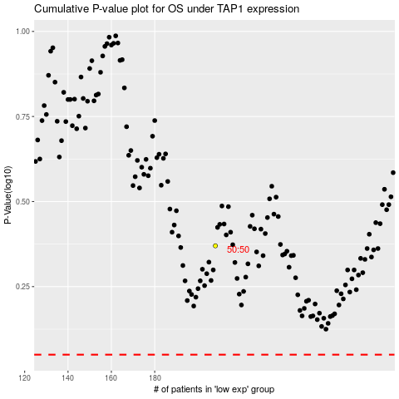

 |  |  |  |  |  | cases_OS | p_OS | rank | exp
 |  |  |  |  |  |  | cases_RFS | p_RFS | rank | exp

