TAPT1 _multivariate
Reported by Tex Li-Hsing Chi. tex@gate.sinica.edu.tw 2019-08-15

Table 2. The clinicopathological features of HNSCC cohort and TAPT1 expression. (Chi square test)
Cutoff at -0.286 (50.0%)
 |  | TAPT1 expression |  | TAPT1 expression |  | (Optimised)
 | Features | Low | (%) | High | (%) | Case no | P-value | Remark | Matthews
Gender | Female | 160 | 38.6 | 146 | 35.2 | 415 | 0.1254 | 0 | 0
2 | Male | 47 | 11.3 | 62 | 14.9
Age at diagnosis | <=65y | 131 | 31.6 | 143 | 34.5 | 415 | 0.2839 | 0 | 0
4 | >65y | 76 | 18.3 | 65 | 15.7
Clinical T Status | T1+T2 | 65 | 15.7 | 84 | 20.2 | 415 | 0.0711 | 0 | 0
6 | T3+T4 | 142 | 34.2 | 124 | 29.9
Clinical N Status | N0 | 103 | 24.8 | 113 | 27.2 | 415 | 0.4047 | 0 | 0
8 | N1-3 | 104 | 25.1 | 95 | 22.9
Clinical M Status | M0 | 206 | 49.6 | 206 | 49.6 | 415 | 1 | 0 | 0
10 | M1 | 1 | 0.2 | 2 | 0.5
Clinical Stage | Stage I+II | 48 | 11.6 | 54 | 13 | 415 | 0.5878 | 0 | 0
12 | Stage III+IV | 159 | 38.3 | 154 | 37.1
Surgical Margin status | Negative | 160 | 38.6 | 158 | 38.1 | 415 | 0.8167 | 0 | 0
14 | Positive | 47 | 11.3 | 50 | 12
Tobacco Exposure | Low | 76 | 18.3 | 85 | 20.5 | 415 | 0.4207 | 0 | 0
16 | High | 131 | 31.6 | 123 | 29.6

Table 3. Univariate/Multivariate Cox's proportional hazards regression analyses on OS time of TAPT1 gene expression in HNSCC

 |  | Univariate |  |  |  | Multivariate
 | Features | HR | CI95%(L) | CI95%(H) | P-value | HR | CI95%(L) | CI95%(H) | P-value
1 | Female | 1 |  |  |  | 1
Gender | Male | 1.157 | 0.843 | 1.587 | 0.367 | 1.21 | 0.864 | 1.695 | 0.267
11 | <=65y | 1 |  |  |  | 1
Age at diagnosis | >65y | 1.329 | 0.99 | 1.784 | 0.058 | 1.389 | 1.021 | 1.89 | 0.037
12 | T1+T2 | 1 |  |  |  | 1
Clinical T Status | T3+T4 | 1.409 | 1.028 | 1.931 | 0.033 | 2.113 | 1.115 | 4.005 | 0.022
13 | N0 | 1 |  |  |  | 1
Clinical N Status | N1-3 | 1.185 | 0.89 | 1.577 | 0.246 | 1.221 | 0.855 | 1.746 | 0.272
14 | M0 | 1 |  |  |  | 1
Clinical M Status | M1 | 4.097 | 1.009 | 16.644 | 0.049 | 9.739 | 2.123 | 44.68 | 0.003
15 | Stage I+II | 1 |  |  |  | 1
Clinical Stage | Stage III+IV | 1.245 | 0.882 | 1.759 | 0.213 | 0.525 | 0.244 | 1.131 | 0.1
16 | Negative | 1 |  |  |  | 1
Surgical Margin status | Positive | 1.591 | 1.155 | 2.191 | 0.004 | 1.693 | 1.224 | 2.34 | 0.001
17 | Low | 1 |  |  |  | 1
Tobacco Exposure | High | 1.364 | 1.008 | 1.844 | 0.044 | 1.478 | 1.07 | 2.041 | 0.018
18 | Low | 1 |  |  |  | 1
RNAseq(z-score) | High | 0.825 | 0.619 | 1.1 | 0.191 | 0.823 | 0.615 | 1.101 | 0.189

Table 4. Univariate/Multivariate Cox's proportional hazards regression analyses on RFS time of TAPT1 gene expression in HNSCC

 |  | Univariate |  |  |  | Multivariate
 | Features | HR | CI95%(L) | CI95%(H) | P-value | HR | CI95%(L) | CI95%(H) | P-value
1 | Female | 1 |  |  |  | 1
Gender | Male | 1.157 | 0.843 | 1.587 | 0.367 | 1.21 | 0.864 | 1.695 | 0.267
11 | <=65y | 1 |  |  |  | 1
Age at diagnosis | >65y | 1.329 | 0.99 | 1.784 | 0.058 | 1.389 | 1.021 | 1.89 | 0.037
12 | T1+T2 | 1 |  |  |  | 1
Clinical T Status | T3+T4 | 1.409 | 1.028 | 1.931 | 0.033 | 2.113 | 1.115 | 4.005 | 0.022
13 | N0 | 1 |  |  |  | 1
Clinical N Status | N1-3 | 1.185 | 0.89 | 1.577 | 0.246 | 1.221 | 0.855 | 1.746 | 0.272
14 | M0 | 1 |  |  |  | 1
Clinical M Status | M1 | 4.097 | 1.009 | 16.644 | 0.049 | 9.739 | 2.123 | 44.68 | 0.003
15 | Stage I+II | 1 |  |  |  | 1
Clinical Stage | Stage III+IV | 1.245 | 0.882 | 1.759 | 0.213 | 0.525 | 0.244 | 1.131 | 0.1
16 | Negative | 1 |  |  |  | 1
Surgical Margin status | Positive | 1.591 | 1.155 | 2.191 | 0.004 | 1.693 | 1.224 | 2.34 | 0.001
17 | Low | 1 |  |  |  | 1
Tobacco Exposure | High | 1.364 | 1.008 | 1.844 | 0.044 | 1.478 | 1.07 | 2.041 | 0.018
18 | Low | 1 |  |  |  | 1
RNAseq(z-score) | High | 0.825 | 0.619 | 1.1 | 0.191 | 0.823 | 0.615 | 1.101 | 0.189

Kaplan-Meier survival estimate: Cutoff at -0.286 (50.0%)



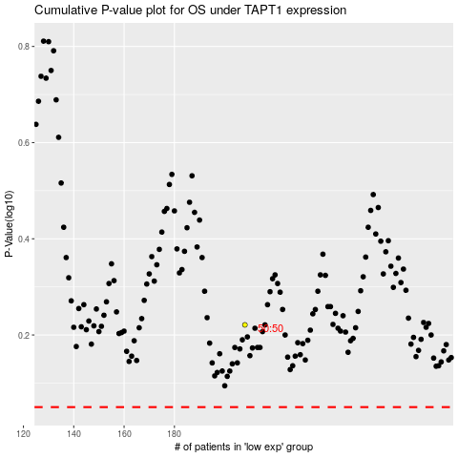

 |  |  |  |  |  | cases_OS | p_OS | rank | exp
 |  |  |  |  |  |  | cases_RFS | p_RFS | rank | exp

