TARBP2 _multivariate
Reported by Tex Li-Hsing Chi. tex@gate.sinica.edu.tw 2019-08-15

Table 2. The clinicopathological features of HNSCC cohort and TARBP2 expression. (Chi square test)
Cutoff at -0.191 (49.8%)
 |  | TARBP2 expression |  | TARBP2 expression |  | (Optimised)
 | Features | Low | (%) | High | (%) | Case no | P-value | Remark | Matthews
Gender | Female | 142 | 34.2 | 164 | 39.5 | 415 | 0.0238 | 1 | 0
2 | Male | 65 | 15.7 | 44 | 10.6
Age at diagnosis | <=65y | 138 | 33.3 | 136 | 32.8 | 415 | 0.8634 | 0 | 0
4 | >65y | 69 | 16.6 | 72 | 17.3
Clinical T Status | T1+T2 | 73 | 17.6 | 76 | 18.3 | 415 | 0.8666 | 0 | 0
6 | T3+T4 | 134 | 32.3 | 132 | 31.8
Clinical N Status | N0 | 109 | 26.3 | 107 | 25.8 | 415 | 0.8812 | 0 | 0
8 | N1-3 | 98 | 23.6 | 101 | 24.3
Clinical M Status | M0 | 207 | 49.9 | 205 | 49.4 | 415 | 0.2482 | 0 | 0
10 | M1 | 0 | 0 | 3 | 0.7
Clinical Stage | Stage I+II | 51 | 12.3 | 51 | 12.3 | 415 | 1 | 0 | 0
12 | Stage III+IV | 156 | 37.6 | 157 | 37.8
Surgical Margin status | Negative | 165 | 39.8 | 153 | 36.9 | 415 | 0.1639 | 0 | 0
14 | Positive | 42 | 10.1 | 55 | 13.3
Tobacco Exposure | Low | 80 | 19.3 | 81 | 19.5 | 415 | 1 | 0 | 0
16 | High | 127 | 30.6 | 127 | 30.6

Table 3. Univariate/Multivariate Cox's proportional hazards regression analyses on OS time of TARBP2 gene expression in HNSCC

 |  | Univariate |  |  |  | Multivariate
 | Features | HR | CI95%(L) | CI95%(H) | P-value | HR | CI95%(L) | CI95%(H) | P-value
1 | Female | 1 |  |  |  | 1
Gender | Male | 1.157 | 0.843 | 1.587 | 0.367 | 1.177 | 0.842 | 1.646 | 0.339
11 | <=65y | 1 |  |  |  | 1
Age at diagnosis | >65y | 1.329 | 0.99 | 1.784 | 0.058 | 1.412 | 1.038 | 1.923 | 0.028
12 | T1+T2 | 1 |  |  |  | 1
Clinical T Status | T3+T4 | 1.409 | 1.028 | 1.931 | 0.033 | 2.219 | 1.173 | 4.198 | 0.014
13 | N0 | 1 |  |  |  | 1
Clinical N Status | N1-3 | 1.185 | 0.89 | 1.577 | 0.246 | 1.258 | 0.881 | 1.796 | 0.207
14 | M0 | 1 |  |  |  | 1
Clinical M Status | M1 | 4.097 | 1.009 | 16.644 | 0.049 | 10.292 | 2.226 | 47.586 | 0.003
15 | Stage I+II | 1 |  |  |  | 1
Clinical Stage | Stage III+IV | 1.245 | 0.882 | 1.759 | 0.213 | 0.494 | 0.23 | 1.062 | 0.071
16 | Negative | 1 |  |  |  | 1
Surgical Margin status | Positive | 1.591 | 1.155 | 2.191 | 0.004 | 1.702 | 1.229 | 2.355 | 0.001
17 | Low | 1 |  |  |  | 1
Tobacco Exposure | High | 1.364 | 1.008 | 1.844 | 0.044 | 1.465 | 1.063 | 2.019 | 0.02
18 | Low | 1 |  |  |  | 1
RNAseq(z-score) | High | 0.928 | 0.696 | 1.236 | 0.607 | 0.844 | 0.629 | 1.132 | 0.258

Table 4. Univariate/Multivariate Cox's proportional hazards regression analyses on RFS time of TARBP2 gene expression in HNSCC

 |  | Univariate |  |  |  | Multivariate
 | Features | HR | CI95%(L) | CI95%(H) | P-value | HR | CI95%(L) | CI95%(H) | P-value
1 | Female | 1 |  |  |  | 1
Gender | Male | 1.157 | 0.843 | 1.587 | 0.367 | 1.177 | 0.842 | 1.646 | 0.339
11 | <=65y | 1 |  |  |  | 1
Age at diagnosis | >65y | 1.329 | 0.99 | 1.784 | 0.058 | 1.412 | 1.038 | 1.923 | 0.028
12 | T1+T2 | 1 |  |  |  | 1
Clinical T Status | T3+T4 | 1.409 | 1.028 | 1.931 | 0.033 | 2.219 | 1.173 | 4.198 | 0.014
13 | N0 | 1 |  |  |  | 1
Clinical N Status | N1-3 | 1.185 | 0.89 | 1.577 | 0.246 | 1.258 | 0.881 | 1.796 | 0.207
14 | M0 | 1 |  |  |  | 1
Clinical M Status | M1 | 4.097 | 1.009 | 16.644 | 0.049 | 10.292 | 2.226 | 47.586 | 0.003
15 | Stage I+II | 1 |  |  |  | 1
Clinical Stage | Stage III+IV | 1.245 | 0.882 | 1.759 | 0.213 | 0.494 | 0.23 | 1.062 | 0.071
16 | Negative | 1 |  |  |  | 1
Surgical Margin status | Positive | 1.591 | 1.155 | 2.191 | 0.004 | 1.702 | 1.229 | 2.355 | 0.001
17 | Low | 1 |  |  |  | 1
Tobacco Exposure | High | 1.364 | 1.008 | 1.844 | 0.044 | 1.465 | 1.063 | 2.019 | 0.02
18 | Low | 1 |  |  |  | 1
RNAseq(z-score) | High | 0.928 | 0.696 | 1.236 | 0.607 | 0.844 | 0.629 | 1.132 | 0.258

Kaplan-Meier survival estimate: Cutoff at -0.191 (49.8%)



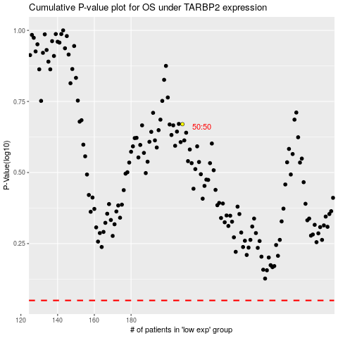

 |  |  |  |  |  | cases_OS | p_OS | rank | exp
 |  |  |  |  |  |  | cases_RFS | p_RFS | rank | exp

