TARP _multivariate
Reported by Tex Li-Hsing Chi. tex@gate.sinica.edu.tw 2019-08-15

Table 2. The clinicopathological features of HNSCC cohort and TARP expression. (Chi square test)
Cutoff at -0.343 (50.0%)
 |  | TARP expression |  | TARP expression |  | (Optimised)
 | Features | Low | (%) | High | (%) | Case no | P-value | Remark | Matthews
Gender | Female | 156 | 37.6 | 150 | 36.1 | 415 | 0.5222 | 0 | 0
2 | Male | 51 | 12.3 | 58 | 14
Age at diagnosis | <=65y | 136 | 32.8 | 138 | 33.3 | 415 | 0.9719 | 0 | 0
4 | >65y | 71 | 17.1 | 70 | 16.9
Clinical T Status | T1+T2 | 63 | 15.2 | 86 | 20.7 | 415 | 0.0268 | 1 | 0
6 | T3+T4 | 144 | 34.7 | 122 | 29.4
Clinical N Status | N0 | 116 | 28 | 100 | 24.1 | 415 | 0.1273 | 1 | 0
8 | N1-3 | 91 | 21.9 | 108 | 26
Clinical M Status | M0 | 205 | 49.4 | 207 | 49.9 | 415 | 0.6232 | 0 | 0
10 | M1 | 2 | 0.5 | 1 | 0.2
Clinical Stage | Stage I+II | 49 | 11.8 | 53 | 12.8 | 415 | 0.7535 | 0 | 0
12 | Stage III+IV | 158 | 38.1 | 155 | 37.3
Surgical Margin status | Negative | 155 | 37.3 | 163 | 39.3 | 415 | 0.4187 | 0 | 0
14 | Positive | 52 | 12.5 | 45 | 10.8
Tobacco Exposure | Low | 72 | 17.3 | 89 | 21.4 | 415 | 0.1071 | 0 | 0
16 | High | 135 | 32.5 | 119 | 28.7

Table 3. Univariate/Multivariate Cox's proportional hazards regression analyses on OS time of TARP gene expression in HNSCC

 |  | Univariate |  |  |  | Multivariate
 | Features | HR | CI95%(L) | CI95%(H) | P-value | HR | CI95%(L) | CI95%(H) | P-value
1 | Female | 1 |  |  |  | 1
Gender | Male | 1.157 | 0.843 | 1.587 | 0.367 | 1.2 | 0.859 | 1.676 | 0.286
11 | <=65y | 1 |  |  |  | 1
Age at diagnosis | >65y | 1.329 | 0.99 | 1.784 | 0.058 | 1.385 | 1.019 | 1.883 | 0.037
12 | T1+T2 | 1 |  |  |  | 1
Clinical T Status | T3+T4 | 1.409 | 1.028 | 1.931 | 0.033 | 2.153 | 1.136 | 4.082 | 0.019
13 | N0 | 1 |  |  |  | 1
Clinical N Status | N1-3 | 1.185 | 0.89 | 1.577 | 0.246 | 1.243 | 0.871 | 1.774 | 0.23
14 | M0 | 1 |  |  |  | 1
Clinical M Status | M1 | 4.097 | 1.009 | 16.644 | 0.049 | 9.131 | 1.988 | 41.933 | 0.004
15 | Stage I+II | 1 |  |  |  | 1
Clinical Stage | Stage III+IV | 1.245 | 0.882 | 1.759 | 0.213 | 0.512 | 0.238 | 1.1 | 0.086
16 | Negative | 1 |  |  |  | 1
Surgical Margin status | Positive | 1.591 | 1.155 | 2.191 | 0.004 | 1.674 | 1.212 | 2.314 | 0.002
17 | Low | 1 |  |  |  | 1
Tobacco Exposure | High | 1.364 | 1.008 | 1.844 | 0.044 | 1.421 | 1.026 | 1.968 | 0.034
18 | Low | 1 |  |  |  | 1
RNAseq(z-score) | High | 0.82 | 0.616 | 1.093 | 0.177 | 0.895 | 0.666 | 1.201 | 0.458

Table 4. Univariate/Multivariate Cox's proportional hazards regression analyses on RFS time of TARP gene expression in HNSCC

 |  | Univariate |  |  |  | Multivariate
 | Features | HR | CI95%(L) | CI95%(H) | P-value | HR | CI95%(L) | CI95%(H) | P-value
1 | Female | 1 |  |  |  | 1
Gender | Male | 1.157 | 0.843 | 1.587 | 0.367 | 1.2 | 0.859 | 1.676 | 0.286
11 | <=65y | 1 |  |  |  | 1
Age at diagnosis | >65y | 1.329 | 0.99 | 1.784 | 0.058 | 1.385 | 1.019 | 1.883 | 0.037
12 | T1+T2 | 1 |  |  |  | 1
Clinical T Status | T3+T4 | 1.409 | 1.028 | 1.931 | 0.033 | 2.153 | 1.136 | 4.082 | 0.019
13 | N0 | 1 |  |  |  | 1
Clinical N Status | N1-3 | 1.185 | 0.89 | 1.577 | 0.246 | 1.243 | 0.871 | 1.774 | 0.23
14 | M0 | 1 |  |  |  | 1
Clinical M Status | M1 | 4.097 | 1.009 | 16.644 | 0.049 | 9.131 | 1.988 | 41.933 | 0.004
15 | Stage I+II | 1 |  |  |  | 1
Clinical Stage | Stage III+IV | 1.245 | 0.882 | 1.759 | 0.213 | 0.512 | 0.238 | 1.1 | 0.086
16 | Negative | 1 |  |  |  | 1
Surgical Margin status | Positive | 1.591 | 1.155 | 2.191 | 0.004 | 1.674 | 1.212 | 2.314 | 0.002
17 | Low | 1 |  |  |  | 1
Tobacco Exposure | High | 1.364 | 1.008 | 1.844 | 0.044 | 1.421 | 1.026 | 1.968 | 0.034
18 | Low | 1 |  |  |  | 1
RNAseq(z-score) | High | 0.82 | 0.616 | 1.093 | 0.177 | 0.895 | 0.666 | 1.201 | 0.458

Kaplan-Meier survival estimate: Cutoff at -0.343 (50.0%)



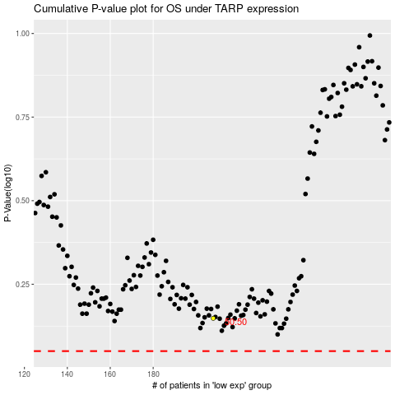

 |  |  |  |  |  | cases_OS | p_OS | rank | exp
 |  |  |  |  |  |  | cases_RFS | p_RFS | rank | exp

