TAS1R1 _multivariate
Reported by Tex Li-Hsing Chi. tex@gate.sinica.edu.tw 2019-08-15

Table 2. The clinicopathological features of HNSCC cohort and TAS1R1 expression. (Chi square test)
Cutoff at -0.179 (69.3%)
 |  | TAS1R1 expression |  | TAS1R1 expression |  | (Optimised)
 | Features | Low | (%) | High | (%) | Case no | P-value | Remark | Matthews
Gender | Female | 205 | 49.4 | 101 | 24.3 | 415 | 0.097 | 0 | 0
2 | Male | 83 | 20 | 26 | 6.3
Age at diagnosis | <=65y | 183 | 44.1 | 91 | 21.9 | 415 | 0.1348 | 0 | 0
4 | >65y | 105 | 25.3 | 36 | 8.7
Clinical T Status | T1+T2 | 106 | 25.5 | 43 | 10.4 | 415 | 0.6414 | 0 | 0
6 | T3+T4 | 182 | 43.9 | 84 | 20.2
Clinical N Status | N0 | 150 | 36.1 | 66 | 15.9 | 415 | 1 | 0 | 0
8 | N1-3 | 138 | 33.3 | 61 | 14.7
Clinical M Status | M0 | 285 | 68.7 | 127 | 30.6 | 415 | 0.5562 | 0 | 0
10 | M1 | 3 | 0.7 | 0 | 0
Clinical Stage | Stage I+II | 75 | 18.1 | 27 | 6.5 | 415 | 0.3581 | 0 | 0
12 | Stage III+IV | 213 | 51.3 | 100 | 24.1
Surgical Margin status | Negative | 214 | 51.6 | 104 | 25.1 | 415 | 0.1025 | 0 | 0
14 | Positive | 74 | 17.8 | 23 | 5.5
Tobacco Exposure | Low | 126 | 30.4 | 35 | 8.4 | 415 | 0.0021 | 1 | 0
16 | High | 162 | 39 | 92 | 22.2

Table 3. Univariate/Multivariate Cox's proportional hazards regression analyses on OS time of TAS1R1 gene expression in HNSCC

 |  | Univariate |  |  |  | Multivariate
 | Features | HR | CI95%(L) | CI95%(H) | P-value | HR | CI95%(L) | CI95%(H) | P-value
1 | Female | 1 |  |  |  | 1
Gender | Male | 1.157 | 0.843 | 1.587 | 0.367 | 1.165 | 0.834 | 1.627 | 0.37
11 | <=65y | 1 |  |  |  | 1
Age at diagnosis | >65y | 1.329 | 0.99 | 1.784 | 0.058 | 1.384 | 1.019 | 1.879 | 0.037
12 | T1+T2 | 1 |  |  |  | 1
Clinical T Status | T3+T4 | 1.409 | 1.028 | 1.931 | 0.033 | 2.174 | 1.15 | 4.111 | 0.017
13 | N0 | 1 |  |  |  | 1
Clinical N Status | N1-3 | 1.185 | 0.89 | 1.577 | 0.246 | 1.208 | 0.847 | 1.723 | 0.297
14 | M0 | 1 |  |  |  | 1
Clinical M Status | M1 | 4.097 | 1.009 | 16.644 | 0.049 | 8.403 | 1.827 | 38.65 | 0.006
15 | Stage I+II | 1 |  |  |  | 1
Clinical Stage | Stage III+IV | 1.245 | 0.882 | 1.759 | 0.213 | 0.53 | 0.247 | 1.139 | 0.104
16 | Negative | 1 |  |  |  | 1
Surgical Margin status | Positive | 1.591 | 1.155 | 2.191 | 0.004 | 1.601 | 1.157 | 2.217 | 0.005
17 | Low | 1 |  |  |  | 1
Tobacco Exposure | High | 1.364 | 1.008 | 1.844 | 0.044 | 1.528 | 1.107 | 2.11 | 0.01
18 | Low | 1 |  |  |  | 1
RNAseq(z-score) | High | 0.698 | 0.504 | 0.966 | 0.03 | 0.712 | 0.508 | 0.998 | 0.048

Table 4. Univariate/Multivariate Cox's proportional hazards regression analyses on RFS time of TAS1R1 gene expression in HNSCC

 |  | Univariate |  |  |  | Multivariate
 | Features | HR | CI95%(L) | CI95%(H) | P-value | HR | CI95%(L) | CI95%(H) | P-value
1 | Female | 1 |  |  |  | 1
Gender | Male | 1.157 | 0.843 | 1.587 | 0.367 | 1.165 | 0.834 | 1.627 | 0.37
11 | <=65y | 1 |  |  |  | 1
Age at diagnosis | >65y | 1.329 | 0.99 | 1.784 | 0.058 | 1.384 | 1.019 | 1.879 | 0.037
12 | T1+T2 | 1 |  |  |  | 1
Clinical T Status | T3+T4 | 1.409 | 1.028 | 1.931 | 0.033 | 2.174 | 1.15 | 4.111 | 0.017
13 | N0 | 1 |  |  |  | 1
Clinical N Status | N1-3 | 1.185 | 0.89 | 1.577 | 0.246 | 1.208 | 0.847 | 1.723 | 0.297
14 | M0 | 1 |  |  |  | 1
Clinical M Status | M1 | 4.097 | 1.009 | 16.644 | 0.049 | 8.403 | 1.827 | 38.65 | 0.006
15 | Stage I+II | 1 |  |  |  | 1
Clinical Stage | Stage III+IV | 1.245 | 0.882 | 1.759 | 0.213 | 0.53 | 0.247 | 1.139 | 0.104
16 | Negative | 1 |  |  |  | 1
Surgical Margin status | Positive | 1.591 | 1.155 | 2.191 | 0.004 | 1.601 | 1.157 | 2.217 | 0.005
17 | Low | 1 |  |  |  | 1
Tobacco Exposure | High | 1.364 | 1.008 | 1.844 | 0.044 | 1.528 | 1.107 | 2.11 | 0.01
18 | Low | 1 |  |  |  | 1
RNAseq(z-score) | High | 0.698 | 0.504 | 0.966 | 0.03 | 0.712 | 0.508 | 0.998 | 0.048

Kaplan-Meier survival estimate: Cutoff at -0.179 (69.3%)

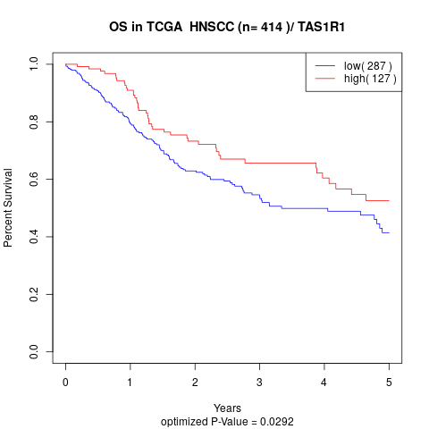

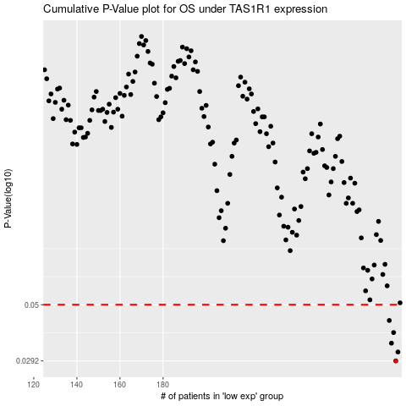

 |  |  |  |  |  | cases_OS | p_OS | rank | exp
 |  |  |  |  |  | 288 | 0.0292 | 374 | -0.17908059764
 |  |  |  |  |  | 289 | 0.0318 | 182 | -0.17823347681
 |  |  |  |  |  | 286 | 0.0346 | 147 | -0.18161271881
 |  |  |  |  |  | 287 | 0.0383 | 176 | -0.18051300195
 |  |  |  |  |  | 285 | 0.043 | 203 | -0.18303896224
 |  |  |  |  |  |  | cases_RFS | p_RFS | rank | exp
 |  |  |  |  |  |  | 287 | 0.0292 | 176 | -0.18051300195
 |  |  |  |  |  |  | 288 | 0.0318 | 374 | -0.17908059764
 |  |  |  |  |  |  | 285 | 0.0346 | 203 | -0.18303896224
 |  |  |  |  |  |  | 286 | 0.0383 | 147 | -0.18161271881
 |  |  |  |  |  |  | 284 | 0.043 | 287 | -0.18432042502

