TAS2R31 _multivariate
Reported by Tex Li-Hsing Chi. tex@gate.sinica.edu.tw 2019-08-15

Table 2. The clinicopathological features of HNSCC cohort and TAS2R31 expression. (Chi square test)
Cutoff at -0.26 (49.8%)
 |  | TAS2R31 expression |  | TAS2R31 expression |  | (Optimised)
 | Features | Low | (%) | High | (%) | Case no | P-value | Remark | Matthews
Gender | Female | 146 | 35.2 | 160 | 38.6 | 415 | 0.1714 | 0 | 0
2 | Male | 61 | 14.7 | 48 | 11.6
Age at diagnosis | <=65y | 133 | 32 | 141 | 34 | 415 | 0.5111 | 0 | 0
4 | >65y | 74 | 17.8 | 67 | 16.1
Clinical T Status | T1+T2 | 78 | 18.8 | 71 | 17.1 | 415 | 0.5152 | 0 | 0
6 | T3+T4 | 129 | 31.1 | 137 | 33
Clinical N Status | N0 | 117 | 28.2 | 99 | 23.9 | 415 | 0.0852 | 1 | 0
8 | N1-3 | 90 | 21.7 | 109 | 26.3
Clinical M Status | M0 | 204 | 49.2 | 208 | 50.1 | 415 | 0.1232 | 0 | 0
10 | M1 | 3 | 0.7 | 0 | 0
Clinical Stage | Stage I+II | 58 | 14 | 44 | 10.6 | 415 | 0.131 | 0 | 0
12 | Stage III+IV | 149 | 35.9 | 164 | 39.5
Surgical Margin status | Negative | 159 | 38.3 | 159 | 38.3 | 415 | 1 | 0 | 0
14 | Positive | 48 | 11.6 | 49 | 11.8
Tobacco Exposure | Low | 96 | 23.1 | 65 | 15.7 | 415 | 0.0018 | 1 | 0
16 | High | 111 | 26.7 | 143 | 34.5

Table 3. Univariate/Multivariate Cox's proportional hazards regression analyses on OS time of TAS2R31 gene expression in HNSCC

 |  | Univariate |  |  |  | Multivariate
 | Features | HR | CI95%(L) | CI95%(H) | P-value | HR | CI95%(L) | CI95%(H) | P-value
1 | Female | 1 |  |  |  | 1
Gender | Male | 1.157 | 0.843 | 1.587 | 0.367 | 1.201 | 0.86 | 1.678 | 0.283
11 | <=65y | 1 |  |  |  | 1
Age at diagnosis | >65y | 1.329 | 0.99 | 1.784 | 0.058 | 1.393 | 1.025 | 1.895 | 0.034
12 | T1+T2 | 1 |  |  |  | 1
Clinical T Status | T3+T4 | 1.409 | 1.028 | 1.931 | 0.033 | 2.196 | 1.161 | 4.154 | 0.016
13 | N0 | 1 |  |  |  | 1
Clinical N Status | N1-3 | 1.185 | 0.89 | 1.577 | 0.246 | 1.243 | 0.871 | 1.774 | 0.231
14 | M0 | 1 |  |  |  | 1
Clinical M Status | M1 | 4.097 | 1.009 | 16.644 | 0.049 | 9.148 | 1.978 | 42.313 | 0.005
15 | Stage I+II | 1 |  |  |  | 1
Clinical Stage | Stage III+IV | 1.245 | 0.882 | 1.759 | 0.213 | 0.507 | 0.236 | 1.088 | 0.081
16 | Negative | 1 |  |  |  | 1
Surgical Margin status | Positive | 1.591 | 1.155 | 2.191 | 0.004 | 1.678 | 1.213 | 2.32 | 0.002
17 | Low | 1 |  |  |  | 1
Tobacco Exposure | High | 1.364 | 1.008 | 1.844 | 0.044 | 1.465 | 1.059 | 2.028 | 0.021
18 | Low | 1 |  |  |  | 1
RNAseq(z-score) | High | 1.008 | 0.756 | 1.343 | 0.958 | 0.952 | 0.709 | 1.279 | 0.744

Table 4. Univariate/Multivariate Cox's proportional hazards regression analyses on RFS time of TAS2R31 gene expression in HNSCC

 |  | Univariate |  |  |  | Multivariate
 | Features | HR | CI95%(L) | CI95%(H) | P-value | HR | CI95%(L) | CI95%(H) | P-value
1 | Female | 1 |  |  |  | 1
Gender | Male | 1.157 | 0.843 | 1.587 | 0.367 | 1.201 | 0.86 | 1.678 | 0.283
11 | <=65y | 1 |  |  |  | 1
Age at diagnosis | >65y | 1.329 | 0.99 | 1.784 | 0.058 | 1.393 | 1.025 | 1.895 | 0.034
12 | T1+T2 | 1 |  |  |  | 1
Clinical T Status | T3+T4 | 1.409 | 1.028 | 1.931 | 0.033 | 2.196 | 1.161 | 4.154 | 0.016
13 | N0 | 1 |  |  |  | 1
Clinical N Status | N1-3 | 1.185 | 0.89 | 1.577 | 0.246 | 1.243 | 0.871 | 1.774 | 0.231
14 | M0 | 1 |  |  |  | 1
Clinical M Status | M1 | 4.097 | 1.009 | 16.644 | 0.049 | 9.148 | 1.978 | 42.313 | 0.005
15 | Stage I+II | 1 |  |  |  | 1
Clinical Stage | Stage III+IV | 1.245 | 0.882 | 1.759 | 0.213 | 0.507 | 0.236 | 1.088 | 0.081
16 | Negative | 1 |  |  |  | 1
Surgical Margin status | Positive | 1.591 | 1.155 | 2.191 | 0.004 | 1.678 | 1.213 | 2.32 | 0.002
17 | Low | 1 |  |  |  | 1
Tobacco Exposure | High | 1.364 | 1.008 | 1.844 | 0.044 | 1.465 | 1.059 | 2.028 | 0.021
18 | Low | 1 |  |  |  | 1
RNAseq(z-score) | High | 1.008 | 0.756 | 1.343 | 0.958 | 0.952 | 0.709 | 1.279 | 0.744

Kaplan-Meier survival estimate: Cutoff at -0.26 (49.8%)



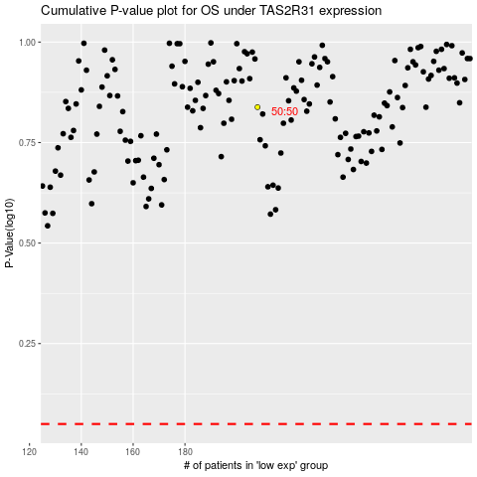

 |  |  |  |  |  | cases_OS | p_OS | rank | exp
 |  |  |  |  |  |  | cases_RFS | p_RFS | rank | exp

