TAS2R4 _multivariate
Reported by Tex Li-Hsing Chi. tex@gate.sinica.edu.tw 2019-08-15

Table 2. The clinicopathological features of HNSCC cohort and TAS2R4 expression. (Chi square test)
Cutoff at -0.069 (58.0%)
 |  | TAS2R4 expression |  | TAS2R4 expression |  | (Optimised)
 | Features | Low | (%) | High | (%) | Case no | P-value | Remark | Matthews
Gender | Female | 180 | 43.4 | 126 | 30.4 | 415 | 0.5667 | 0 | 0
2 | Male | 60 | 14.5 | 49 | 11.8
Age at diagnosis | <=65y | 154 | 37.1 | 120 | 28.9 | 415 | 0.4062 | 0 | 0
4 | >65y | 86 | 20.7 | 55 | 13.3
Clinical T Status | T1+T2 | 72 | 17.3 | 77 | 18.6 | 415 | 0.0046 | 1 | 0
6 | T3+T4 | 168 | 40.5 | 98 | 23.6
Clinical N Status | N0 | 122 | 29.4 | 94 | 22.7 | 415 | 0.6308 | 0 | 0
8 | N1-3 | 118 | 28.4 | 81 | 19.5
Clinical M Status | M0 | 240 | 57.8 | 172 | 41.4 | 415 | 0.0742 | 0 | 0
10 | M1 | 0 | 0 | 3 | 0.7
Clinical Stage | Stage I+II | 51 | 12.3 | 51 | 12.3 | 415 | 0.0838 | 0 | 0
12 | Stage III+IV | 189 | 45.5 | 124 | 29.9
Surgical Margin status | Negative | 185 | 44.6 | 133 | 32 | 415 | 0.815 | 0 | 0
14 | Positive | 55 | 13.3 | 42 | 10.1
Tobacco Exposure | Low | 91 | 21.9 | 70 | 16.9 | 415 | 0.6842 | 0 | 0
16 | High | 149 | 35.9 | 105 | 25.3

Table 3. Univariate/Multivariate Cox's proportional hazards regression analyses on OS time of TAS2R4 gene expression in HNSCC

 |  | Univariate |  |  |  | Multivariate
 | Features | HR | CI95%(L) | CI95%(H) | P-value | HR | CI95%(L) | CI95%(H) | P-value
1 | Female | 1 |  |  |  | 1
Gender | Male | 1.157 | 0.843 | 1.587 | 0.367 | 1.183 | 0.847 | 1.653 | 0.325
11 | <=65y | 1 |  |  |  | 1
Age at diagnosis | >65y | 1.329 | 0.99 | 1.784 | 0.058 | 1.4 | 1.03 | 1.903 | 0.032
12 | T1+T2 | 1 |  |  |  | 1
Clinical T Status | T3+T4 | 1.409 | 1.028 | 1.931 | 0.033 | 2.103 | 1.11 | 3.987 | 0.023
13 | N0 | 1 |  |  |  | 1
Clinical N Status | N1-3 | 1.185 | 0.89 | 1.577 | 0.246 | 1.229 | 0.861 | 1.754 | 0.256
14 | M0 | 1 |  |  |  | 1
Clinical M Status | M1 | 4.097 | 1.009 | 16.644 | 0.049 | 10.587 | 2.293 | 48.896 | 0.003
15 | Stage I+II | 1 |  |  |  | 1
Clinical Stage | Stage III+IV | 1.245 | 0.882 | 1.759 | 0.213 | 0.513 | 0.239 | 1.102 | 0.087
16 | Negative | 1 |  |  |  | 1
Surgical Margin status | Positive | 1.591 | 1.155 | 2.191 | 0.004 | 1.647 | 1.192 | 2.275 | 0.002
17 | Low | 1 |  |  |  | 1
Tobacco Exposure | High | 1.364 | 1.008 | 1.844 | 0.044 | 1.448 | 1.051 | 1.994 | 0.024
18 | Low | 1 |  |  |  | 1
RNAseq(z-score) | High | 0.737 | 0.545 | 0.996 | 0.047 | 0.778 | 0.571 | 1.059 | 0.11

Table 4. Univariate/Multivariate Cox's proportional hazards regression analyses on RFS time of TAS2R4 gene expression in HNSCC

 |  | Univariate |  |  |  | Multivariate
 | Features | HR | CI95%(L) | CI95%(H) | P-value | HR | CI95%(L) | CI95%(H) | P-value
1 | Female | 1 |  |  |  | 1
Gender | Male | 1.157 | 0.843 | 1.587 | 0.367 | 1.183 | 0.847 | 1.653 | 0.325
11 | <=65y | 1 |  |  |  | 1
Age at diagnosis | >65y | 1.329 | 0.99 | 1.784 | 0.058 | 1.4 | 1.03 | 1.903 | 0.032
12 | T1+T2 | 1 |  |  |  | 1
Clinical T Status | T3+T4 | 1.409 | 1.028 | 1.931 | 0.033 | 2.103 | 1.11 | 3.987 | 0.023
13 | N0 | 1 |  |  |  | 1
Clinical N Status | N1-3 | 1.185 | 0.89 | 1.577 | 0.246 | 1.229 | 0.861 | 1.754 | 0.256
14 | M0 | 1 |  |  |  | 1
Clinical M Status | M1 | 4.097 | 1.009 | 16.644 | 0.049 | 10.587 | 2.293 | 48.896 | 0.003
15 | Stage I+II | 1 |  |  |  | 1
Clinical Stage | Stage III+IV | 1.245 | 0.882 | 1.759 | 0.213 | 0.513 | 0.239 | 1.102 | 0.087
16 | Negative | 1 |  |  |  | 1
Surgical Margin status | Positive | 1.591 | 1.155 | 2.191 | 0.004 | 1.647 | 1.192 | 2.275 | 0.002
17 | Low | 1 |  |  |  | 1
Tobacco Exposure | High | 1.364 | 1.008 | 1.844 | 0.044 | 1.448 | 1.051 | 1.994 | 0.024
18 | Low | 1 |  |  |  | 1
RNAseq(z-score) | High | 0.737 | 0.545 | 0.996 | 0.047 | 0.778 | 0.571 | 1.059 | 0.11

Kaplan-Meier survival estimate: Cutoff at -0.069 (58.0%)



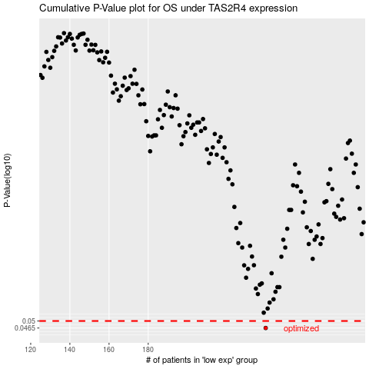

 |  |  |  |  |  | cases_OS | p_OS | rank | exp
 |  |  |  |  |  | 240 | 0.0465 | 152 | -0.069479178694
 |  |  |  |  |  |  | cases_RFS | p_RFS | rank | exp
 |  |  |  |  |  |  | 239 | 0.0465 | 273 | -0.07041483514

