TASP1 _multivariate
Reported by Tex Li-Hsing Chi. tex@gate.sinica.edu.tw 2019-08-15

Table 2. The clinicopathological features of HNSCC cohort and TASP1 expression. (Chi square test)
Cutoff at -0.306 (34.8%)
 |  | TASP1 expression |  | TASP1 expression |  | (Optimised)
 | Features | Low | (%) | High | (%) | Case no | P-value | Remark | Matthews
Gender | Female | 104 | 25.1 | 202 | 48.7 | 415 | 0.6941 | 0 | 0
2 | Male | 40 | 9.6 | 69 | 16.6
Age at diagnosis | <=65y | 91 | 21.9 | 183 | 44.1 | 415 | 0.4364 | 0 | 0
4 | >65y | 53 | 12.8 | 88 | 21.2
Clinical T Status | T1+T2 | 54 | 13 | 95 | 22.9 | 415 | 0.699 | 0 | 0
6 | T3+T4 | 90 | 21.7 | 176 | 42.4
Clinical N Status | N0 | 79 | 19 | 137 | 33 | 415 | 0.4636 | 0 | 0
8 | N1-3 | 65 | 15.7 | 134 | 32.3
Clinical M Status | M0 | 143 | 34.5 | 269 | 64.8 | 415 | 1 | 0 | 0
10 | M1 | 1 | 0.2 | 2 | 0.5
Clinical Stage | Stage I+II | 38 | 9.2 | 64 | 15.4 | 415 | 0.6138 | 0 | 0
12 | Stage III+IV | 106 | 25.5 | 207 | 49.9
Surgical Margin status | Negative | 111 | 26.7 | 207 | 49.9 | 415 | 0.9036 | 0 | 0
14 | Positive | 33 | 8 | 64 | 15.4
Tobacco Exposure | Low | 61 | 14.7 | 100 | 24.1 | 415 | 0.2912 | 0 | 0
16 | High | 83 | 20 | 171 | 41.2

Table 3. Univariate/Multivariate Cox's proportional hazards regression analyses on OS time of TASP1 gene expression in HNSCC

 |  | Univariate |  |  |  | Multivariate
 | Features | HR | CI95%(L) | CI95%(H) | P-value | HR | CI95%(L) | CI95%(H) | P-value
1 | Female | 1 |  |  |  | 1
Gender | Male | 1.157 | 0.843 | 1.587 | 0.367 | 1.208 | 0.865 | 1.686 | 0.267
11 | <=65y | 1 |  |  |  | 1
Age at diagnosis | >65y | 1.329 | 0.99 | 1.784 | 0.058 | 1.39 | 1.023 | 1.889 | 0.035
12 | T1+T2 | 1 |  |  |  | 1
Clinical T Status | T3+T4 | 1.409 | 1.028 | 1.931 | 0.033 | 2.266 | 1.196 | 4.292 | 0.012
13 | N0 | 1 |  |  |  | 1
Clinical N Status | N1-3 | 1.185 | 0.89 | 1.577 | 0.246 | 1.233 | 0.863 | 1.76 | 0.249
14 | M0 | 1 |  |  |  | 1
Clinical M Status | M1 | 4.097 | 1.009 | 16.644 | 0.049 | 9.749 | 2.125 | 44.72 | 0.003
15 | Stage I+II | 1 |  |  |  | 1
Clinical Stage | Stage III+IV | 1.245 | 0.882 | 1.759 | 0.213 | 0.485 | 0.225 | 1.043 | 0.064
16 | Negative | 1 |  |  |  | 1
Surgical Margin status | Positive | 1.591 | 1.155 | 2.191 | 0.004 | 1.665 | 1.205 | 2.302 | 0.002
17 | Low | 1 |  |  |  | 1
Tobacco Exposure | High | 1.364 | 1.008 | 1.844 | 0.044 | 1.431 | 1.04 | 1.968 | 0.028
18 | Low | 1 |  |  |  | 1
RNAseq(z-score) | High | 1.366 | 1 | 1.866 | 0.05 | 1.362 | 0.996 | 1.862 | 0.053

Table 4. Univariate/Multivariate Cox's proportional hazards regression analyses on RFS time of TASP1 gene expression in HNSCC

 |  | Univariate |  |  |  | Multivariate
 | Features | HR | CI95%(L) | CI95%(H) | P-value | HR | CI95%(L) | CI95%(H) | P-value
1 | Female | 1 |  |  |  | 1
Gender | Male | 1.157 | 0.843 | 1.587 | 0.367 | 1.208 | 0.865 | 1.686 | 0.267
11 | <=65y | 1 |  |  |  | 1
Age at diagnosis | >65y | 1.329 | 0.99 | 1.784 | 0.058 | 1.39 | 1.023 | 1.889 | 0.035
12 | T1+T2 | 1 |  |  |  | 1
Clinical T Status | T3+T4 | 1.409 | 1.028 | 1.931 | 0.033 | 2.266 | 1.196 | 4.292 | 0.012
13 | N0 | 1 |  |  |  | 1
Clinical N Status | N1-3 | 1.185 | 0.89 | 1.577 | 0.246 | 1.233 | 0.863 | 1.76 | 0.249
14 | M0 | 1 |  |  |  | 1
Clinical M Status | M1 | 4.097 | 1.009 | 16.644 | 0.049 | 9.749 | 2.125 | 44.72 | 0.003
15 | Stage I+II | 1 |  |  |  | 1
Clinical Stage | Stage III+IV | 1.245 | 0.882 | 1.759 | 0.213 | 0.485 | 0.225 | 1.043 | 0.064
16 | Negative | 1 |  |  |  | 1
Surgical Margin status | Positive | 1.591 | 1.155 | 2.191 | 0.004 | 1.665 | 1.205 | 2.302 | 0.002
17 | Low | 1 |  |  |  | 1
Tobacco Exposure | High | 1.364 | 1.008 | 1.844 | 0.044 | 1.431 | 1.04 | 1.968 | 0.028
18 | Low | 1 |  |  |  | 1
RNAseq(z-score) | High | 1.366 | 1 | 1.866 | 0.05 | 1.362 | 0.996 | 1.862 | 0.053

Kaplan-Meier survival estimate: Cutoff at -0.306 (34.8%)



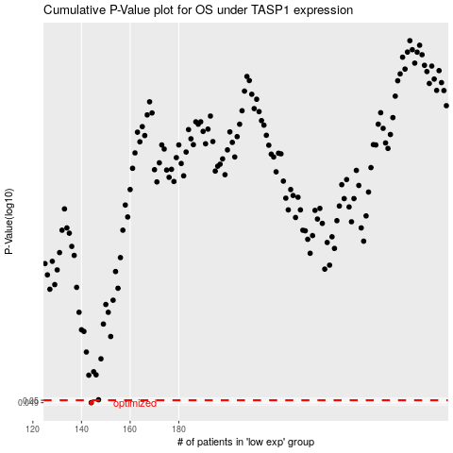

 |  |  |  |  |  | cases_OS | p_OS | rank | exp
 |  |  |  |  |  | 144 | 0.049 | 125 | -0.30640646467
 |  |  |  |  |  |  | cases_RFS | p_RFS | rank | exp
 |  |  |  |  |  |  | 143 | 0.049 | 106 | -0.30820485924

