TAX1BP3 _multivariate
Reported by Tex Li-Hsing Chi. tex@gate.sinica.edu.tw 2019-08-15

Table 2. The clinicopathological features of HNSCC cohort and TAX1BP3 expression. (Chi square test)
Cutoff at -0.174 (50.0%)
 |  | TAX1BP3 expression |  | TAX1BP3 expression |  | (Optimised)
 | Features | Low | (%) | High | (%) | Case no | P-value | Remark | Matthews
Gender | Female | 159 | 38.3 | 147 | 35.4 | 415 | 0.1905 | 0 | 0
2 | Male | 48 | 11.6 | 61 | 14.7
Age at diagnosis | <=65y | 140 | 33.7 | 134 | 32.3 | 415 | 0.5574 | 0 | 0
4 | >65y | 67 | 16.1 | 74 | 17.8
Clinical T Status | T1+T2 | 77 | 18.6 | 72 | 17.3 | 415 | 0.6556 | 0 | 0
6 | T3+T4 | 130 | 31.3 | 136 | 32.8
Clinical N Status | N0 | 100 | 24.1 | 116 | 28 | 415 | 0.1548 | 0 | 0
8 | N1-3 | 107 | 25.8 | 92 | 22.2
Clinical M Status | M0 | 206 | 49.6 | 206 | 49.6 | 415 | 1 | 0 | 0
10 | M1 | 1 | 0.2 | 2 | 0.5
Clinical Stage | Stage I+II | 49 | 11.8 | 53 | 12.8 | 415 | 0.7535 | 0 | 0
12 | Stage III+IV | 158 | 38.1 | 155 | 37.3
Surgical Margin status | Negative | 153 | 36.9 | 165 | 39.8 | 415 | 0.2036 | 0 | 0
14 | Positive | 54 | 13 | 43 | 10.4
Tobacco Exposure | Low | 63 | 15.2 | 98 | 23.6 | 415 | 6e-04 | 1 | 0
16 | High | 144 | 34.7 | 110 | 26.5

Table 3. Univariate/Multivariate Cox's proportional hazards regression analyses on OS time of TAX1BP3 gene expression in HNSCC

 |  | Univariate |  |  |  | Multivariate
 | Features | HR | CI95%(L) | CI95%(H) | P-value | HR | CI95%(L) | CI95%(H) | P-value
1 | Female | 1 |  |  |  | 1
Gender | Male | 1.157 | 0.843 | 1.587 | 0.367 | 1.206 | 0.862 | 1.687 | 0.274
11 | <=65y | 1 |  |  |  | 1
Age at diagnosis | >65y | 1.329 | 0.99 | 1.784 | 0.058 | 1.389 | 1.021 | 1.889 | 0.037
12 | T1+T2 | 1 |  |  |  | 1
Clinical T Status | T3+T4 | 1.409 | 1.028 | 1.931 | 0.033 | 2.204 | 1.166 | 4.167 | 0.015
13 | N0 | 1 |  |  |  | 1
Clinical N Status | N1-3 | 1.185 | 0.89 | 1.577 | 0.246 | 1.236 | 0.865 | 1.767 | 0.244
14 | M0 | 1 |  |  |  | 1
Clinical M Status | M1 | 4.097 | 1.009 | 16.644 | 0.049 | 9.521 | 2.069 | 43.809 | 0.004
15 | Stage I+II | 1 |  |  |  | 1
Clinical Stage | Stage III+IV | 1.245 | 0.882 | 1.759 | 0.213 | 0.505 | 0.235 | 1.084 | 0.08
16 | Negative | 1 |  |  |  | 1
Surgical Margin status | Positive | 1.591 | 1.155 | 2.191 | 0.004 | 1.667 | 1.206 | 2.306 | 0.002
17 | Low | 1 |  |  |  | 1
Tobacco Exposure | High | 1.364 | 1.008 | 1.844 | 0.044 | 1.449 | 1.051 | 1.998 | 0.024
18 | Low | 1 |  |  |  | 1
RNAseq(z-score) | High | 0.934 | 0.7 | 1.247 | 0.645 | 0.968 | 0.721 | 1.299 | 0.827

Table 4. Univariate/Multivariate Cox's proportional hazards regression analyses on RFS time of TAX1BP3 gene expression in HNSCC

 |  | Univariate |  |  |  | Multivariate
 | Features | HR | CI95%(L) | CI95%(H) | P-value | HR | CI95%(L) | CI95%(H) | P-value
1 | Female | 1 |  |  |  | 1
Gender | Male | 1.157 | 0.843 | 1.587 | 0.367 | 1.206 | 0.862 | 1.687 | 0.274
11 | <=65y | 1 |  |  |  | 1
Age at diagnosis | >65y | 1.329 | 0.99 | 1.784 | 0.058 | 1.389 | 1.021 | 1.889 | 0.037
12 | T1+T2 | 1 |  |  |  | 1
Clinical T Status | T3+T4 | 1.409 | 1.028 | 1.931 | 0.033 | 2.204 | 1.166 | 4.167 | 0.015
13 | N0 | 1 |  |  |  | 1
Clinical N Status | N1-3 | 1.185 | 0.89 | 1.577 | 0.246 | 1.236 | 0.865 | 1.767 | 0.244
14 | M0 | 1 |  |  |  | 1
Clinical M Status | M1 | 4.097 | 1.009 | 16.644 | 0.049 | 9.521 | 2.069 | 43.809 | 0.004
15 | Stage I+II | 1 |  |  |  | 1
Clinical Stage | Stage III+IV | 1.245 | 0.882 | 1.759 | 0.213 | 0.505 | 0.235 | 1.084 | 0.08
16 | Negative | 1 |  |  |  | 1
Surgical Margin status | Positive | 1.591 | 1.155 | 2.191 | 0.004 | 1.667 | 1.206 | 2.306 | 0.002
17 | Low | 1 |  |  |  | 1
Tobacco Exposure | High | 1.364 | 1.008 | 1.844 | 0.044 | 1.449 | 1.051 | 1.998 | 0.024
18 | Low | 1 |  |  |  | 1
RNAseq(z-score) | High | 0.934 | 0.7 | 1.247 | 0.645 | 0.968 | 0.721 | 1.299 | 0.827

Kaplan-Meier survival estimate: Cutoff at -0.174 (50.0%)



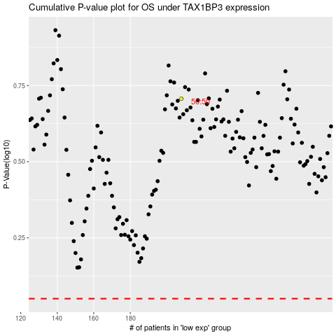

 |  |  |  |  |  | cases_OS | p_OS | rank | exp
 |  |  |  |  |  |  | cases_RFS | p_RFS | rank | exp

