TAZ _multivariate
Reported by Tex Li-Hsing Chi. tex@gate.sinica.edu.tw 2019-08-15

Table 2. The clinicopathological features of HNSCC cohort and TAZ expression. (Chi square test)
Cutoff at -0.236 (49.8%)
 |  | TAZ expression |  | TAZ expression |  | (Optimised)
 | Features | Low | (%) | High | (%) | Case no | P-value | Remark | Matthews
Gender | Female | 150 | 36.1 | 156 | 37.6 | 415 | 0.6344 | 0 | 0
2 | Male | 57 | 13.7 | 52 | 12.5
Age at diagnosis | <=65y | 137 | 33 | 137 | 33 | 415 | 1 | 0 | 0
4 | >65y | 70 | 16.9 | 71 | 17.1
Clinical T Status | T1+T2 | 78 | 18.8 | 71 | 17.1 | 415 | 0.5152 | 0 | 0
6 | T3+T4 | 129 | 31.1 | 137 | 33
Clinical N Status | N0 | 99 | 23.9 | 117 | 28.2 | 415 | 0.1054 | 0 | 0
8 | N1-3 | 108 | 26 | 91 | 21.9
Clinical M Status | M0 | 207 | 49.9 | 205 | 49.4 | 415 | 0.2482 | 0 | 0
10 | M1 | 0 | 0 | 3 | 0.7
Clinical Stage | Stage I+II | 50 | 12 | 52 | 12.5 | 415 | 0.9315 | 0 | 0
12 | Stage III+IV | 157 | 37.8 | 156 | 37.6
Surgical Margin status | Negative | 163 | 39.3 | 155 | 37.3 | 415 | 0.3537 | 0 | 0
14 | Positive | 44 | 10.6 | 53 | 12.8
Tobacco Exposure | Low | 78 | 18.8 | 83 | 20 | 415 | 0.6873 | 0 | 0
16 | High | 129 | 31.1 | 125 | 30.1

Table 3. Univariate/Multivariate Cox's proportional hazards regression analyses on OS time of TAZ gene expression in HNSCC

 |  | Univariate |  |  |  | Multivariate
 | Features | HR | CI95%(L) | CI95%(H) | P-value | HR | CI95%(L) | CI95%(H) | P-value
1 | Female | 1 |  |  |  | 1
Gender | Male | 1.157 | 0.843 | 1.587 | 0.367 | 1.2 | 0.86 | 1.674 | 0.284
11 | <=65y | 1 |  |  |  | 1
Age at diagnosis | >65y | 1.329 | 0.99 | 1.784 | 0.058 | 1.411 | 1.037 | 1.92 | 0.028
12 | T1+T2 | 1 |  |  |  | 1
Clinical T Status | T3+T4 | 1.409 | 1.028 | 1.931 | 0.033 | 2.255 | 1.193 | 4.265 | 0.012
13 | N0 | 1 |  |  |  | 1
Clinical N Status | N1-3 | 1.185 | 0.89 | 1.577 | 0.246 | 1.203 | 0.842 | 1.718 | 0.31
14 | M0 | 1 |  |  |  | 1
Clinical M Status | M1 | 4.097 | 1.009 | 16.644 | 0.049 | 11.087 | 2.384 | 51.559 | 0.002
15 | Stage I+II | 1 |  |  |  | 1
Clinical Stage | Stage III+IV | 1.245 | 0.882 | 1.759 | 0.213 | 0.504 | 0.235 | 1.08 | 0.078
16 | Negative | 1 |  |  |  | 1
Surgical Margin status | Positive | 1.591 | 1.155 | 2.191 | 0.004 | 1.732 | 1.25 | 2.401 | 0.001
17 | Low | 1 |  |  |  | 1
Tobacco Exposure | High | 1.364 | 1.008 | 1.844 | 0.044 | 1.461 | 1.059 | 2.014 | 0.021
18 | Low | 1 |  |  |  | 1
RNAseq(z-score) | High | 0.876 | 0.656 | 1.17 | 0.371 | 0.787 | 0.585 | 1.059 | 0.114

Table 4. Univariate/Multivariate Cox's proportional hazards regression analyses on RFS time of TAZ gene expression in HNSCC

 |  | Univariate |  |  |  | Multivariate
 | Features | HR | CI95%(L) | CI95%(H) | P-value | HR | CI95%(L) | CI95%(H) | P-value
1 | Female | 1 |  |  |  | 1
Gender | Male | 1.157 | 0.843 | 1.587 | 0.367 | 1.2 | 0.86 | 1.674 | 0.284
11 | <=65y | 1 |  |  |  | 1
Age at diagnosis | >65y | 1.329 | 0.99 | 1.784 | 0.058 | 1.411 | 1.037 | 1.92 | 0.028
12 | T1+T2 | 1 |  |  |  | 1
Clinical T Status | T3+T4 | 1.409 | 1.028 | 1.931 | 0.033 | 2.255 | 1.193 | 4.265 | 0.012
13 | N0 | 1 |  |  |  | 1
Clinical N Status | N1-3 | 1.185 | 0.89 | 1.577 | 0.246 | 1.203 | 0.842 | 1.718 | 0.31
14 | M0 | 1 |  |  |  | 1
Clinical M Status | M1 | 4.097 | 1.009 | 16.644 | 0.049 | 11.087 | 2.384 | 51.559 | 0.002
15 | Stage I+II | 1 |  |  |  | 1
Clinical Stage | Stage III+IV | 1.245 | 0.882 | 1.759 | 0.213 | 0.504 | 0.235 | 1.08 | 0.078
16 | Negative | 1 |  |  |  | 1
Surgical Margin status | Positive | 1.591 | 1.155 | 2.191 | 0.004 | 1.732 | 1.25 | 2.401 | 0.001
17 | Low | 1 |  |  |  | 1
Tobacco Exposure | High | 1.364 | 1.008 | 1.844 | 0.044 | 1.461 | 1.059 | 2.014 | 0.021
18 | Low | 1 |  |  |  | 1
RNAseq(z-score) | High | 0.876 | 0.656 | 1.17 | 0.371 | 0.787 | 0.585 | 1.059 | 0.114

Kaplan-Meier survival estimate: Cutoff at -0.236 (49.8%)



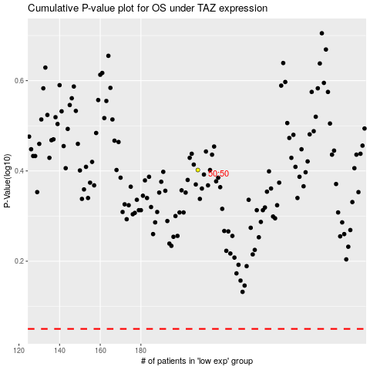

 |  |  |  |  |  | cases_OS | p_OS | rank | exp
 |  |  |  |  |  |  | cases_RFS | p_RFS | rank | exp

