TBC1D1 _multivariate
Reported by Tex Li-Hsing Chi. tex@gate.sinica.edu.tw 2019-08-15

Table 2. The clinicopathological features of HNSCC cohort and TBC1D1 expression. (Chi square test)
Cutoff at -0.147 (50.0%)
 |  | TBC1D1 expression |  | TBC1D1 expression |  | (Optimised)
 | Features | Low | (%) | High | (%) | Case no | P-value | Remark | Matthews
Gender | Female | 160 | 38.6 | 146 | 35.2 | 415 | 0.1254 | 0 | 0
2 | Male | 47 | 11.3 | 62 | 14.9
Age at diagnosis | <=65y | 139 | 33.5 | 135 | 32.5 | 415 | 0.7044 | 0 | 0
4 | >65y | 68 | 16.4 | 73 | 17.6
Clinical T Status | T1+T2 | 57 | 13.7 | 92 | 22.2 | 415 | 6e-04 | 1 | 0
6 | T3+T4 | 150 | 36.1 | 116 | 28
Clinical N Status | N0 | 109 | 26.3 | 107 | 25.8 | 415 | 0.8812 | 0 | 0
8 | N1-3 | 98 | 23.6 | 101 | 24.3
Clinical M Status | M0 | 204 | 49.2 | 208 | 50.1 | 415 | 0.1232 | 0 | 0
10 | M1 | 3 | 0.7 | 0 | 0
Clinical Stage | Stage I+II | 40 | 9.6 | 62 | 14.9 | 415 | 0.018 | 1 | 0
12 | Stage III+IV | 167 | 40.2 | 146 | 35.2
Surgical Margin status | Negative | 155 | 37.3 | 163 | 39.3 | 415 | 0.4187 | 0 | 0
14 | Positive | 52 | 12.5 | 45 | 10.8
Tobacco Exposure | Low | 71 | 17.1 | 90 | 21.7 | 415 | 0.0698 | 0 | 0
16 | High | 136 | 32.8 | 118 | 28.4

Table 3. Univariate/Multivariate Cox's proportional hazards regression analyses on OS time of TBC1D1 gene expression in HNSCC

 |  | Univariate |  |  |  | Multivariate
 | Features | HR | CI95%(L) | CI95%(H) | P-value | HR | CI95%(L) | CI95%(H) | P-value
1 | Female | 1 |  |  |  | 1
Gender | Male | 1.157 | 0.843 | 1.587 | 0.367 | 1.19 | 0.852 | 1.663 | 0.306
11 | <=65y | 1 |  |  |  | 1
Age at diagnosis | >65y | 1.329 | 0.99 | 1.784 | 0.058 | 1.401 | 1.029 | 1.908 | 0.032
12 | T1+T2 | 1 |  |  |  | 1
Clinical T Status | T3+T4 | 1.409 | 1.028 | 1.931 | 0.033 | 2.404 | 1.263 | 4.574 | 0.008
13 | N0 | 1 |  |  |  | 1
Clinical N Status | N1-3 | 1.185 | 0.89 | 1.577 | 0.246 | 1.248 | 0.874 | 1.782 | 0.223
14 | M0 | 1 |  |  |  | 1
Clinical M Status | M1 | 4.097 | 1.009 | 16.644 | 0.049 | 11.705 | 2.507 | 54.64 | 0.002
15 | Stage I+II | 1 |  |  |  | 1
Clinical Stage | Stage III+IV | 1.245 | 0.882 | 1.759 | 0.213 | 0.482 | 0.224 | 1.036 | 0.062
16 | Negative | 1 |  |  |  | 1
Surgical Margin status | Positive | 1.591 | 1.155 | 2.191 | 0.004 | 1.73 | 1.249 | 2.395 | 0.001
17 | Low | 1 |  |  |  | 1
Tobacco Exposure | High | 1.364 | 1.008 | 1.844 | 0.044 | 1.494 | 1.082 | 2.062 | 0.015
18 | Low | 1 |  |  |  | 1
RNAseq(z-score) | High | 1.122 | 0.842 | 1.494 | 0.432 | 1.329 | 0.988 | 1.788 | 0.06

Table 4. Univariate/Multivariate Cox's proportional hazards regression analyses on RFS time of TBC1D1 gene expression in HNSCC

 |  | Univariate |  |  |  | Multivariate
 | Features | HR | CI95%(L) | CI95%(H) | P-value | HR | CI95%(L) | CI95%(H) | P-value
1 | Female | 1 |  |  |  | 1
Gender | Male | 1.157 | 0.843 | 1.587 | 0.367 | 1.19 | 0.852 | 1.663 | 0.306
11 | <=65y | 1 |  |  |  | 1
Age at diagnosis | >65y | 1.329 | 0.99 | 1.784 | 0.058 | 1.401 | 1.029 | 1.908 | 0.032
12 | T1+T2 | 1 |  |  |  | 1
Clinical T Status | T3+T4 | 1.409 | 1.028 | 1.931 | 0.033 | 2.404 | 1.263 | 4.574 | 0.008
13 | N0 | 1 |  |  |  | 1
Clinical N Status | N1-3 | 1.185 | 0.89 | 1.577 | 0.246 | 1.248 | 0.874 | 1.782 | 0.223
14 | M0 | 1 |  |  |  | 1
Clinical M Status | M1 | 4.097 | 1.009 | 16.644 | 0.049 | 11.705 | 2.507 | 54.64 | 0.002
15 | Stage I+II | 1 |  |  |  | 1
Clinical Stage | Stage III+IV | 1.245 | 0.882 | 1.759 | 0.213 | 0.482 | 0.224 | 1.036 | 0.062
16 | Negative | 1 |  |  |  | 1
Surgical Margin status | Positive | 1.591 | 1.155 | 2.191 | 0.004 | 1.73 | 1.249 | 2.395 | 0.001
17 | Low | 1 |  |  |  | 1
Tobacco Exposure | High | 1.364 | 1.008 | 1.844 | 0.044 | 1.494 | 1.082 | 2.062 | 0.015
18 | Low | 1 |  |  |  | 1
RNAseq(z-score) | High | 1.122 | 0.842 | 1.494 | 0.432 | 1.329 | 0.988 | 1.788 | 0.06

Kaplan-Meier survival estimate: Cutoff at -0.147 (50.0%)



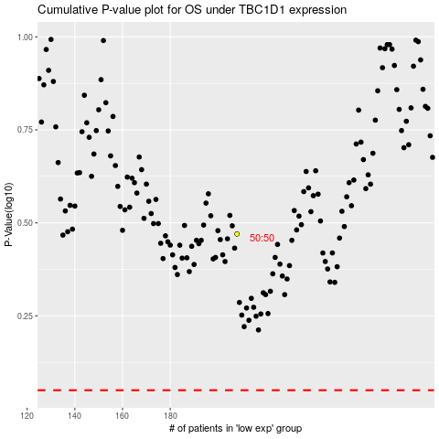

 |  |  |  |  |  | cases_OS | p_OS | rank | exp
 |  |  |  |  |  |  | cases_RFS | p_RFS | rank | exp

