TBC1D15 _multivariate
Reported by Tex Li-Hsing Chi. tex@gate.sinica.edu.tw 2019-08-15

Table 2. The clinicopathological features of HNSCC cohort and TBC1D15 expression. (Chi square test)
Cutoff at -0.262 (50.0%)
 |  | TBC1D15 expression |  | TBC1D15 expression |  | (Optimised)
 | Features | Low | (%) | High | (%) | Case no | P-value | Remark | Matthews
Gender | Female | 144 | 34.7 | 162 | 39 | 415 | 0.0697 | 0 | 0
2 | Male | 63 | 15.2 | 46 | 11.1
Age at diagnosis | <=65y | 125 | 30.1 | 149 | 35.9 | 415 | 0.0206 | 1 | 0
4 | >65y | 82 | 19.8 | 59 | 14.2
Clinical T Status | T1+T2 | 77 | 18.6 | 72 | 17.3 | 415 | 0.6556 | 0 | 0
6 | T3+T4 | 130 | 31.3 | 136 | 32.8
Clinical N Status | N0 | 116 | 28 | 100 | 24.1 | 415 | 0.1273 | 1 | 0
8 | N1-3 | 91 | 21.9 | 108 | 26
Clinical M Status | M0 | 205 | 49.4 | 207 | 49.9 | 415 | 0.6232 | 0 | 0
10 | M1 | 2 | 0.5 | 1 | 0.2
Clinical Stage | Stage I+II | 56 | 13.5 | 46 | 11.1 | 415 | 0.2918 | 0 | 0
12 | Stage III+IV | 151 | 36.4 | 162 | 39
Surgical Margin status | Negative | 157 | 37.8 | 161 | 38.8 | 415 | 0.729 | 0 | 0
14 | Positive | 50 | 12 | 47 | 11.3
Tobacco Exposure | Low | 88 | 21.2 | 73 | 17.6 | 415 | 0.1314 | 0 | 0
16 | High | 119 | 28.7 | 135 | 32.5

Table 3. Univariate/Multivariate Cox's proportional hazards regression analyses on OS time of TBC1D15 gene expression in HNSCC

 |  | Univariate |  |  |  | Multivariate
 | Features | HR | CI95%(L) | CI95%(H) | P-value | HR | CI95%(L) | CI95%(H) | P-value
1 | Female | 1 |  |  |  | 1
Gender | Male | 1.157 | 0.843 | 1.587 | 0.367 | 1.209 | 0.862 | 1.695 | 0.271
11 | <=65y | 1 |  |  |  | 1
Age at diagnosis | >65y | 1.329 | 0.99 | 1.784 | 0.058 | 1.397 | 1.026 | 1.901 | 0.034
12 | T1+T2 | 1 |  |  |  | 1
Clinical T Status | T3+T4 | 1.409 | 1.028 | 1.931 | 0.033 | 2.209 | 1.167 | 4.179 | 0.015
13 | N0 | 1 |  |  |  | 1
Clinical N Status | N1-3 | 1.185 | 0.89 | 1.577 | 0.246 | 1.239 | 0.868 | 1.768 | 0.238
14 | M0 | 1 |  |  |  | 1
Clinical M Status | M1 | 4.097 | 1.009 | 16.644 | 0.049 | 9.488 | 2.066 | 43.578 | 0.004
15 | Stage I+II | 1 |  |  |  | 1
Clinical Stage | Stage III+IV | 1.245 | 0.882 | 1.759 | 0.213 | 0.502 | 0.233 | 1.079 | 0.077
16 | Negative | 1 |  |  |  | 1
Surgical Margin status | Positive | 1.591 | 1.155 | 2.191 | 0.004 | 1.675 | 1.212 | 2.316 | 0.002
17 | Low | 1 |  |  |  | 1
Tobacco Exposure | High | 1.364 | 1.008 | 1.844 | 0.044 | 1.453 | 1.055 | 2.002 | 0.022
18 | Low | 1 |  |  |  | 1
RNAseq(z-score) | High | 0.972 | 0.73 | 1.294 | 0.845 | 1.035 | 0.77 | 1.391 | 0.821

Table 4. Univariate/Multivariate Cox's proportional hazards regression analyses on RFS time of TBC1D15 gene expression in HNSCC

 |  | Univariate |  |  |  | Multivariate
 | Features | HR | CI95%(L) | CI95%(H) | P-value | HR | CI95%(L) | CI95%(H) | P-value
1 | Female | 1 |  |  |  | 1
Gender | Male | 1.157 | 0.843 | 1.587 | 0.367 | 1.209 | 0.862 | 1.695 | 0.271
11 | <=65y | 1 |  |  |  | 1
Age at diagnosis | >65y | 1.329 | 0.99 | 1.784 | 0.058 | 1.397 | 1.026 | 1.901 | 0.034
12 | T1+T2 | 1 |  |  |  | 1
Clinical T Status | T3+T4 | 1.409 | 1.028 | 1.931 | 0.033 | 2.209 | 1.167 | 4.179 | 0.015
13 | N0 | 1 |  |  |  | 1
Clinical N Status | N1-3 | 1.185 | 0.89 | 1.577 | 0.246 | 1.239 | 0.868 | 1.768 | 0.238
14 | M0 | 1 |  |  |  | 1
Clinical M Status | M1 | 4.097 | 1.009 | 16.644 | 0.049 | 9.488 | 2.066 | 43.578 | 0.004
15 | Stage I+II | 1 |  |  |  | 1
Clinical Stage | Stage III+IV | 1.245 | 0.882 | 1.759 | 0.213 | 0.502 | 0.233 | 1.079 | 0.077
16 | Negative | 1 |  |  |  | 1
Surgical Margin status | Positive | 1.591 | 1.155 | 2.191 | 0.004 | 1.675 | 1.212 | 2.316 | 0.002
17 | Low | 1 |  |  |  | 1
Tobacco Exposure | High | 1.364 | 1.008 | 1.844 | 0.044 | 1.453 | 1.055 | 2.002 | 0.022
18 | Low | 1 |  |  |  | 1
RNAseq(z-score) | High | 0.972 | 0.73 | 1.294 | 0.845 | 1.035 | 0.77 | 1.391 | 0.821

Kaplan-Meier survival estimate: Cutoff at -0.262 (50.0%)



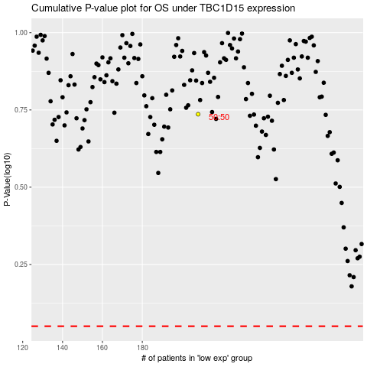

 |  |  |  |  |  | cases_OS | p_OS | rank | exp
 |  |  |  |  |  |  | cases_RFS | p_RFS | rank | exp

