TBC1D19 _multivariate
Reported by Tex Li-Hsing Chi. tex@gate.sinica.edu.tw 2019-08-15

Table 2. The clinicopathological features of HNSCC cohort and TBC1D19 expression. (Chi square test)
Cutoff at -0.187 (50.0%)
 |  | TBC1D19 expression |  | TBC1D19 expression |  | (Optimised)
 | Features | Low | (%) | High | (%) | Case no | P-value | Remark | Matthews
Gender | Female | 156 | 37.6 | 150 | 36.1 | 415 | 0.5222 | 0 | 0
2 | Male | 51 | 12.3 | 58 | 14
Age at diagnosis | <=65y | 132 | 31.8 | 142 | 34.2 | 415 | 0.3874 | 0 | 0
4 | >65y | 75 | 18.1 | 66 | 15.9
Clinical T Status | T1+T2 | 66 | 15.9 | 83 | 20 | 415 | 0.1095 | 0 | 0
6 | T3+T4 | 141 | 34 | 125 | 30.1
Clinical N Status | N0 | 110 | 26.5 | 106 | 25.5 | 415 | 0.7294 | 0 | 0
8 | N1-3 | 97 | 23.4 | 102 | 24.6
Clinical M Status | M0 | 205 | 49.4 | 207 | 49.9 | 415 | 0.6232 | 0 | 0
10 | M1 | 2 | 0.5 | 1 | 0.2
Clinical Stage | Stage I+II | 47 | 11.3 | 55 | 13.3 | 415 | 0.4413 | 0 | 0
12 | Stage III+IV | 160 | 38.6 | 153 | 36.9
Surgical Margin status | Negative | 160 | 38.6 | 158 | 38.1 | 415 | 0.8167 | 0 | 0
14 | Positive | 47 | 11.3 | 50 | 12
Tobacco Exposure | Low | 75 | 18.1 | 86 | 20.7 | 415 | 0.3141 | 0 | 0
16 | High | 132 | 31.8 | 122 | 29.4

Table 3. Univariate/Multivariate Cox's proportional hazards regression analyses on OS time of TBC1D19 gene expression in HNSCC

 |  | Univariate |  |  |  | Multivariate
 | Features | HR | CI95%(L) | CI95%(H) | P-value | HR | CI95%(L) | CI95%(H) | P-value
1 | Female | 1 |  |  |  | 1
Gender | Male | 1.157 | 0.843 | 1.587 | 0.367 | 1.201 | 0.86 | 1.678 | 0.283
11 | <=65y | 1 |  |  |  | 1
Age at diagnosis | >65y | 1.329 | 0.99 | 1.784 | 0.058 | 1.391 | 1.023 | 1.891 | 0.035
12 | T1+T2 | 1 |  |  |  | 1
Clinical T Status | T3+T4 | 1.409 | 1.028 | 1.931 | 0.033 | 2.196 | 1.161 | 4.155 | 0.016
13 | N0 | 1 |  |  |  | 1
Clinical N Status | N1-3 | 1.185 | 0.89 | 1.577 | 0.246 | 1.242 | 0.87 | 1.773 | 0.232
14 | M0 | 1 |  |  |  | 1
Clinical M Status | M1 | 4.097 | 1.009 | 16.644 | 0.049 | 9.343 | 2.036 | 42.875 | 0.004
15 | Stage I+II | 1 |  |  |  | 1
Clinical Stage | Stage III+IV | 1.245 | 0.882 | 1.759 | 0.213 | 0.504 | 0.235 | 1.082 | 0.079
16 | Negative | 1 |  |  |  | 1
Surgical Margin status | Positive | 1.591 | 1.155 | 2.191 | 0.004 | 1.675 | 1.212 | 2.315 | 0.002
17 | Low | 1 |  |  |  | 1
Tobacco Exposure | High | 1.364 | 1.008 | 1.844 | 0.044 | 1.453 | 1.054 | 2.002 | 0.022
18 | Low | 1 |  |  |  | 1
RNAseq(z-score) | High | 0.936 | 0.703 | 1.247 | 0.652 | 0.966 | 0.724 | 1.288 | 0.813

Table 4. Univariate/Multivariate Cox's proportional hazards regression analyses on RFS time of TBC1D19 gene expression in HNSCC

 |  | Univariate |  |  |  | Multivariate
 | Features | HR | CI95%(L) | CI95%(H) | P-value | HR | CI95%(L) | CI95%(H) | P-value
1 | Female | 1 |  |  |  | 1
Gender | Male | 1.157 | 0.843 | 1.587 | 0.367 | 1.201 | 0.86 | 1.678 | 0.283
11 | <=65y | 1 |  |  |  | 1
Age at diagnosis | >65y | 1.329 | 0.99 | 1.784 | 0.058 | 1.391 | 1.023 | 1.891 | 0.035
12 | T1+T2 | 1 |  |  |  | 1
Clinical T Status | T3+T4 | 1.409 | 1.028 | 1.931 | 0.033 | 2.196 | 1.161 | 4.155 | 0.016
13 | N0 | 1 |  |  |  | 1
Clinical N Status | N1-3 | 1.185 | 0.89 | 1.577 | 0.246 | 1.242 | 0.87 | 1.773 | 0.232
14 | M0 | 1 |  |  |  | 1
Clinical M Status | M1 | 4.097 | 1.009 | 16.644 | 0.049 | 9.343 | 2.036 | 42.875 | 0.004
15 | Stage I+II | 1 |  |  |  | 1
Clinical Stage | Stage III+IV | 1.245 | 0.882 | 1.759 | 0.213 | 0.504 | 0.235 | 1.082 | 0.079
16 | Negative | 1 |  |  |  | 1
Surgical Margin status | Positive | 1.591 | 1.155 | 2.191 | 0.004 | 1.675 | 1.212 | 2.315 | 0.002
17 | Low | 1 |  |  |  | 1
Tobacco Exposure | High | 1.364 | 1.008 | 1.844 | 0.044 | 1.453 | 1.054 | 2.002 | 0.022
18 | Low | 1 |  |  |  | 1
RNAseq(z-score) | High | 0.936 | 0.703 | 1.247 | 0.652 | 0.966 | 0.724 | 1.288 | 0.813

Kaplan-Meier survival estimate: Cutoff at -0.187 (50.0%)



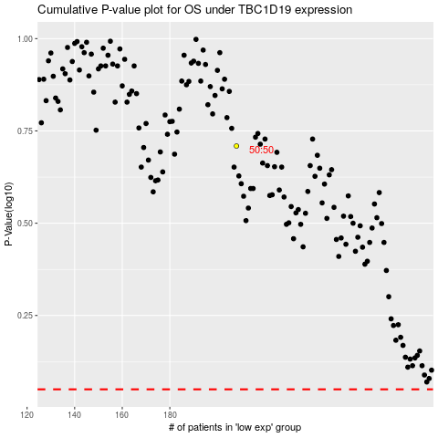

 |  |  |  |  |  | cases_OS | p_OS | rank | exp
 |  |  |  |  |  |  | cases_RFS | p_RFS | rank | exp

