TBC1D22B _multivariate
Reported by Tex Li-Hsing Chi. tex@gate.sinica.edu.tw 2019-08-15

Table 2. The clinicopathological features of HNSCC cohort and TBC1D22B expression. (Chi square test)
Cutoff at -0.218 (50.0%)
 |  | TBC1D22B expression |  | TBC1D22B expression |  | (Optimised)
 | Features | Low | (%) | High | (%) | Case no | P-value | Remark | Matthews
Gender | Female | 138 | 33.3 | 168 | 40.5 | 415 | 0.0016 | 1 | 0
2 | Male | 69 | 16.6 | 40 | 9.6
Age at diagnosis | <=65y | 133 | 32 | 141 | 34 | 415 | 0.5111 | 0 | 0
4 | >65y | 74 | 17.8 | 67 | 16.1
Clinical T Status | T1+T2 | 81 | 19.5 | 68 | 16.4 | 415 | 0.206 | 0 | 0
6 | T3+T4 | 126 | 30.4 | 140 | 33.7
Clinical N Status | N0 | 115 | 27.7 | 101 | 24.3 | 415 | 0.184 | 1 | 0
8 | N1-3 | 92 | 22.2 | 107 | 25.8
Clinical M Status | M0 | 206 | 49.6 | 206 | 49.6 | 415 | 1 | 0 | 0
10 | M1 | 1 | 0.2 | 2 | 0.5
Clinical Stage | Stage I+II | 60 | 14.5 | 42 | 10.1 | 415 | 0.0493 | 1 | 0
12 | Stage III+IV | 147 | 35.4 | 166 | 40
Surgical Margin status | Negative | 162 | 39 | 156 | 37.6 | 415 | 0.4867 | 0 | 0
14 | Positive | 45 | 10.8 | 52 | 12.5
Tobacco Exposure | Low | 89 | 21.4 | 72 | 17.3 | 415 | 0.0872 | 0 | 0
16 | High | 118 | 28.4 | 136 | 32.8

Table 3. Univariate/Multivariate Cox's proportional hazards regression analyses on OS time of TBC1D22B gene expression in HNSCC

 |  | Univariate |  |  |  | Multivariate
 | Features | HR | CI95%(L) | CI95%(H) | P-value | HR | CI95%(L) | CI95%(H) | P-value
1 | Female | 1 |  |  |  | 1
Gender | Male | 1.157 | 0.843 | 1.587 | 0.367 | 1.247 | 0.888 | 1.75 | 0.202
11 | <=65y | 1 |  |  |  | 1
Age at diagnosis | >65y | 1.329 | 0.99 | 1.784 | 0.058 | 1.396 | 1.027 | 1.899 | 0.033
12 | T1+T2 | 1 |  |  |  | 1
Clinical T Status | T3+T4 | 1.409 | 1.028 | 1.931 | 0.033 | 2.271 | 1.198 | 4.304 | 0.012
13 | N0 | 1 |  |  |  | 1
Clinical N Status | N1-3 | 1.185 | 0.89 | 1.577 | 0.246 | 1.258 | 0.881 | 1.797 | 0.206
14 | M0 | 1 |  |  |  | 1
Clinical M Status | M1 | 4.097 | 1.009 | 16.644 | 0.049 | 9.288 | 2.024 | 42.621 | 0.004
15 | Stage I+II | 1 |  |  |  | 1
Clinical Stage | Stage III+IV | 1.245 | 0.882 | 1.759 | 0.213 | 0.479 | 0.222 | 1.033 | 0.06
16 | Negative | 1 |  |  |  | 1
Surgical Margin status | Positive | 1.591 | 1.155 | 2.191 | 0.004 | 1.676 | 1.212 | 2.317 | 0.002
17 | Low | 1 |  |  |  | 1
Tobacco Exposure | High | 1.364 | 1.008 | 1.844 | 0.044 | 1.46 | 1.059 | 2.011 | 0.021
18 | Low | 1 |  |  |  | 1
RNAseq(z-score) | High | 1.144 | 0.859 | 1.525 | 0.358 | 1.197 | 0.89 | 1.611 | 0.235

Table 4. Univariate/Multivariate Cox's proportional hazards regression analyses on RFS time of TBC1D22B gene expression in HNSCC

 |  | Univariate |  |  |  | Multivariate
 | Features | HR | CI95%(L) | CI95%(H) | P-value | HR | CI95%(L) | CI95%(H) | P-value
1 | Female | 1 |  |  |  | 1
Gender | Male | 1.157 | 0.843 | 1.587 | 0.367 | 1.247 | 0.888 | 1.75 | 0.202
11 | <=65y | 1 |  |  |  | 1
Age at diagnosis | >65y | 1.329 | 0.99 | 1.784 | 0.058 | 1.396 | 1.027 | 1.899 | 0.033
12 | T1+T2 | 1 |  |  |  | 1
Clinical T Status | T3+T4 | 1.409 | 1.028 | 1.931 | 0.033 | 2.271 | 1.198 | 4.304 | 0.012
13 | N0 | 1 |  |  |  | 1
Clinical N Status | N1-3 | 1.185 | 0.89 | 1.577 | 0.246 | 1.258 | 0.881 | 1.797 | 0.206
14 | M0 | 1 |  |  |  | 1
Clinical M Status | M1 | 4.097 | 1.009 | 16.644 | 0.049 | 9.288 | 2.024 | 42.621 | 0.004
15 | Stage I+II | 1 |  |  |  | 1
Clinical Stage | Stage III+IV | 1.245 | 0.882 | 1.759 | 0.213 | 0.479 | 0.222 | 1.033 | 0.06
16 | Negative | 1 |  |  |  | 1
Surgical Margin status | Positive | 1.591 | 1.155 | 2.191 | 0.004 | 1.676 | 1.212 | 2.317 | 0.002
17 | Low | 1 |  |  |  | 1
Tobacco Exposure | High | 1.364 | 1.008 | 1.844 | 0.044 | 1.46 | 1.059 | 2.011 | 0.021
18 | Low | 1 |  |  |  | 1
RNAseq(z-score) | High | 1.144 | 0.859 | 1.525 | 0.358 | 1.197 | 0.89 | 1.611 | 0.235

Kaplan-Meier survival estimate: Cutoff at -0.218 (50.0%)



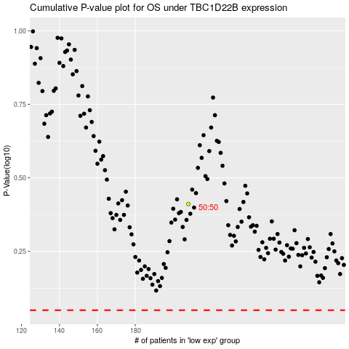

 |  |  |  |  |  | cases_OS | p_OS | rank | exp
 |  |  |  |  |  |  | cases_RFS | p_RFS | rank | exp

