TBC1D23 _multivariate
Reported by Tex Li-Hsing Chi. tex@gate.sinica.edu.tw 2019-08-15

Table 2. The clinicopathological features of HNSCC cohort and TBC1D23 expression. (Chi square test)
Cutoff at -0.142 (50.0%)
 |  | TBC1D23 expression |  | TBC1D23 expression |  | (Optimised)
 | Features | Low | (%) | High | (%) | Case no | P-value | Remark | Matthews
Gender | Female | 152 | 36.6 | 154 | 37.1 | 415 | 0.9766 | 0 | 0
2 | Male | 55 | 13.3 | 54 | 13
Age at diagnosis | <=65y | 135 | 32.5 | 139 | 33.5 | 415 | 0.8084 | 0 | 0
4 | >65y | 72 | 17.3 | 69 | 16.6
Clinical T Status | T1+T2 | 81 | 19.5 | 68 | 16.4 | 415 | 0.206 | 0 | 0
6 | T3+T4 | 126 | 30.4 | 140 | 33.7
Clinical N Status | N0 | 111 | 26.7 | 105 | 25.3 | 415 | 0.5875 | 0 | 0
8 | N1-3 | 96 | 23.1 | 103 | 24.8
Clinical M Status | M0 | 205 | 49.4 | 207 | 49.9 | 415 | 0.6232 | 0 | 0
10 | M1 | 2 | 0.5 | 1 | 0.2
Clinical Stage | Stage I+II | 57 | 13.7 | 45 | 10.8 | 415 | 0.1998 | 0 | 0
12 | Stage III+IV | 150 | 36.1 | 163 | 39.3
Surgical Margin status | Negative | 154 | 37.1 | 164 | 39.5 | 415 | 0.2984 | 0 | 0
14 | Positive | 53 | 12.8 | 44 | 10.6
Tobacco Exposure | Low | 86 | 20.7 | 75 | 18.1 | 415 | 0.2687 | 0 | 0
16 | High | 121 | 29.2 | 133 | 32

Table 3. Univariate/Multivariate Cox's proportional hazards regression analyses on OS time of TBC1D23 gene expression in HNSCC

 |  | Univariate |  |  |  | Multivariate
 | Features | HR | CI95%(L) | CI95%(H) | P-value | HR | CI95%(L) | CI95%(H) | P-value
1 | Female | 1 |  |  |  | 1
Gender | Male | 1.157 | 0.843 | 1.587 | 0.367 | 1.225 | 0.874 | 1.717 | 0.239
11 | <=65y | 1 |  |  |  | 1
Age at diagnosis | >65y | 1.329 | 0.99 | 1.784 | 0.058 | 1.419 | 1.042 | 1.933 | 0.026
12 | T1+T2 | 1 |  |  |  | 1
Clinical T Status | T3+T4 | 1.409 | 1.028 | 1.931 | 0.033 | 2.179 | 1.152 | 4.121 | 0.017
13 | N0 | 1 |  |  |  | 1
Clinical N Status | N1-3 | 1.185 | 0.89 | 1.577 | 0.246 | 1.22 | 0.854 | 1.743 | 0.274
14 | M0 | 1 |  |  |  | 1
Clinical M Status | M1 | 4.097 | 1.009 | 16.644 | 0.049 | 9.111 | 1.986 | 41.788 | 0.004
15 | Stage I+II | 1 |  |  |  | 1
Clinical Stage | Stage III+IV | 1.245 | 0.882 | 1.759 | 0.213 | 0.524 | 0.244 | 1.127 | 0.098
16 | Negative | 1 |  |  |  | 1
Surgical Margin status | Positive | 1.591 | 1.155 | 2.191 | 0.004 | 1.651 | 1.194 | 2.282 | 0.002
17 | Low | 1 |  |  |  | 1
Tobacco Exposure | High | 1.364 | 1.008 | 1.844 | 0.044 | 1.498 | 1.082 | 2.073 | 0.015
18 | Low | 1 |  |  |  | 1
RNAseq(z-score) | High | 0.807 | 0.605 | 1.075 | 0.143 | 0.784 | 0.586 | 1.049 | 0.101

Table 4. Univariate/Multivariate Cox's proportional hazards regression analyses on RFS time of TBC1D23 gene expression in HNSCC

 |  | Univariate |  |  |  | Multivariate
 | Features | HR | CI95%(L) | CI95%(H) | P-value | HR | CI95%(L) | CI95%(H) | P-value
1 | Female | 1 |  |  |  | 1
Gender | Male | 1.157 | 0.843 | 1.587 | 0.367 | 1.225 | 0.874 | 1.717 | 0.239
11 | <=65y | 1 |  |  |  | 1
Age at diagnosis | >65y | 1.329 | 0.99 | 1.784 | 0.058 | 1.419 | 1.042 | 1.933 | 0.026
12 | T1+T2 | 1 |  |  |  | 1
Clinical T Status | T3+T4 | 1.409 | 1.028 | 1.931 | 0.033 | 2.179 | 1.152 | 4.121 | 0.017
13 | N0 | 1 |  |  |  | 1
Clinical N Status | N1-3 | 1.185 | 0.89 | 1.577 | 0.246 | 1.22 | 0.854 | 1.743 | 0.274
14 | M0 | 1 |  |  |  | 1
Clinical M Status | M1 | 4.097 | 1.009 | 16.644 | 0.049 | 9.111 | 1.986 | 41.788 | 0.004
15 | Stage I+II | 1 |  |  |  | 1
Clinical Stage | Stage III+IV | 1.245 | 0.882 | 1.759 | 0.213 | 0.524 | 0.244 | 1.127 | 0.098
16 | Negative | 1 |  |  |  | 1
Surgical Margin status | Positive | 1.591 | 1.155 | 2.191 | 0.004 | 1.651 | 1.194 | 2.282 | 0.002
17 | Low | 1 |  |  |  | 1
Tobacco Exposure | High | 1.364 | 1.008 | 1.844 | 0.044 | 1.498 | 1.082 | 2.073 | 0.015
18 | Low | 1 |  |  |  | 1
RNAseq(z-score) | High | 0.807 | 0.605 | 1.075 | 0.143 | 0.784 | 0.586 | 1.049 | 0.101

Kaplan-Meier survival estimate: Cutoff at -0.142 (50.0%)



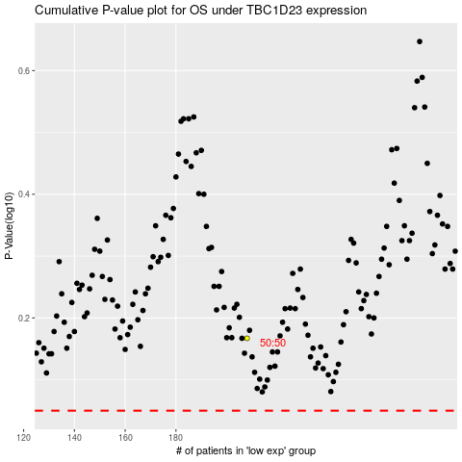

 |  |  |  |  |  | cases_OS | p_OS | rank | exp
 |  |  |  |  |  |  | cases_RFS | p_RFS | rank | exp

