TBC1D2B _multivariate
Reported by Tex Li-Hsing Chi. tex@gate.sinica.edu.tw 2019-08-15

Table 2. The clinicopathological features of HNSCC cohort and TBC1D2B expression. (Chi square test)
Cutoff at -0.05 (49.8%)
 |  | TBC1D2B expression |  | TBC1D2B expression |  | (Optimised)
 | Features | Low | (%) | High | (%) | Case no | P-value | Remark | Matthews
Gender | Female | 156 | 37.6 | 150 | 36.1 | 415 | 0.5222 | 0 | 0
2 | Male | 51 | 12.3 | 58 | 14
Age at diagnosis | <=65y | 133 | 32 | 141 | 34 | 415 | 0.5111 | 0 | 0
4 | >65y | 74 | 17.8 | 67 | 16.1
Clinical T Status | T1+T2 | 64 | 15.4 | 85 | 20.5 | 415 | 0.0445 | 1 | 0
6 | T3+T4 | 143 | 34.5 | 123 | 29.6
Clinical N Status | N0 | 107 | 25.8 | 109 | 26.3 | 415 | 0.9624 | 0 | 0
8 | N1-3 | 100 | 24.1 | 99 | 23.9
Clinical M Status | M0 | 205 | 49.4 | 207 | 49.9 | 415 | 0.6232 | 0 | 0
10 | M1 | 2 | 0.5 | 1 | 0.2
Clinical Stage | Stage I+II | 42 | 10.1 | 60 | 14.5 | 415 | 0.0561 | 0 | 0
12 | Stage III+IV | 165 | 39.8 | 148 | 35.7
Surgical Margin status | Negative | 153 | 36.9 | 165 | 39.8 | 415 | 0.2036 | 0 | 0
14 | Positive | 54 | 13 | 43 | 10.4
Tobacco Exposure | Low | 67 | 16.1 | 94 | 22.7 | 415 | 0.0088 | 1 | 0
16 | High | 140 | 33.7 | 114 | 27.5

Table 3. Univariate/Multivariate Cox's proportional hazards regression analyses on OS time of TBC1D2B gene expression in HNSCC

 |  | Univariate |  |  |  | Multivariate
 | Features | HR | CI95%(L) | CI95%(H) | P-value | HR | CI95%(L) | CI95%(H) | P-value
1 | Female | 1 |  |  |  | 1
Gender | Male | 1.157 | 0.843 | 1.587 | 0.367 | 1.197 | 0.856 | 1.673 | 0.292
11 | <=65y | 1 |  |  |  | 1
Age at diagnosis | >65y | 1.329 | 0.99 | 1.784 | 0.058 | 1.39 | 1.023 | 1.89 | 0.035
12 | T1+T2 | 1 |  |  |  | 1
Clinical T Status | T3+T4 | 1.409 | 1.028 | 1.931 | 0.033 | 2.199 | 1.163 | 4.158 | 0.015
13 | N0 | 1 |  |  |  | 1
Clinical N Status | N1-3 | 1.185 | 0.89 | 1.577 | 0.246 | 1.242 | 0.871 | 1.773 | 0.231
14 | M0 | 1 |  |  |  | 1
Clinical M Status | M1 | 4.097 | 1.009 | 16.644 | 0.049 | 9.349 | 2.039 | 42.87 | 0.004
15 | Stage I+II | 1 |  |  |  | 1
Clinical Stage | Stage III+IV | 1.245 | 0.882 | 1.759 | 0.213 | 0.501 | 0.233 | 1.077 | 0.077
16 | Negative | 1 |  |  |  | 1
Surgical Margin status | Positive | 1.591 | 1.155 | 2.191 | 0.004 | 1.66 | 1.198 | 2.3 | 0.002
17 | Low | 1 |  |  |  | 1
Tobacco Exposure | High | 1.364 | 1.008 | 1.844 | 0.044 | 1.442 | 1.043 | 1.993 | 0.027
18 | Low | 1 |  |  |  | 1
RNAseq(z-score) | High | 0.847 | 0.636 | 1.129 | 0.258 | 0.951 | 0.708 | 1.279 | 0.741

Table 4. Univariate/Multivariate Cox's proportional hazards regression analyses on RFS time of TBC1D2B gene expression in HNSCC

 |  | Univariate |  |  |  | Multivariate
 | Features | HR | CI95%(L) | CI95%(H) | P-value | HR | CI95%(L) | CI95%(H) | P-value
1 | Female | 1 |  |  |  | 1
Gender | Male | 1.157 | 0.843 | 1.587 | 0.367 | 1.197 | 0.856 | 1.673 | 0.292
11 | <=65y | 1 |  |  |  | 1
Age at diagnosis | >65y | 1.329 | 0.99 | 1.784 | 0.058 | 1.39 | 1.023 | 1.89 | 0.035
12 | T1+T2 | 1 |  |  |  | 1
Clinical T Status | T3+T4 | 1.409 | 1.028 | 1.931 | 0.033 | 2.199 | 1.163 | 4.158 | 0.015
13 | N0 | 1 |  |  |  | 1
Clinical N Status | N1-3 | 1.185 | 0.89 | 1.577 | 0.246 | 1.242 | 0.871 | 1.773 | 0.231
14 | M0 | 1 |  |  |  | 1
Clinical M Status | M1 | 4.097 | 1.009 | 16.644 | 0.049 | 9.349 | 2.039 | 42.87 | 0.004
15 | Stage I+II | 1 |  |  |  | 1
Clinical Stage | Stage III+IV | 1.245 | 0.882 | 1.759 | 0.213 | 0.501 | 0.233 | 1.077 | 0.077
16 | Negative | 1 |  |  |  | 1
Surgical Margin status | Positive | 1.591 | 1.155 | 2.191 | 0.004 | 1.66 | 1.198 | 2.3 | 0.002
17 | Low | 1 |  |  |  | 1
Tobacco Exposure | High | 1.364 | 1.008 | 1.844 | 0.044 | 1.442 | 1.043 | 1.993 | 0.027
18 | Low | 1 |  |  |  | 1
RNAseq(z-score) | High | 0.847 | 0.636 | 1.129 | 0.258 | 0.951 | 0.708 | 1.279 | 0.741

Kaplan-Meier survival estimate: Cutoff at -0.05 (49.8%)



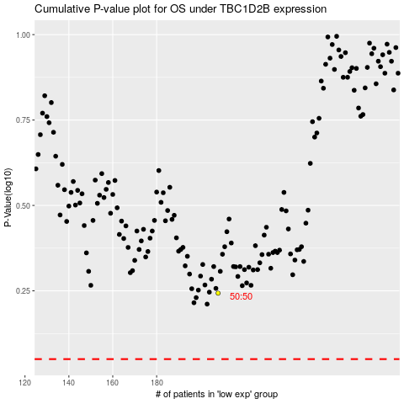

 |  |  |  |  |  | cases_OS | p_OS | rank | exp
 |  |  |  |  |  |  | cases_RFS | p_RFS | rank | exp

