TBC1D3C _multivariate
Reported by Tex Li-Hsing Chi. tex@gate.sinica.edu.tw 2019-08-15

Table 2. The clinicopathological features of HNSCC cohort and TBC1D3C expression. (Chi square test)
Cutoff at -0.292 (49.8%)
 |  | TBC1D3C expression |  | TBC1D3C expression |  | (Optimised)
 | Features | Low | (%) | High | (%) | Case no | P-value | Remark | Matthews
Gender | Female | 150 | 36.1 | 156 | 37.6 | 415 | 0.6344 | 0 | 0
2 | Male | 57 | 13.7 | 52 | 12.5
Age at diagnosis | <=65y | 141 | 34 | 133 | 32 | 415 | 0.4272 | 0 | 0
4 | >65y | 66 | 15.9 | 75 | 18.1
Clinical T Status | T1+T2 | 70 | 16.9 | 79 | 19 | 415 | 0.4343 | 0 | 0
6 | T3+T4 | 137 | 33 | 129 | 31.1
Clinical N Status | N0 | 100 | 24.1 | 116 | 28 | 415 | 0.1548 | 0 | 0
8 | N1-3 | 107 | 25.8 | 92 | 22.2
Clinical M Status | M0 | 207 | 49.9 | 205 | 49.4 | 415 | 0.2482 | 0 | 0
10 | M1 | 0 | 0 | 3 | 0.7
Clinical Stage | Stage I+II | 50 | 12 | 52 | 12.5 | 415 | 0.9315 | 0 | 0
12 | Stage III+IV | 157 | 37.8 | 156 | 37.6
Surgical Margin status | Negative | 154 | 37.1 | 164 | 39.5 | 415 | 0.2984 | 0 | 0
14 | Positive | 53 | 12.8 | 44 | 10.6
Tobacco Exposure | Low | 85 | 20.5 | 76 | 18.3 | 415 | 0.3655 | 0 | 0
16 | High | 122 | 29.4 | 132 | 31.8

Table 3. Univariate/Multivariate Cox's proportional hazards regression analyses on OS time of TBC1D3C gene expression in HNSCC

 |  | Univariate |  |  |  | Multivariate
 | Features | HR | CI95%(L) | CI95%(H) | P-value | HR | CI95%(L) | CI95%(H) | P-value
1 | Female | 1 |  |  |  | 1
Gender | Male | 1.157 | 0.843 | 1.587 | 0.367 | 1.202 | 0.861 | 1.679 | 0.28
11 | <=65y | 1 |  |  |  | 1
Age at diagnosis | >65y | 1.329 | 0.99 | 1.784 | 0.058 | 1.422 | 1.044 | 1.938 | 0.026
12 | T1+T2 | 1 |  |  |  | 1
Clinical T Status | T3+T4 | 1.409 | 1.028 | 1.931 | 0.033 | 2.17 | 1.147 | 4.106 | 0.017
13 | N0 | 1 |  |  |  | 1
Clinical N Status | N1-3 | 1.185 | 0.89 | 1.577 | 0.246 | 1.21 | 0.846 | 1.73 | 0.297
14 | M0 | 1 |  |  |  | 1
Clinical M Status | M1 | 4.097 | 1.009 | 16.644 | 0.049 | 10.377 | 2.243 | 48.012 | 0.003
15 | Stage I+II | 1 |  |  |  | 1
Clinical Stage | Stage III+IV | 1.245 | 0.882 | 1.759 | 0.213 | 0.521 | 0.242 | 1.12 | 0.095
16 | Negative | 1 |  |  |  | 1
Surgical Margin status | Positive | 1.591 | 1.155 | 2.191 | 0.004 | 1.661 | 1.202 | 2.297 | 0.002
17 | Low | 1 |  |  |  | 1
Tobacco Exposure | High | 1.364 | 1.008 | 1.844 | 0.044 | 1.478 | 1.071 | 2.04 | 0.017
18 | Low | 1 |  |  |  | 1
RNAseq(z-score) | High | 0.858 | 0.643 | 1.145 | 0.298 | 0.83 | 0.618 | 1.116 | 0.218

Table 4. Univariate/Multivariate Cox's proportional hazards regression analyses on RFS time of TBC1D3C gene expression in HNSCC

 |  | Univariate |  |  |  | Multivariate
 | Features | HR | CI95%(L) | CI95%(H) | P-value | HR | CI95%(L) | CI95%(H) | P-value
1 | Female | 1 |  |  |  | 1
Gender | Male | 1.157 | 0.843 | 1.587 | 0.367 | 1.202 | 0.861 | 1.679 | 0.28
11 | <=65y | 1 |  |  |  | 1
Age at diagnosis | >65y | 1.329 | 0.99 | 1.784 | 0.058 | 1.422 | 1.044 | 1.938 | 0.026
12 | T1+T2 | 1 |  |  |  | 1
Clinical T Status | T3+T4 | 1.409 | 1.028 | 1.931 | 0.033 | 2.17 | 1.147 | 4.106 | 0.017
13 | N0 | 1 |  |  |  | 1
Clinical N Status | N1-3 | 1.185 | 0.89 | 1.577 | 0.246 | 1.21 | 0.846 | 1.73 | 0.297
14 | M0 | 1 |  |  |  | 1
Clinical M Status | M1 | 4.097 | 1.009 | 16.644 | 0.049 | 10.377 | 2.243 | 48.012 | 0.003
15 | Stage I+II | 1 |  |  |  | 1
Clinical Stage | Stage III+IV | 1.245 | 0.882 | 1.759 | 0.213 | 0.521 | 0.242 | 1.12 | 0.095
16 | Negative | 1 |  |  |  | 1
Surgical Margin status | Positive | 1.591 | 1.155 | 2.191 | 0.004 | 1.661 | 1.202 | 2.297 | 0.002
17 | Low | 1 |  |  |  | 1
Tobacco Exposure | High | 1.364 | 1.008 | 1.844 | 0.044 | 1.478 | 1.071 | 2.04 | 0.017
18 | Low | 1 |  |  |  | 1
RNAseq(z-score) | High | 0.858 | 0.643 | 1.145 | 0.298 | 0.83 | 0.618 | 1.116 | 0.218

Kaplan-Meier survival estimate: Cutoff at -0.292 (49.8%)



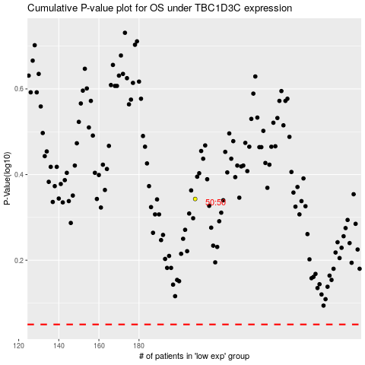

 |  |  |  |  |  | cases_OS | p_OS | rank | exp
 |  |  |  |  |  |  | cases_RFS | p_RFS | rank | exp

