TBC1D5 _multivariate
Reported by Tex Li-Hsing Chi. tex@gate.sinica.edu.tw 2019-08-15

Table 2. The clinicopathological features of HNSCC cohort and TBC1D5 expression. (Chi square test)
Cutoff at -0.212 (49.8%)
 |  | TBC1D5 expression |  | TBC1D5 expression |  | (Optimised)
 | Features | Low | (%) | High | (%) | Case no | P-value | Remark | Matthews
Gender | Female | 162 | 39 | 144 | 34.7 | 415 | 0.0479 | 1 | 0
2 | Male | 45 | 10.8 | 64 | 15.4
Age at diagnosis | <=65y | 139 | 33.5 | 135 | 32.5 | 415 | 0.7044 | 0 | 0
4 | >65y | 68 | 16.4 | 73 | 17.6
Clinical T Status | T1+T2 | 67 | 16.1 | 82 | 19.8 | 415 | 0.1628 | 0 | 0
6 | T3+T4 | 140 | 33.7 | 126 | 30.4
Clinical N Status | N0 | 110 | 26.5 | 106 | 25.5 | 415 | 0.7294 | 0 | 0
8 | N1-3 | 97 | 23.4 | 102 | 24.6
Clinical M Status | M0 | 204 | 49.2 | 208 | 50.1 | 415 | 0.1232 | 0 | 0
10 | M1 | 3 | 0.7 | 0 | 0
Clinical Stage | Stage I+II | 46 | 11.1 | 56 | 13.5 | 415 | 0.3182 | 0 | 0
12 | Stage III+IV | 161 | 38.8 | 152 | 36.6
Surgical Margin status | Negative | 156 | 37.6 | 162 | 39 | 415 | 0.5636 | 0 | 0
14 | Positive | 51 | 12.3 | 46 | 11.1
Tobacco Exposure | Low | 73 | 17.6 | 88 | 21.2 | 415 | 0.1587 | 0 | 0
16 | High | 134 | 32.3 | 120 | 28.9

Table 3. Univariate/Multivariate Cox's proportional hazards regression analyses on OS time of TBC1D5 gene expression in HNSCC

 |  | Univariate |  |  |  | Multivariate
 | Features | HR | CI95%(L) | CI95%(H) | P-value | HR | CI95%(L) | CI95%(H) | P-value
1 | Female | 1 |  |  |  | 1
Gender | Male | 1.157 | 0.843 | 1.587 | 0.367 | 1.198 | 0.857 | 1.675 | 0.29
11 | <=65y | 1 |  |  |  | 1
Age at diagnosis | >65y | 1.329 | 0.99 | 1.784 | 0.058 | 1.391 | 1.023 | 1.891 | 0.035
12 | T1+T2 | 1 |  |  |  | 1
Clinical T Status | T3+T4 | 1.409 | 1.028 | 1.931 | 0.033 | 2.215 | 1.17 | 4.192 | 0.015
13 | N0 | 1 |  |  |  | 1
Clinical N Status | N1-3 | 1.185 | 0.89 | 1.577 | 0.246 | 1.236 | 0.865 | 1.765 | 0.245
14 | M0 | 1 |  |  |  | 1
Clinical M Status | M1 | 4.097 | 1.009 | 16.644 | 0.049 | 9.683 | 2.089 | 44.886 | 0.004
15 | Stage I+II | 1 |  |  |  | 1
Clinical Stage | Stage III+IV | 1.245 | 0.882 | 1.759 | 0.213 | 0.504 | 0.235 | 1.083 | 0.079
16 | Negative | 1 |  |  |  | 1
Surgical Margin status | Positive | 1.591 | 1.155 | 2.191 | 0.004 | 1.676 | 1.212 | 2.317 | 0.002
17 | Low | 1 |  |  |  | 1
Tobacco Exposure | High | 1.364 | 1.008 | 1.844 | 0.044 | 1.46 | 1.058 | 2.015 | 0.021
18 | Low | 1 |  |  |  | 1
RNAseq(z-score) | High | 0.975 | 0.732 | 1.299 | 0.861 | 1.048 | 0.78 | 1.406 | 0.756

Table 4. Univariate/Multivariate Cox's proportional hazards regression analyses on RFS time of TBC1D5 gene expression in HNSCC

 |  | Univariate |  |  |  | Multivariate
 | Features | HR | CI95%(L) | CI95%(H) | P-value | HR | CI95%(L) | CI95%(H) | P-value
1 | Female | 1 |  |  |  | 1
Gender | Male | 1.157 | 0.843 | 1.587 | 0.367 | 1.198 | 0.857 | 1.675 | 0.29
11 | <=65y | 1 |  |  |  | 1
Age at diagnosis | >65y | 1.329 | 0.99 | 1.784 | 0.058 | 1.391 | 1.023 | 1.891 | 0.035
12 | T1+T2 | 1 |  |  |  | 1
Clinical T Status | T3+T4 | 1.409 | 1.028 | 1.931 | 0.033 | 2.215 | 1.17 | 4.192 | 0.015
13 | N0 | 1 |  |  |  | 1
Clinical N Status | N1-3 | 1.185 | 0.89 | 1.577 | 0.246 | 1.236 | 0.865 | 1.765 | 0.245
14 | M0 | 1 |  |  |  | 1
Clinical M Status | M1 | 4.097 | 1.009 | 16.644 | 0.049 | 9.683 | 2.089 | 44.886 | 0.004
15 | Stage I+II | 1 |  |  |  | 1
Clinical Stage | Stage III+IV | 1.245 | 0.882 | 1.759 | 0.213 | 0.504 | 0.235 | 1.083 | 0.079
16 | Negative | 1 |  |  |  | 1
Surgical Margin status | Positive | 1.591 | 1.155 | 2.191 | 0.004 | 1.676 | 1.212 | 2.317 | 0.002
17 | Low | 1 |  |  |  | 1
Tobacco Exposure | High | 1.364 | 1.008 | 1.844 | 0.044 | 1.46 | 1.058 | 2.015 | 0.021
18 | Low | 1 |  |  |  | 1
RNAseq(z-score) | High | 0.975 | 0.732 | 1.299 | 0.861 | 1.048 | 0.78 | 1.406 | 0.756

Kaplan-Meier survival estimate: Cutoff at -0.212 (49.8%)



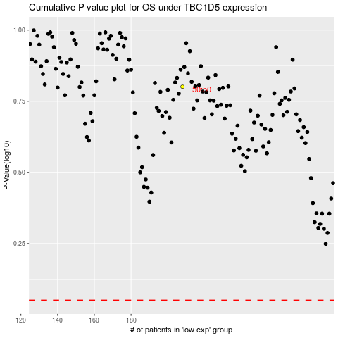

 |  |  |  |  |  | cases_OS | p_OS | rank | exp
 |  |  |  |  |  |  | cases_RFS | p_RFS | rank | exp

