TBC1D7 _multivariate
Reported by Tex Li-Hsing Chi. tex@gate.sinica.edu.tw 2019-08-15

Table 2. The clinicopathological features of HNSCC cohort and TBC1D7 expression. (Chi square test)
Cutoff at -0.175 (50.0%)
 |  | TBC1D7 expression |  | TBC1D7 expression |  | (Optimised)
 | Features | Low | (%) | High | (%) | Case no | P-value | Remark | Matthews
Gender | Female | 146 | 35.2 | 160 | 38.6 | 415 | 0.1714 | 0 | 0
2 | Male | 61 | 14.7 | 48 | 11.6
Age at diagnosis | <=65y | 129 | 31.1 | 145 | 34.9 | 415 | 0.1372 | 0 | 0
4 | >65y | 78 | 18.8 | 63 | 15.2
Clinical T Status | T1+T2 | 79 | 19 | 70 | 16.9 | 415 | 0.3924 | 0 | 0
6 | T3+T4 | 128 | 30.8 | 138 | 33.3
Clinical N Status | N0 | 104 | 25.1 | 112 | 27 | 415 | 0.5243 | 0 | 0
8 | N1-3 | 103 | 24.8 | 96 | 23.1
Clinical M Status | M0 | 206 | 49.6 | 206 | 49.6 | 415 | 1 | 0 | 0
10 | M1 | 1 | 0.2 | 2 | 0.5
Clinical Stage | Stage I+II | 55 | 13.3 | 47 | 11.3 | 415 | 0.4087 | 0 | 0
12 | Stage III+IV | 152 | 36.6 | 161 | 38.8
Surgical Margin status | Negative | 164 | 39.5 | 154 | 37.1 | 415 | 0.2462 | 0 | 0
14 | Positive | 43 | 10.4 | 54 | 13
Tobacco Exposure | Low | 89 | 21.4 | 72 | 17.3 | 415 | 0.0872 | 0 | 0
16 | High | 118 | 28.4 | 136 | 32.8

Table 3. Univariate/Multivariate Cox's proportional hazards regression analyses on OS time of TBC1D7 gene expression in HNSCC

 |  | Univariate |  |  |  | Multivariate
 | Features | HR | CI95%(L) | CI95%(H) | P-value | HR | CI95%(L) | CI95%(H) | P-value
1 | Female | 1 |  |  |  | 1
Gender | Male | 1.157 | 0.843 | 1.587 | 0.367 | 1.21 | 0.866 | 1.691 | 0.263
11 | <=65y | 1 |  |  |  | 1
Age at diagnosis | >65y | 1.329 | 0.99 | 1.784 | 0.058 | 1.33 | 0.974 | 1.816 | 0.073
12 | T1+T2 | 1 |  |  |  | 1
Clinical T Status | T3+T4 | 1.409 | 1.028 | 1.931 | 0.033 | 2.171 | 1.148 | 4.106 | 0.017
13 | N0 | 1 |  |  |  | 1
Clinical N Status | N1-3 | 1.185 | 0.89 | 1.577 | 0.246 | 1.2 | 0.84 | 1.715 | 0.317
14 | M0 | 1 |  |  |  | 1
Clinical M Status | M1 | 4.097 | 1.009 | 16.644 | 0.049 | 10.15 | 2.208 | 46.657 | 0.003
15 | Stage I+II | 1 |  |  |  | 1
Clinical Stage | Stage III+IV | 1.245 | 0.882 | 1.759 | 0.213 | 0.526 | 0.245 | 1.13 | 0.1
16 | Negative | 1 |  |  |  | 1
Surgical Margin status | Positive | 1.591 | 1.155 | 2.191 | 0.004 | 1.706 | 1.234 | 2.358 | 0.001
17 | Low | 1 |  |  |  | 1
Tobacco Exposure | High | 1.364 | 1.008 | 1.844 | 0.044 | 1.516 | 1.095 | 2.098 | 0.012
18 | Low | 1 |  |  |  | 1
RNAseq(z-score) | High | 0.82 | 0.615 | 1.094 | 0.177 | 0.773 | 0.573 | 1.042 | 0.091

Table 4. Univariate/Multivariate Cox's proportional hazards regression analyses on RFS time of TBC1D7 gene expression in HNSCC

 |  | Univariate |  |  |  | Multivariate
 | Features | HR | CI95%(L) | CI95%(H) | P-value | HR | CI95%(L) | CI95%(H) | P-value
1 | Female | 1 |  |  |  | 1
Gender | Male | 1.157 | 0.843 | 1.587 | 0.367 | 1.21 | 0.866 | 1.691 | 0.263
11 | <=65y | 1 |  |  |  | 1
Age at diagnosis | >65y | 1.329 | 0.99 | 1.784 | 0.058 | 1.33 | 0.974 | 1.816 | 0.073
12 | T1+T2 | 1 |  |  |  | 1
Clinical T Status | T3+T4 | 1.409 | 1.028 | 1.931 | 0.033 | 2.171 | 1.148 | 4.106 | 0.017
13 | N0 | 1 |  |  |  | 1
Clinical N Status | N1-3 | 1.185 | 0.89 | 1.577 | 0.246 | 1.2 | 0.84 | 1.715 | 0.317
14 | M0 | 1 |  |  |  | 1
Clinical M Status | M1 | 4.097 | 1.009 | 16.644 | 0.049 | 10.15 | 2.208 | 46.657 | 0.003
15 | Stage I+II | 1 |  |  |  | 1
Clinical Stage | Stage III+IV | 1.245 | 0.882 | 1.759 | 0.213 | 0.526 | 0.245 | 1.13 | 0.1
16 | Negative | 1 |  |  |  | 1
Surgical Margin status | Positive | 1.591 | 1.155 | 2.191 | 0.004 | 1.706 | 1.234 | 2.358 | 0.001
17 | Low | 1 |  |  |  | 1
Tobacco Exposure | High | 1.364 | 1.008 | 1.844 | 0.044 | 1.516 | 1.095 | 2.098 | 0.012
18 | Low | 1 |  |  |  | 1
RNAseq(z-score) | High | 0.82 | 0.615 | 1.094 | 0.177 | 0.773 | 0.573 | 1.042 | 0.091

Kaplan-Meier survival estimate: Cutoff at -0.175 (50.0%)



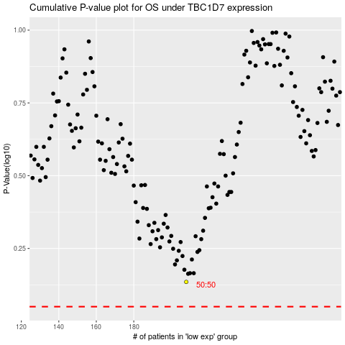

 |  |  |  |  |  | cases_OS | p_OS | rank | exp
 |  |  |  |  |  |  | cases_RFS | p_RFS | rank | exp

