TBC1D8B _multivariate
Reported by Tex Li-Hsing Chi. tex@gate.sinica.edu.tw 2019-08-15

Table 2. The clinicopathological features of HNSCC cohort and TBC1D8B expression. (Chi square test)
Cutoff at -0.185 (49.8%)
 |  | TBC1D8B expression |  | TBC1D8B expression |  | (Optimised)
 | Features | Low | (%) | High | (%) | Case no | P-value | Remark | Matthews
Gender | Female | 151 | 36.4 | 155 | 37.3 | 415 | 0.8007 | 0 | 0
2 | Male | 56 | 13.5 | 53 | 12.8
Age at diagnosis | <=65y | 132 | 31.8 | 142 | 34.2 | 415 | 0.3874 | 0 | 0
4 | >65y | 75 | 18.1 | 66 | 15.9
Clinical T Status | T1+T2 | 67 | 16.1 | 82 | 19.8 | 415 | 0.1628 | 0 | 0
6 | T3+T4 | 140 | 33.7 | 126 | 30.4
Clinical N Status | N0 | 106 | 25.5 | 110 | 26.5 | 415 | 0.8075 | 0 | 0
8 | N1-3 | 101 | 24.3 | 98 | 23.6
Clinical M Status | M0 | 205 | 49.4 | 207 | 49.9 | 415 | 0.6232 | 0 | 0
10 | M1 | 2 | 0.5 | 1 | 0.2
Clinical Stage | Stage I+II | 45 | 10.8 | 57 | 13.7 | 415 | 0.2202 | 0 | 0
12 | Stage III+IV | 162 | 39 | 151 | 36.4
Surgical Margin status | Negative | 155 | 37.3 | 163 | 39.3 | 415 | 0.4187 | 0 | 0
14 | Positive | 52 | 12.5 | 45 | 10.8
Tobacco Exposure | Low | 85 | 20.5 | 76 | 18.3 | 415 | 0.3655 | 0 | 0
16 | High | 122 | 29.4 | 132 | 31.8

Table 3. Univariate/Multivariate Cox's proportional hazards regression analyses on OS time of TBC1D8B gene expression in HNSCC

 |  | Univariate |  |  |  | Multivariate
 | Features | HR | CI95%(L) | CI95%(H) | P-value | HR | CI95%(L) | CI95%(H) | P-value
1 | Female | 1 |  |  |  | 1
Gender | Male | 1.157 | 0.843 | 1.587 | 0.367 | 1.211 | 0.867 | 1.692 | 0.261
11 | <=65y | 1 |  |  |  | 1
Age at diagnosis | >65y | 1.329 | 0.99 | 1.784 | 0.058 | 1.401 | 1.031 | 1.904 | 0.031
12 | T1+T2 | 1 |  |  |  | 1
Clinical T Status | T3+T4 | 1.409 | 1.028 | 1.931 | 0.033 | 2.227 | 1.177 | 4.213 | 0.014
13 | N0 | 1 |  |  |  | 1
Clinical N Status | N1-3 | 1.185 | 0.89 | 1.577 | 0.246 | 1.243 | 0.871 | 1.774 | 0.231
14 | M0 | 1 |  |  |  | 1
Clinical M Status | M1 | 4.097 | 1.009 | 16.644 | 0.049 | 9.847 | 2.14 | 45.313 | 0.003
15 | Stage I+II | 1 |  |  |  | 1
Clinical Stage | Stage III+IV | 1.245 | 0.882 | 1.759 | 0.213 | 0.505 | 0.235 | 1.085 | 0.08
16 | Negative | 1 |  |  |  | 1
Surgical Margin status | Positive | 1.591 | 1.155 | 2.191 | 0.004 | 1.702 | 1.228 | 2.358 | 0.001
17 | Low | 1 |  |  |  | 1
Tobacco Exposure | High | 1.364 | 1.008 | 1.844 | 0.044 | 1.437 | 1.043 | 1.98 | 0.027
18 | Low | 1 |  |  |  | 1
RNAseq(z-score) | High | 1.013 | 0.76 | 1.349 | 0.932 | 1.129 | 0.841 | 1.516 | 0.42

Table 4. Univariate/Multivariate Cox's proportional hazards regression analyses on RFS time of TBC1D8B gene expression in HNSCC

 |  | Univariate |  |  |  | Multivariate
 | Features | HR | CI95%(L) | CI95%(H) | P-value | HR | CI95%(L) | CI95%(H) | P-value
1 | Female | 1 |  |  |  | 1
Gender | Male | 1.157 | 0.843 | 1.587 | 0.367 | 1.211 | 0.867 | 1.692 | 0.261
11 | <=65y | 1 |  |  |  | 1
Age at diagnosis | >65y | 1.329 | 0.99 | 1.784 | 0.058 | 1.401 | 1.031 | 1.904 | 0.031
12 | T1+T2 | 1 |  |  |  | 1
Clinical T Status | T3+T4 | 1.409 | 1.028 | 1.931 | 0.033 | 2.227 | 1.177 | 4.213 | 0.014
13 | N0 | 1 |  |  |  | 1
Clinical N Status | N1-3 | 1.185 | 0.89 | 1.577 | 0.246 | 1.243 | 0.871 | 1.774 | 0.231
14 | M0 | 1 |  |  |  | 1
Clinical M Status | M1 | 4.097 | 1.009 | 16.644 | 0.049 | 9.847 | 2.14 | 45.313 | 0.003
15 | Stage I+II | 1 |  |  |  | 1
Clinical Stage | Stage III+IV | 1.245 | 0.882 | 1.759 | 0.213 | 0.505 | 0.235 | 1.085 | 0.08
16 | Negative | 1 |  |  |  | 1
Surgical Margin status | Positive | 1.591 | 1.155 | 2.191 | 0.004 | 1.702 | 1.228 | 2.358 | 0.001
17 | Low | 1 |  |  |  | 1
Tobacco Exposure | High | 1.364 | 1.008 | 1.844 | 0.044 | 1.437 | 1.043 | 1.98 | 0.027
18 | Low | 1 |  |  |  | 1
RNAseq(z-score) | High | 1.013 | 0.76 | 1.349 | 0.932 | 1.129 | 0.841 | 1.516 | 0.42

Kaplan-Meier survival estimate: Cutoff at -0.185 (49.8%)



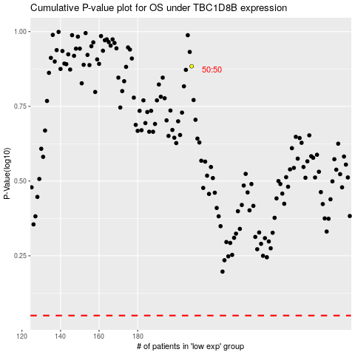

 |  |  |  |  |  | cases_OS | p_OS | rank | exp
 |  |  |  |  |  |  | cases_RFS | p_RFS | rank | exp

