TBC1D9B _multivariate
Reported by Tex Li-Hsing Chi. tex@gate.sinica.edu.tw 2019-08-15

Table 2. The clinicopathological features of HNSCC cohort and TBC1D9B expression. (Chi square test)
Cutoff at -0.107 (49.8%)
 |  | TBC1D9B expression |  | TBC1D9B expression |  | (Optimised)
 | Features | Low | (%) | High | (%) | Case no | P-value | Remark | Matthews
Gender | Female | 158 | 38.1 | 148 | 35.7 | 415 | 0.2774 | 0 | 0
2 | Male | 49 | 11.8 | 60 | 14.5
Age at diagnosis | <=65y | 142 | 34.2 | 132 | 31.8 | 415 | 0.3167 | 0 | 0
4 | >65y | 65 | 15.7 | 76 | 18.3
Clinical T Status | T1+T2 | 68 | 16.4 | 81 | 19.5 | 415 | 0.2336 | 0 | 0
6 | T3+T4 | 139 | 33.5 | 127 | 30.6
Clinical N Status | N0 | 100 | 24.1 | 116 | 28 | 415 | 0.1548 | 0 | 0
8 | N1-3 | 107 | 25.8 | 92 | 22.2
Clinical M Status | M0 | 206 | 49.6 | 206 | 49.6 | 415 | 1 | 0 | 0
10 | M1 | 1 | 0.2 | 2 | 0.5
Clinical Stage | Stage I+II | 45 | 10.8 | 57 | 13.7 | 415 | 0.2202 | 0 | 0
12 | Stage III+IV | 162 | 39 | 151 | 36.4
Surgical Margin status | Negative | 157 | 37.8 | 161 | 38.8 | 415 | 0.729 | 0 | 0
14 | Positive | 50 | 12 | 47 | 11.3
Tobacco Exposure | Low | 76 | 18.3 | 85 | 20.5 | 415 | 0.4207 | 0 | 0
16 | High | 131 | 31.6 | 123 | 29.6

Table 3. Univariate/Multivariate Cox's proportional hazards regression analyses on OS time of TBC1D9B gene expression in HNSCC

 |  | Univariate |  |  |  | Multivariate
 | Features | HR | CI95%(L) | CI95%(H) | P-value | HR | CI95%(L) | CI95%(H) | P-value
1 | Female | 1 |  |  |  | 1
Gender | Male | 1.157 | 0.843 | 1.587 | 0.367 | 1.2 | 0.86 | 1.676 | 0.284
11 | <=65y | 1 |  |  |  | 1
Age at diagnosis | >65y | 1.329 | 0.99 | 1.784 | 0.058 | 1.383 | 1.017 | 1.881 | 0.039
12 | T1+T2 | 1 |  |  |  | 1
Clinical T Status | T3+T4 | 1.409 | 1.028 | 1.931 | 0.033 | 2.217 | 1.173 | 4.191 | 0.014
13 | N0 | 1 |  |  |  | 1
Clinical N Status | N1-3 | 1.185 | 0.89 | 1.577 | 0.246 | 1.252 | 0.878 | 1.787 | 0.215
14 | M0 | 1 |  |  |  | 1
Clinical M Status | M1 | 4.097 | 1.009 | 16.644 | 0.049 | 9.308 | 2.03 | 42.67 | 0.004
15 | Stage I+II | 1 |  |  |  | 1
Clinical Stage | Stage III+IV | 1.245 | 0.882 | 1.759 | 0.213 | 0.504 | 0.235 | 1.082 | 0.079
16 | Negative | 1 |  |  |  | 1
Surgical Margin status | Positive | 1.591 | 1.155 | 2.191 | 0.004 | 1.67 | 1.209 | 2.307 | 0.002
17 | Low | 1 |  |  |  | 1
Tobacco Exposure | High | 1.364 | 1.008 | 1.844 | 0.044 | 1.479 | 1.07 | 2.045 | 0.018
18 | Low | 1 |  |  |  | 1
RNAseq(z-score) | High | 1.073 | 0.806 | 1.429 | 0.63 | 1.138 | 0.849 | 1.526 | 0.386

Table 4. Univariate/Multivariate Cox's proportional hazards regression analyses on RFS time of TBC1D9B gene expression in HNSCC

 |  | Univariate |  |  |  | Multivariate
 | Features | HR | CI95%(L) | CI95%(H) | P-value | HR | CI95%(L) | CI95%(H) | P-value
1 | Female | 1 |  |  |  | 1
Gender | Male | 1.157 | 0.843 | 1.587 | 0.367 | 1.2 | 0.86 | 1.676 | 0.284
11 | <=65y | 1 |  |  |  | 1
Age at diagnosis | >65y | 1.329 | 0.99 | 1.784 | 0.058 | 1.383 | 1.017 | 1.881 | 0.039
12 | T1+T2 | 1 |  |  |  | 1
Clinical T Status | T3+T4 | 1.409 | 1.028 | 1.931 | 0.033 | 2.217 | 1.173 | 4.191 | 0.014
13 | N0 | 1 |  |  |  | 1
Clinical N Status | N1-3 | 1.185 | 0.89 | 1.577 | 0.246 | 1.252 | 0.878 | 1.787 | 0.215
14 | M0 | 1 |  |  |  | 1
Clinical M Status | M1 | 4.097 | 1.009 | 16.644 | 0.049 | 9.308 | 2.03 | 42.67 | 0.004
15 | Stage I+II | 1 |  |  |  | 1
Clinical Stage | Stage III+IV | 1.245 | 0.882 | 1.759 | 0.213 | 0.504 | 0.235 | 1.082 | 0.079
16 | Negative | 1 |  |  |  | 1
Surgical Margin status | Positive | 1.591 | 1.155 | 2.191 | 0.004 | 1.67 | 1.209 | 2.307 | 0.002
17 | Low | 1 |  |  |  | 1
Tobacco Exposure | High | 1.364 | 1.008 | 1.844 | 0.044 | 1.479 | 1.07 | 2.045 | 0.018
18 | Low | 1 |  |  |  | 1
RNAseq(z-score) | High | 1.073 | 0.806 | 1.429 | 0.63 | 1.138 | 0.849 | 1.526 | 0.386

Kaplan-Meier survival estimate: Cutoff at -0.107 (49.8%)



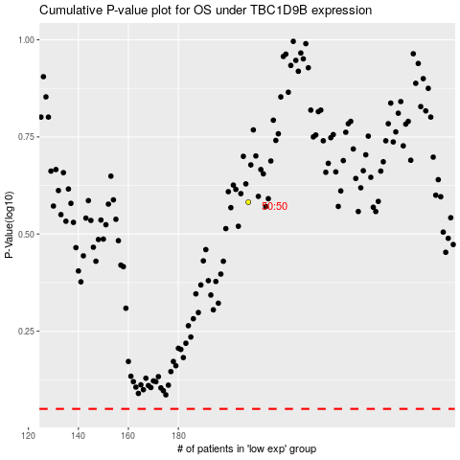

 |  |  |  |  |  | cases_OS | p_OS | rank | exp
 |  |  |  |  |  |  | cases_RFS | p_RFS | rank | exp

