TBCC _multivariate
Reported by Tex Li-Hsing Chi. tex@gate.sinica.edu.tw 2019-08-15

Table 2. The clinicopathological features of HNSCC cohort and TBCC expression. (Chi square test)
Cutoff at -0.165 (49.8%)
 |  | TBCC expression |  | TBCC expression |  | (Optimised)
 | Features | Low | (%) | High | (%) | Case no | P-value | Remark | Matthews
Gender | Female | 154 | 37.1 | 152 | 36.6 | 415 | 0.8463 | 0 | 0
2 | Male | 53 | 12.8 | 56 | 13.5
Age at diagnosis | <=65y | 141 | 34 | 133 | 32 | 415 | 0.4272 | 0 | 0
4 | >65y | 66 | 15.9 | 75 | 18.1
Clinical T Status | T1+T2 | 59 | 14.2 | 90 | 21.7 | 415 | 0.0024 | 1 | 0
6 | T3+T4 | 148 | 35.7 | 118 | 28.4
Clinical N Status | N0 | 98 | 23.6 | 118 | 28.4 | 415 | 0.0694 | 0 | 0
8 | N1-3 | 109 | 26.3 | 90 | 21.7
Clinical M Status | M0 | 207 | 49.9 | 205 | 49.4 | 415 | 0.2482 | 0 | 0
10 | M1 | 0 | 0 | 3 | 0.7
Clinical Stage | Stage I+II | 41 | 9.9 | 61 | 14.7 | 415 | 0.0325 | 1 | 0
12 | Stage III+IV | 166 | 40 | 147 | 35.4
Surgical Margin status | Negative | 166 | 40 | 152 | 36.6 | 415 | 0.1042 | 0 | 0
14 | Positive | 41 | 9.9 | 56 | 13.5
Tobacco Exposure | Low | 80 | 19.3 | 81 | 19.5 | 415 | 1 | 0 | 0
16 | High | 127 | 30.6 | 127 | 30.6

Table 3. Univariate/Multivariate Cox's proportional hazards regression analyses on OS time of TBCC gene expression in HNSCC

 |  | Univariate |  |  |  | Multivariate
 | Features | HR | CI95%(L) | CI95%(H) | P-value | HR | CI95%(L) | CI95%(H) | P-value
1 | Female | 1 |  |  |  | 1
Gender | Male | 1.157 | 0.843 | 1.587 | 0.367 | 1.214 | 0.869 | 1.697 | 0.256
11 | <=65y | 1 |  |  |  | 1
Age at diagnosis | >65y | 1.329 | 0.99 | 1.784 | 0.058 | 1.373 | 1.01 | 1.866 | 0.043
12 | T1+T2 | 1 |  |  |  | 1
Clinical T Status | T3+T4 | 1.409 | 1.028 | 1.931 | 0.033 | 2.083 | 1.099 | 3.948 | 0.025
13 | N0 | 1 |  |  |  | 1
Clinical N Status | N1-3 | 1.185 | 0.89 | 1.577 | 0.246 | 1.196 | 0.836 | 1.71 | 0.327
14 | M0 | 1 |  |  |  | 1
Clinical M Status | M1 | 4.097 | 1.009 | 16.644 | 0.049 | 10.471 | 2.273 | 48.243 | 0.003
15 | Stage I+II | 1 |  |  |  | 1
Clinical Stage | Stage III+IV | 1.245 | 0.882 | 1.759 | 0.213 | 0.525 | 0.244 | 1.127 | 0.098
16 | Negative | 1 |  |  |  | 1
Surgical Margin status | Positive | 1.591 | 1.155 | 2.191 | 0.004 | 1.716 | 1.24 | 2.374 | 0.001
17 | Low | 1 |  |  |  | 1
Tobacco Exposure | High | 1.364 | 1.008 | 1.844 | 0.044 | 1.464 | 1.062 | 2.018 | 0.02
18 | Low | 1 |  |  |  | 1
RNAseq(z-score) | High | 0.783 | 0.587 | 1.044 | 0.096 | 0.774 | 0.575 | 1.041 | 0.09

Table 4. Univariate/Multivariate Cox's proportional hazards regression analyses on RFS time of TBCC gene expression in HNSCC

 |  | Univariate |  |  |  | Multivariate
 | Features | HR | CI95%(L) | CI95%(H) | P-value | HR | CI95%(L) | CI95%(H) | P-value
1 | Female | 1 |  |  |  | 1
Gender | Male | 1.157 | 0.843 | 1.587 | 0.367 | 1.214 | 0.869 | 1.697 | 0.256
11 | <=65y | 1 |  |  |  | 1
Age at diagnosis | >65y | 1.329 | 0.99 | 1.784 | 0.058 | 1.373 | 1.01 | 1.866 | 0.043
12 | T1+T2 | 1 |  |  |  | 1
Clinical T Status | T3+T4 | 1.409 | 1.028 | 1.931 | 0.033 | 2.083 | 1.099 | 3.948 | 0.025
13 | N0 | 1 |  |  |  | 1
Clinical N Status | N1-3 | 1.185 | 0.89 | 1.577 | 0.246 | 1.196 | 0.836 | 1.71 | 0.327
14 | M0 | 1 |  |  |  | 1
Clinical M Status | M1 | 4.097 | 1.009 | 16.644 | 0.049 | 10.471 | 2.273 | 48.243 | 0.003
15 | Stage I+II | 1 |  |  |  | 1
Clinical Stage | Stage III+IV | 1.245 | 0.882 | 1.759 | 0.213 | 0.525 | 0.244 | 1.127 | 0.098
16 | Negative | 1 |  |  |  | 1
Surgical Margin status | Positive | 1.591 | 1.155 | 2.191 | 0.004 | 1.716 | 1.24 | 2.374 | 0.001
17 | Low | 1 |  |  |  | 1
Tobacco Exposure | High | 1.364 | 1.008 | 1.844 | 0.044 | 1.464 | 1.062 | 2.018 | 0.02
18 | Low | 1 |  |  |  | 1
RNAseq(z-score) | High | 0.783 | 0.587 | 1.044 | 0.096 | 0.774 | 0.575 | 1.041 | 0.09

Kaplan-Meier survival estimate: Cutoff at -0.165 (49.8%)



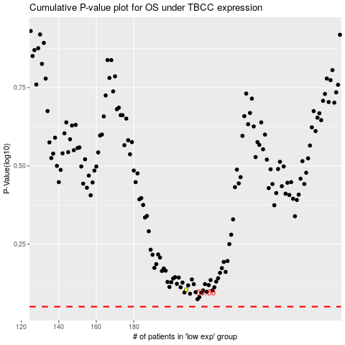

 |  |  |  |  |  | cases_OS | p_OS | rank | exp
 |  |  |  |  |  |  | cases_RFS | p_RFS | rank | exp

