TBCD _multivariate
Reported by Tex Li-Hsing Chi. tex@gate.sinica.edu.tw 2019-08-15

Table 2. The clinicopathological features of HNSCC cohort and TBCD expression. (Chi square test)
Cutoff at -0.255 (49.8%)
 |  | TBCD expression |  | TBCD expression |  | (Optimised)
 | Features | Low | (%) | High | (%) | Case no | P-value | Remark | Matthews
Gender | Female | 151 | 36.4 | 155 | 37.3 | 415 | 0.8007 | 0 | 0
2 | Male | 56 | 13.5 | 53 | 12.8
Age at diagnosis | <=65y | 133 | 32 | 141 | 34 | 415 | 0.5111 | 0 | 0
4 | >65y | 74 | 17.8 | 67 | 16.1
Clinical T Status | T1+T2 | 69 | 16.6 | 80 | 19.3 | 415 | 0.3239 | 0 | 0
6 | T3+T4 | 138 | 33.3 | 128 | 30.8
Clinical N Status | N0 | 112 | 27 | 104 | 25.1 | 415 | 0.4599 | 0 | 0
8 | N1-3 | 95 | 22.9 | 104 | 25.1
Clinical M Status | M0 | 205 | 49.4 | 207 | 49.9 | 415 | 0.6232 | 0 | 0
10 | M1 | 2 | 0.5 | 1 | 0.2
Clinical Stage | Stage I+II | 51 | 12.3 | 51 | 12.3 | 415 | 1 | 0 | 0
12 | Stage III+IV | 156 | 37.6 | 157 | 37.8
Surgical Margin status | Negative | 167 | 40.2 | 151 | 36.4 | 415 | 0.0632 | 0 | 0
14 | Positive | 40 | 9.6 | 57 | 13.7
Tobacco Exposure | Low | 97 | 23.4 | 64 | 15.4 | 415 | 9e-04 | 1 | 0
16 | High | 110 | 26.5 | 144 | 34.7

Table 3. Univariate/Multivariate Cox's proportional hazards regression analyses on OS time of TBCD gene expression in HNSCC

 |  | Univariate |  |  |  | Multivariate
 | Features | HR | CI95%(L) | CI95%(H) | P-value | HR | CI95%(L) | CI95%(H) | P-value
1 | Female | 1 |  |  |  | 1
Gender | Male | 1.157 | 0.843 | 1.587 | 0.367 | 1.202 | 0.861 | 1.678 | 0.279
11 | <=65y | 1 |  |  |  | 1
Age at diagnosis | >65y | 1.329 | 0.99 | 1.784 | 0.058 | 1.413 | 1.038 | 1.923 | 0.028
12 | T1+T2 | 1 |  |  |  | 1
Clinical T Status | T3+T4 | 1.409 | 1.028 | 1.931 | 0.033 | 2.14 | 1.129 | 4.058 | 0.02
13 | N0 | 1 |  |  |  | 1
Clinical N Status | N1-3 | 1.185 | 0.89 | 1.577 | 0.246 | 1.257 | 0.88 | 1.794 | 0.208
14 | M0 | 1 |  |  |  | 1
Clinical M Status | M1 | 4.097 | 1.009 | 16.644 | 0.049 | 8.789 | 1.906 | 40.519 | 0.005
15 | Stage I+II | 1 |  |  |  | 1
Clinical Stage | Stage III+IV | 1.245 | 0.882 | 1.759 | 0.213 | 0.512 | 0.238 | 1.1 | 0.086
16 | Negative | 1 |  |  |  | 1
Surgical Margin status | Positive | 1.591 | 1.155 | 2.191 | 0.004 | 1.706 | 1.232 | 2.365 | 0.001
17 | Low | 1 |  |  |  | 1
Tobacco Exposure | High | 1.364 | 1.008 | 1.844 | 0.044 | 1.497 | 1.081 | 2.074 | 0.015
18 | Low | 1 |  |  |  | 1
RNAseq(z-score) | High | 0.942 | 0.707 | 1.255 | 0.683 | 0.861 | 0.639 | 1.159 | 0.324

Table 4. Univariate/Multivariate Cox's proportional hazards regression analyses on RFS time of TBCD gene expression in HNSCC

 |  | Univariate |  |  |  | Multivariate
 | Features | HR | CI95%(L) | CI95%(H) | P-value | HR | CI95%(L) | CI95%(H) | P-value
1 | Female | 1 |  |  |  | 1
Gender | Male | 1.157 | 0.843 | 1.587 | 0.367 | 1.202 | 0.861 | 1.678 | 0.279
11 | <=65y | 1 |  |  |  | 1
Age at diagnosis | >65y | 1.329 | 0.99 | 1.784 | 0.058 | 1.413 | 1.038 | 1.923 | 0.028
12 | T1+T2 | 1 |  |  |  | 1
Clinical T Status | T3+T4 | 1.409 | 1.028 | 1.931 | 0.033 | 2.14 | 1.129 | 4.058 | 0.02
13 | N0 | 1 |  |  |  | 1
Clinical N Status | N1-3 | 1.185 | 0.89 | 1.577 | 0.246 | 1.257 | 0.88 | 1.794 | 0.208
14 | M0 | 1 |  |  |  | 1
Clinical M Status | M1 | 4.097 | 1.009 | 16.644 | 0.049 | 8.789 | 1.906 | 40.519 | 0.005
15 | Stage I+II | 1 |  |  |  | 1
Clinical Stage | Stage III+IV | 1.245 | 0.882 | 1.759 | 0.213 | 0.512 | 0.238 | 1.1 | 0.086
16 | Negative | 1 |  |  |  | 1
Surgical Margin status | Positive | 1.591 | 1.155 | 2.191 | 0.004 | 1.706 | 1.232 | 2.365 | 0.001
17 | Low | 1 |  |  |  | 1
Tobacco Exposure | High | 1.364 | 1.008 | 1.844 | 0.044 | 1.497 | 1.081 | 2.074 | 0.015
18 | Low | 1 |  |  |  | 1
RNAseq(z-score) | High | 0.942 | 0.707 | 1.255 | 0.683 | 0.861 | 0.639 | 1.159 | 0.324

Kaplan-Meier survival estimate: Cutoff at -0.255 (49.8%)



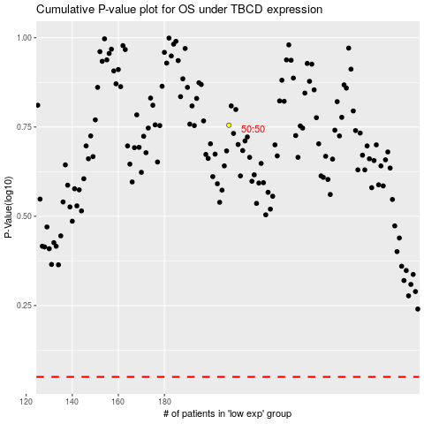

 |  |  |  |  |  | cases_OS | p_OS | rank | exp
 |  |  |  |  |  |  | cases_RFS | p_RFS | rank | exp

