TBKBP1 _multivariate
Reported by Tex Li-Hsing Chi. tex@gate.sinica.edu.tw 2019-08-15

Table 2. The clinicopathological features of HNSCC cohort and TBKBP1 expression. (Chi square test)
Cutoff at -0.29 (49.8%)
 |  | TBKBP1 expression |  | TBKBP1 expression |  | (Optimised)
 | Features | Low | (%) | High | (%) | Case no | P-value | Remark | Matthews
Gender | Female | 148 | 35.7 | 158 | 38.1 | 415 | 0.3567 | 0 | 0
2 | Male | 59 | 14.2 | 50 | 12
Age at diagnosis | <=65y | 135 | 32.5 | 139 | 33.5 | 415 | 0.8084 | 0 | 0
4 | >65y | 72 | 17.3 | 69 | 16.6
Clinical T Status | T1+T2 | 87 | 21 | 62 | 14.9 | 415 | 0.0127 | 1 | 0
6 | T3+T4 | 120 | 28.9 | 146 | 35.2
Clinical N Status | N0 | 105 | 25.3 | 111 | 26.7 | 415 | 0.6598 | 0 | 0
8 | N1-3 | 102 | 24.6 | 97 | 23.4
Clinical M Status | M0 | 206 | 49.6 | 206 | 49.6 | 415 | 1 | 0 | 0
10 | M1 | 1 | 0.2 | 2 | 0.5
Clinical Stage | Stage I+II | 59 | 14.2 | 43 | 10.4 | 415 | 0.0822 | 0 | 0
12 | Stage III+IV | 148 | 35.7 | 165 | 39.8
Surgical Margin status | Negative | 157 | 37.8 | 161 | 38.8 | 415 | 0.729 | 0 | 0
14 | Positive | 50 | 12 | 47 | 11.3
Tobacco Exposure | Low | 96 | 23.1 | 65 | 15.7 | 415 | 0.0018 | 1 | 0
16 | High | 111 | 26.7 | 143 | 34.5

Table 3. Univariate/Multivariate Cox's proportional hazards regression analyses on OS time of TBKBP1 gene expression in HNSCC

 |  | Univariate |  |  |  | Multivariate
 | Features | HR | CI95%(L) | CI95%(H) | P-value | HR | CI95%(L) | CI95%(H) | P-value
1 | Female | 1 |  |  |  | 1
Gender | Male | 1.157 | 0.843 | 1.587 | 0.367 | 1.193 | 0.854 | 1.666 | 0.301
11 | <=65y | 1 |  |  |  | 1
Age at diagnosis | >65y | 1.329 | 0.99 | 1.784 | 0.058 | 1.405 | 1.032 | 1.912 | 0.031
12 | T1+T2 | 1 |  |  |  | 1
Clinical T Status | T3+T4 | 1.409 | 1.028 | 1.931 | 0.033 | 2.24 | 1.182 | 4.243 | 0.013
13 | N0 | 1 |  |  |  | 1
Clinical N Status | N1-3 | 1.185 | 0.89 | 1.577 | 0.246 | 1.231 | 0.863 | 1.757 | 0.252
14 | M0 | 1 |  |  |  | 1
Clinical M Status | M1 | 4.097 | 1.009 | 16.644 | 0.049 | 9.639 | 2.099 | 44.271 | 0.004
15 | Stage I+II | 1 |  |  |  | 1
Clinical Stage | Stage III+IV | 1.245 | 0.882 | 1.759 | 0.213 | 0.502 | 0.234 | 1.077 | 0.077
16 | Negative | 1 |  |  |  | 1
Surgical Margin status | Positive | 1.591 | 1.155 | 2.191 | 0.004 | 1.669 | 1.208 | 2.306 | 0.002
17 | Low | 1 |  |  |  | 1
Tobacco Exposure | High | 1.364 | 1.008 | 1.844 | 0.044 | 1.473 | 1.067 | 2.035 | 0.019
18 | Low | 1 |  |  |  | 1
RNAseq(z-score) | High | 0.977 | 0.732 | 1.304 | 0.873 | 0.906 | 0.674 | 1.219 | 0.515

Table 4. Univariate/Multivariate Cox's proportional hazards regression analyses on RFS time of TBKBP1 gene expression in HNSCC

 |  | Univariate |  |  |  | Multivariate
 | Features | HR | CI95%(L) | CI95%(H) | P-value | HR | CI95%(L) | CI95%(H) | P-value
1 | Female | 1 |  |  |  | 1
Gender | Male | 1.157 | 0.843 | 1.587 | 0.367 | 1.193 | 0.854 | 1.666 | 0.301
11 | <=65y | 1 |  |  |  | 1
Age at diagnosis | >65y | 1.329 | 0.99 | 1.784 | 0.058 | 1.405 | 1.032 | 1.912 | 0.031
12 | T1+T2 | 1 |  |  |  | 1
Clinical T Status | T3+T4 | 1.409 | 1.028 | 1.931 | 0.033 | 2.24 | 1.182 | 4.243 | 0.013
13 | N0 | 1 |  |  |  | 1
Clinical N Status | N1-3 | 1.185 | 0.89 | 1.577 | 0.246 | 1.231 | 0.863 | 1.757 | 0.252
14 | M0 | 1 |  |  |  | 1
Clinical M Status | M1 | 4.097 | 1.009 | 16.644 | 0.049 | 9.639 | 2.099 | 44.271 | 0.004
15 | Stage I+II | 1 |  |  |  | 1
Clinical Stage | Stage III+IV | 1.245 | 0.882 | 1.759 | 0.213 | 0.502 | 0.234 | 1.077 | 0.077
16 | Negative | 1 |  |  |  | 1
Surgical Margin status | Positive | 1.591 | 1.155 | 2.191 | 0.004 | 1.669 | 1.208 | 2.306 | 0.002
17 | Low | 1 |  |  |  | 1
Tobacco Exposure | High | 1.364 | 1.008 | 1.844 | 0.044 | 1.473 | 1.067 | 2.035 | 0.019
18 | Low | 1 |  |  |  | 1
RNAseq(z-score) | High | 0.977 | 0.732 | 1.304 | 0.873 | 0.906 | 0.674 | 1.219 | 0.515

Kaplan-Meier survival estimate: Cutoff at -0.29 (49.8%)



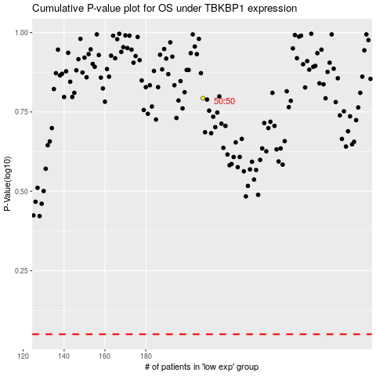

 |  |  |  |  |  | cases_OS | p_OS | rank | exp
 |  |  |  |  |  |  | cases_RFS | p_RFS | rank | exp

